CNO _multivariate
Reported by Tex Li-Hsing Chi. tex@gate.sinica.edu.tw 2019-08-20

Table 2. The clinicopathological features of HNSCC cohort and CNO expression. (Chi square test)
Cutoff at -0.117 (50.0%)
 |  | CNO expression |  | CNO expression |  | (Optimised)
 | Features | Low | (%) | High | (%) | Case no | P-value | Remark | Matthews
Gender | Female | 156 | 37.6 | 150 | 36.1 | 415 | 0.5222 | 0 | 0
2 | Male | 51 | 12.3 | 58 | 14
Age at diagnosis | <=65y | 140 | 33.7 | 134 | 32.3 | 415 | 0.5574 | 0 | 0
4 | >65y | 67 | 16.1 | 74 | 17.8
Clinical T Status | T1+T2 | 82 | 19.8 | 67 | 16.1 | 415 | 0.1417 | 0 | 0
6 | T3+T4 | 125 | 30.1 | 141 | 34
Clinical N Status | N0 | 115 | 27.7 | 101 | 24.3 | 415 | 0.184 | 1 | 0
8 | N1-3 | 92 | 22.2 | 107 | 25.8
Clinical M Status | M0 | 207 | 49.9 | 205 | 49.4 | 415 | 0.2482 | 0 | 0
10 | M1 | 0 | 0 | 3 | 0.7
Clinical Stage | Stage I+II | 55 | 13.3 | 47 | 11.3 | 415 | 0.4087 | 0 | 0
12 | Stage III+IV | 152 | 36.6 | 161 | 38.8
Surgical Margin status | Negative | 160 | 38.6 | 158 | 38.1 | 415 | 0.8167 | 0 | 0
14 | Positive | 47 | 11.3 | 50 | 12
Tobacco Exposure | Low | 75 | 18.1 | 86 | 20.7 | 415 | 0.3141 | 0 | 0
16 | High | 132 | 31.8 | 122 | 29.4

Table 3. Univariate/Multivariate Cox's proportional hazards regression analyses on OS time of CNO gene expression in HNSCC

 |  | Univariate |  |  |  | Multivariate
 | Features | HR | CI95%(L) | CI95%(H) | P-value | HR | CI95%(L) | CI95%(H) | P-value
1 | Female | 1 |  |  |  | 1
Gender | Male | 1.157 | 0.843 | 1.587 | 0.367 | 1.201 | 0.86 | 1.678 | 0.283
11 | <=65y | 1 |  |  |  | 1
Age at diagnosis | >65y | 1.329 | 0.99 | 1.784 | 0.058 | 1.39 | 1.022 | 1.89 | 0.036
12 | T1+T2 | 1 |  |  |  | 1
Clinical T Status | T3+T4 | 1.409 | 1.028 | 1.931 | 0.033 | 2.193 | 1.157 | 4.157 | 0.016
13 | N0 | 1 |  |  |  | 1
Clinical N Status | N1-3 | 1.185 | 0.89 | 1.577 | 0.246 | 1.238 | 0.867 | 1.769 | 0.24
14 | M0 | 1 |  |  |  | 1
Clinical M Status | M1 | 4.097 | 1.009 | 16.644 | 0.049 | 9.272 | 1.999 | 43.011 | 0.004
15 | Stage I+II | 1 |  |  |  | 1
Clinical Stage | Stage III+IV | 1.245 | 0.882 | 1.759 | 0.213 | 0.506 | 0.236 | 1.089 | 0.082
16 | Negative | 1 |  |  |  | 1
Surgical Margin status | Positive | 1.591 | 1.155 | 2.191 | 0.004 | 1.67 | 1.208 | 2.308 | 0.002
17 | Low | 1 |  |  |  | 1
Tobacco Exposure | High | 1.364 | 1.008 | 1.844 | 0.044 | 1.453 | 1.055 | 2.002 | 0.022
18 | Low | 1 |  |  |  | 1
RNAseq(z-score) | High | 1.12 | 0.839 | 1.495 | 0.442 | 1.022 | 0.762 | 1.371 | 0.883

Table 4. Univariate/Multivariate Cox's proportional hazards regression analyses on RFS time of CNO gene expression in HNSCC

 |  | Univariate |  |  |  | Multivariate
 | Features | HR | CI95%(L) | CI95%(H) | P-value | HR | CI95%(L) | CI95%(H) | P-value
1 | Female | 1 |  |  |  | 1
Gender | Male | 1.157 | 0.843 | 1.587 | 0.367 | 1.201 | 0.86 | 1.678 | 0.283
11 | <=65y | 1 |  |  |  | 1
Age at diagnosis | >65y | 1.329 | 0.99 | 1.784 | 0.058 | 1.39 | 1.022 | 1.89 | 0.036
12 | T1+T2 | 1 |  |  |  | 1
Clinical T Status | T3+T4 | 1.409 | 1.028 | 1.931 | 0.033 | 2.193 | 1.157 | 4.157 | 0.016
13 | N0 | 1 |  |  |  | 1
Clinical N Status | N1-3 | 1.185 | 0.89 | 1.577 | 0.246 | 1.238 | 0.867 | 1.769 | 0.24
14 | M0 | 1 |  |  |  | 1
Clinical M Status | M1 | 4.097 | 1.009 | 16.644 | 0.049 | 9.272 | 1.999 | 43.011 | 0.004
15 | Stage I+II | 1 |  |  |  | 1
Clinical Stage | Stage III+IV | 1.245 | 0.882 | 1.759 | 0.213 | 0.506 | 0.236 | 1.089 | 0.082
16 | Negative | 1 |  |  |  | 1
Surgical Margin status | Positive | 1.591 | 1.155 | 2.191 | 0.004 | 1.67 | 1.208 | 2.308 | 0.002
17 | Low | 1 |  |  |  | 1
Tobacco Exposure | High | 1.364 | 1.008 | 1.844 | 0.044 | 1.453 | 1.055 | 2.002 | 0.022
18 | Low | 1 |  |  |  | 1
RNAseq(z-score) | High | 1.12 | 0.839 | 1.495 | 0.442 | 1.022 | 0.762 | 1.371 | 0.883

Kaplan-Meier survival estimate: Cutoff at -0.117 (50.0%)



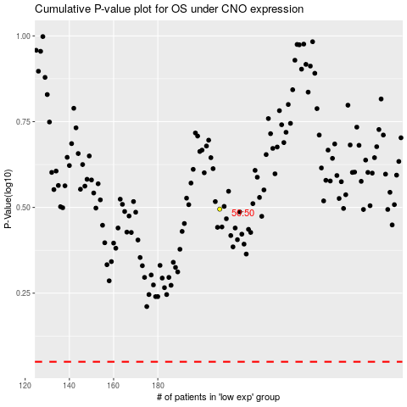

 |  |  |  |  |  | cases_OS | p_OS | rank | exp
 |  |  |  |  |  |  | cases_RFS | p_RFS | rank | exp

