CNOT2 _multivariate
Reported by Tex Li-Hsing Chi. tex@gate.sinica.edu.tw 2019-08-20

Table 2. The clinicopathological features of HNSCC cohort and CNOT2 expression. (Chi square test)
Cutoff at -0.162 (50.0%)
 |  | CNOT2 expression |  | CNOT2 expression |  | (Optimised)
 | Features | Low | (%) | High | (%) | Case no | P-value | Remark | Matthews
Gender | Female | 159 | 38.3 | 147 | 35.4 | 415 | 0.1905 | 0 | 0
2 | Male | 48 | 11.6 | 61 | 14.7
Age at diagnosis | <=65y | 145 | 34.9 | 129 | 31.1 | 415 | 0.1046 | 0 | 0
4 | >65y | 62 | 14.9 | 79 | 19
Clinical T Status | T1+T2 | 65 | 15.7 | 84 | 20.2 | 415 | 0.0711 | 0 | 0
6 | T3+T4 | 142 | 34.2 | 124 | 29.9
Clinical N Status | N0 | 105 | 25.3 | 111 | 26.7 | 415 | 0.6598 | 0 | 0
8 | N1-3 | 102 | 24.6 | 97 | 23.4
Clinical M Status | M0 | 207 | 49.9 | 205 | 49.4 | 415 | 0.2482 | 0 | 0
10 | M1 | 0 | 0 | 3 | 0.7
Clinical Stage | Stage I+II | 48 | 11.6 | 54 | 13 | 415 | 0.5878 | 0 | 0
12 | Stage III+IV | 159 | 38.3 | 154 | 37.1
Surgical Margin status | Negative | 152 | 36.6 | 166 | 40 | 415 | 0.1329 | 0 | 0
14 | Positive | 55 | 13.3 | 42 | 10.1
Tobacco Exposure | Low | 69 | 16.6 | 92 | 22.2 | 415 | 0.0266 | 1 | 0
16 | High | 138 | 33.3 | 116 | 28

Table 3. Univariate/Multivariate Cox's proportional hazards regression analyses on OS time of CNOT2 gene expression in HNSCC

 |  | Univariate |  |  |  | Multivariate
 | Features | HR | CI95%(L) | CI95%(H) | P-value | HR | CI95%(L) | CI95%(H) | P-value
1 | Female | 1 |  |  |  | 1
Gender | Male | 1.157 | 0.843 | 1.587 | 0.367 | 1.198 | 0.858 | 1.675 | 0.289
11 | <=65y | 1 |  |  |  | 1
Age at diagnosis | >65y | 1.329 | 0.99 | 1.784 | 0.058 | 1.398 | 1.028 | 1.901 | 0.033
12 | T1+T2 | 1 |  |  |  | 1
Clinical T Status | T3+T4 | 1.409 | 1.028 | 1.931 | 0.033 | 2.155 | 1.132 | 4.101 | 0.019
13 | N0 | 1 |  |  |  | 1
Clinical N Status | N1-3 | 1.185 | 0.89 | 1.577 | 0.246 | 1.238 | 0.867 | 1.767 | 0.24
14 | M0 | 1 |  |  |  | 1
Clinical M Status | M1 | 4.097 | 1.009 | 16.644 | 0.049 | 9.573 | 2.085 | 43.955 | 0.004
15 | Stage I+II | 1 |  |  |  | 1
Clinical Stage | Stage III+IV | 1.245 | 0.882 | 1.759 | 0.213 | 0.513 | 0.238 | 1.106 | 0.089
16 | Negative | 1 |  |  |  | 1
Surgical Margin status | Positive | 1.591 | 1.155 | 2.191 | 0.004 | 1.658 | 1.198 | 2.295 | 0.002
17 | Low | 1 |  |  |  | 1
Tobacco Exposure | High | 1.364 | 1.008 | 1.844 | 0.044 | 1.442 | 1.046 | 1.989 | 0.026
18 | Low | 1 |  |  |  | 1
RNAseq(z-score) | High | 0.856 | 0.642 | 1.14 | 0.286 | 0.932 | 0.693 | 1.252 | 0.639

Table 4. Univariate/Multivariate Cox's proportional hazards regression analyses on RFS time of CNOT2 gene expression in HNSCC

 |  | Univariate |  |  |  | Multivariate
 | Features | HR | CI95%(L) | CI95%(H) | P-value | HR | CI95%(L) | CI95%(H) | P-value
1 | Female | 1 |  |  |  | 1
Gender | Male | 1.157 | 0.843 | 1.587 | 0.367 | 1.198 | 0.858 | 1.675 | 0.289
11 | <=65y | 1 |  |  |  | 1
Age at diagnosis | >65y | 1.329 | 0.99 | 1.784 | 0.058 | 1.398 | 1.028 | 1.901 | 0.033
12 | T1+T2 | 1 |  |  |  | 1
Clinical T Status | T3+T4 | 1.409 | 1.028 | 1.931 | 0.033 | 2.155 | 1.132 | 4.101 | 0.019
13 | N0 | 1 |  |  |  | 1
Clinical N Status | N1-3 | 1.185 | 0.89 | 1.577 | 0.246 | 1.238 | 0.867 | 1.767 | 0.24
14 | M0 | 1 |  |  |  | 1
Clinical M Status | M1 | 4.097 | 1.009 | 16.644 | 0.049 | 9.573 | 2.085 | 43.955 | 0.004
15 | Stage I+II | 1 |  |  |  | 1
Clinical Stage | Stage III+IV | 1.245 | 0.882 | 1.759 | 0.213 | 0.513 | 0.238 | 1.106 | 0.089
16 | Negative | 1 |  |  |  | 1
Surgical Margin status | Positive | 1.591 | 1.155 | 2.191 | 0.004 | 1.658 | 1.198 | 2.295 | 0.002
17 | Low | 1 |  |  |  | 1
Tobacco Exposure | High | 1.364 | 1.008 | 1.844 | 0.044 | 1.442 | 1.046 | 1.989 | 0.026
18 | Low | 1 |  |  |  | 1
RNAseq(z-score) | High | 0.856 | 0.642 | 1.14 | 0.286 | 0.932 | 0.693 | 1.252 | 0.639

Kaplan-Meier survival estimate: Cutoff at -0.162 (50.0%)



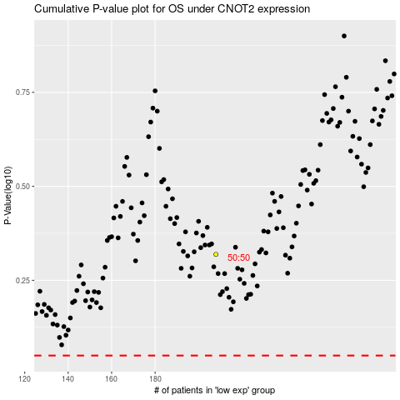

 |  |  |  |  |  | cases_OS | p_OS | rank | exp
 |  |  |  |  |  |  | cases_RFS | p_RFS | rank | exp

