CNOT6 _multivariate
Reported by Tex Li-Hsing Chi. tex@gate.sinica.edu.tw 2019-08-20

Table 2. The clinicopathological features of HNSCC cohort and CNOT6 expression. (Chi square test)
Cutoff at -0.138 (49.8%)
 |  | CNOT6 expression |  | CNOT6 expression |  | (Optimised)
 | Features | Low | (%) | High | (%) | Case no | P-value | Remark | Matthews
Gender | Female | 161 | 38.8 | 145 | 34.9 | 415 | 0.0792 | 0 | 0
2 | Male | 46 | 11.1 | 63 | 15.2
Age at diagnosis | <=65y | 139 | 33.5 | 135 | 32.5 | 415 | 0.7044 | 0 | 0
4 | >65y | 68 | 16.4 | 73 | 17.6
Clinical T Status | T1+T2 | 65 | 15.7 | 84 | 20.2 | 415 | 0.0711 | 0 | 0
6 | T3+T4 | 142 | 34.2 | 124 | 29.9
Clinical N Status | N0 | 103 | 24.8 | 113 | 27.2 | 415 | 0.4047 | 0 | 0
8 | N1-3 | 104 | 25.1 | 95 | 22.9
Clinical M Status | M0 | 204 | 49.2 | 208 | 50.1 | 415 | 0.1232 | 0 | 0
10 | M1 | 3 | 0.7 | 0 | 0
Clinical Stage | Stage I+II | 45 | 10.8 | 57 | 13.7 | 415 | 0.2202 | 0 | 0
12 | Stage III+IV | 162 | 39 | 151 | 36.4
Surgical Margin status | Negative | 164 | 39.5 | 154 | 37.1 | 415 | 0.2462 | 0 | 0
14 | Positive | 43 | 10.4 | 54 | 13
Tobacco Exposure | Low | 70 | 16.9 | 91 | 21.9 | 415 | 0.0439 | 1 | 0
16 | High | 137 | 33 | 117 | 28.2

Table 3. Univariate/Multivariate Cox's proportional hazards regression analyses on OS time of CNOT6 gene expression in HNSCC

 |  | Univariate |  |  |  | Multivariate
 | Features | HR | CI95%(L) | CI95%(H) | P-value | HR | CI95%(L) | CI95%(H) | P-value
1 | Female | 1 |  |  |  | 1
Gender | Male | 1.157 | 0.843 | 1.587 | 0.367 | 1.202 | 0.861 | 1.677 | 0.28
11 | <=65y | 1 |  |  |  | 1
Age at diagnosis | >65y | 1.329 | 0.99 | 1.784 | 0.058 | 1.389 | 1.021 | 1.89 | 0.036
12 | T1+T2 | 1 |  |  |  | 1
Clinical T Status | T3+T4 | 1.409 | 1.028 | 1.931 | 0.033 | 2.273 | 1.199 | 4.307 | 0.012
13 | N0 | 1 |  |  |  | 1
Clinical N Status | N1-3 | 1.185 | 0.89 | 1.577 | 0.246 | 1.247 | 0.875 | 1.779 | 0.222
14 | M0 | 1 |  |  |  | 1
Clinical M Status | M1 | 4.097 | 1.009 | 16.644 | 0.049 | 10.49 | 2.258 | 48.727 | 0.003
15 | Stage I+II | 1 |  |  |  | 1
Clinical Stage | Stage III+IV | 1.245 | 0.882 | 1.759 | 0.213 | 0.499 | 0.232 | 1.07 | 0.074
16 | Negative | 1 |  |  |  | 1
Surgical Margin status | Positive | 1.591 | 1.155 | 2.191 | 0.004 | 1.655 | 1.197 | 2.287 | 0.002
17 | Low | 1 |  |  |  | 1
Tobacco Exposure | High | 1.364 | 1.008 | 1.844 | 0.044 | 1.495 | 1.081 | 2.069 | 0.015
18 | Low | 1 |  |  |  | 1
RNAseq(z-score) | High | 1.07 | 0.803 | 1.425 | 0.645 | 1.182 | 0.878 | 1.593 | 0.271

Table 4. Univariate/Multivariate Cox's proportional hazards regression analyses on RFS time of CNOT6 gene expression in HNSCC

 |  | Univariate |  |  |  | Multivariate
 | Features | HR | CI95%(L) | CI95%(H) | P-value | HR | CI95%(L) | CI95%(H) | P-value
1 | Female | 1 |  |  |  | 1
Gender | Male | 1.157 | 0.843 | 1.587 | 0.367 | 1.202 | 0.861 | 1.677 | 0.28
11 | <=65y | 1 |  |  |  | 1
Age at diagnosis | >65y | 1.329 | 0.99 | 1.784 | 0.058 | 1.389 | 1.021 | 1.89 | 0.036
12 | T1+T2 | 1 |  |  |  | 1
Clinical T Status | T3+T4 | 1.409 | 1.028 | 1.931 | 0.033 | 2.273 | 1.199 | 4.307 | 0.012
13 | N0 | 1 |  |  |  | 1
Clinical N Status | N1-3 | 1.185 | 0.89 | 1.577 | 0.246 | 1.247 | 0.875 | 1.779 | 0.222
14 | M0 | 1 |  |  |  | 1
Clinical M Status | M1 | 4.097 | 1.009 | 16.644 | 0.049 | 10.49 | 2.258 | 48.727 | 0.003
15 | Stage I+II | 1 |  |  |  | 1
Clinical Stage | Stage III+IV | 1.245 | 0.882 | 1.759 | 0.213 | 0.499 | 0.232 | 1.07 | 0.074
16 | Negative | 1 |  |  |  | 1
Surgical Margin status | Positive | 1.591 | 1.155 | 2.191 | 0.004 | 1.655 | 1.197 | 2.287 | 0.002
17 | Low | 1 |  |  |  | 1
Tobacco Exposure | High | 1.364 | 1.008 | 1.844 | 0.044 | 1.495 | 1.081 | 2.069 | 0.015
18 | Low | 1 |  |  |  | 1
RNAseq(z-score) | High | 1.07 | 0.803 | 1.425 | 0.645 | 1.182 | 0.878 | 1.593 | 0.271

Kaplan-Meier survival estimate: Cutoff at -0.138 (49.8%)

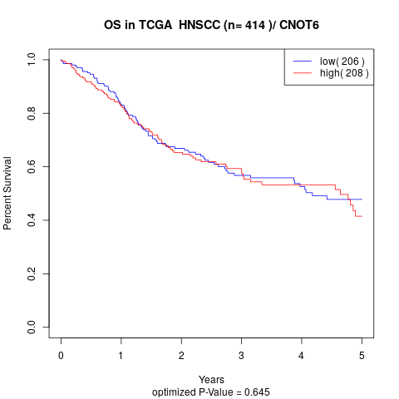

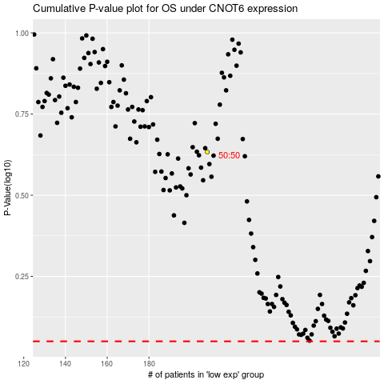

 |  |  |  |  |  | cases_OS | p_OS | rank | exp
 |  |  |  |  |  |  | cases_RFS | p_RFS | rank | exp

