CNP _multivariate
Reported by Tex Li-Hsing Chi. tex@gate.sinica.edu.tw 2019-08-20

Table 2. The clinicopathological features of HNSCC cohort and CNP expression. (Chi square test)
Cutoff at -0.175 (49.8%)
 |  | CNP expression |  | CNP expression |  | (Optimised)
 | Features | Low | (%) | High | (%) | Case no | P-value | Remark | Matthews
Gender | Female | 162 | 39 | 144 | 34.7 | 415 | 0.0479 | 1 | 0
2 | Male | 45 | 10.8 | 64 | 15.4
Age at diagnosis | <=65y | 148 | 35.7 | 126 | 30.4 | 415 | 0.0248 | 1 | 0
4 | >65y | 59 | 14.2 | 82 | 19.8
Clinical T Status | T1+T2 | 69 | 16.6 | 80 | 19.3 | 415 | 0.3239 | 0 | 0
6 | T3+T4 | 138 | 33.3 | 128 | 30.8
Clinical N Status | N0 | 104 | 25.1 | 112 | 27 | 415 | 0.5243 | 0 | 0
8 | N1-3 | 103 | 24.8 | 96 | 23.1
Clinical M Status | M0 | 205 | 49.4 | 207 | 49.9 | 415 | 0.6232 | 0 | 0
10 | M1 | 2 | 0.5 | 1 | 0.2
Clinical Stage | Stage I+II | 45 | 10.8 | 57 | 13.7 | 415 | 0.2202 | 0 | 0
12 | Stage III+IV | 162 | 39 | 151 | 36.4
Surgical Margin status | Negative | 162 | 39 | 156 | 37.6 | 415 | 0.4867 | 0 | 0
14 | Positive | 45 | 10.8 | 52 | 12.5
Tobacco Exposure | Low | 61 | 14.7 | 100 | 24.1 | 415 | 1e-04 | 1 | 0
16 | High | 146 | 35.2 | 108 | 26

Table 3. Univariate/Multivariate Cox's proportional hazards regression analyses on OS time of CNP gene expression in HNSCC

 |  | Univariate |  |  |  | Multivariate
 | Features | HR | CI95%(L) | CI95%(H) | P-value | HR | CI95%(L) | CI95%(H) | P-value
1 | Female | 1 |  |  |  | 1
Gender | Male | 1.157 | 0.843 | 1.587 | 0.367 | 1.212 | 0.868 | 1.694 | 0.259
11 | <=65y | 1 |  |  |  | 1
Age at diagnosis | >65y | 1.329 | 0.99 | 1.784 | 0.058 | 1.403 | 1.032 | 1.906 | 0.03
12 | T1+T2 | 1 |  |  |  | 1
Clinical T Status | T3+T4 | 1.409 | 1.028 | 1.931 | 0.033 | 2.229 | 1.179 | 4.215 | 0.014
13 | N0 | 1 |  |  |  | 1
Clinical N Status | N1-3 | 1.185 | 0.89 | 1.577 | 0.246 | 1.239 | 0.868 | 1.769 | 0.237
14 | M0 | 1 |  |  |  | 1
Clinical M Status | M1 | 4.097 | 1.009 | 16.644 | 0.049 | 9.411 | 2.053 | 43.134 | 0.004
15 | Stage I+II | 1 |  |  |  | 1
Clinical Stage | Stage III+IV | 1.245 | 0.882 | 1.759 | 0.213 | 0.499 | 0.233 | 1.072 | 0.075
16 | Negative | 1 |  |  |  | 1
Surgical Margin status | Positive | 1.591 | 1.155 | 2.191 | 0.004 | 1.693 | 1.224 | 2.341 | 0.001
17 | Low | 1 |  |  |  | 1
Tobacco Exposure | High | 1.364 | 1.008 | 1.844 | 0.044 | 1.406 | 1.015 | 1.947 | 0.04
18 | Low | 1 |  |  |  | 1
RNAseq(z-score) | High | 0.877 | 0.658 | 1.169 | 0.371 | 0.846 | 0.629 | 1.139 | 0.271

Table 4. Univariate/Multivariate Cox's proportional hazards regression analyses on RFS time of CNP gene expression in HNSCC

 |  | Univariate |  |  |  | Multivariate
 | Features | HR | CI95%(L) | CI95%(H) | P-value | HR | CI95%(L) | CI95%(H) | P-value
1 | Female | 1 |  |  |  | 1
Gender | Male | 1.157 | 0.843 | 1.587 | 0.367 | 1.212 | 0.868 | 1.694 | 0.259
11 | <=65y | 1 |  |  |  | 1
Age at diagnosis | >65y | 1.329 | 0.99 | 1.784 | 0.058 | 1.403 | 1.032 | 1.906 | 0.03
12 | T1+T2 | 1 |  |  |  | 1
Clinical T Status | T3+T4 | 1.409 | 1.028 | 1.931 | 0.033 | 2.229 | 1.179 | 4.215 | 0.014
13 | N0 | 1 |  |  |  | 1
Clinical N Status | N1-3 | 1.185 | 0.89 | 1.577 | 0.246 | 1.239 | 0.868 | 1.769 | 0.237
14 | M0 | 1 |  |  |  | 1
Clinical M Status | M1 | 4.097 | 1.009 | 16.644 | 0.049 | 9.411 | 2.053 | 43.134 | 0.004
15 | Stage I+II | 1 |  |  |  | 1
Clinical Stage | Stage III+IV | 1.245 | 0.882 | 1.759 | 0.213 | 0.499 | 0.233 | 1.072 | 0.075
16 | Negative | 1 |  |  |  | 1
Surgical Margin status | Positive | 1.591 | 1.155 | 2.191 | 0.004 | 1.693 | 1.224 | 2.341 | 0.001
17 | Low | 1 |  |  |  | 1
Tobacco Exposure | High | 1.364 | 1.008 | 1.844 | 0.044 | 1.406 | 1.015 | 1.947 | 0.04
18 | Low | 1 |  |  |  | 1
RNAseq(z-score) | High | 0.877 | 0.658 | 1.169 | 0.371 | 0.846 | 0.629 | 1.139 | 0.271

Kaplan-Meier survival estimate: Cutoff at -0.175 (49.8%)



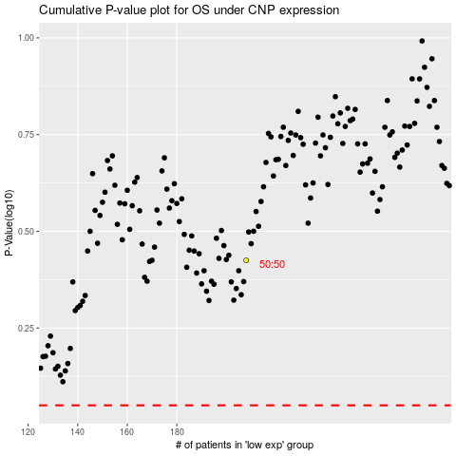

 |  |  |  |  |  | cases_OS | p_OS | rank | exp
 |  |  |  |  |  |  | cases_RFS | p_RFS | rank | exp

