CNST _multivariate
Reported by Tex Li-Hsing Chi. tex@gate.sinica.edu.tw 2019-08-20

Table 2. The clinicopathological features of HNSCC cohort and CNST expression. (Chi square test)
Cutoff at -0.596 (30.9%)
 |  | CNST expression |  | CNST expression |  | (Optimised)
 | Features | Low | (%) | High | (%) | Case no | P-value | Remark | Matthews
Gender | Female | 84 | 20.2 | 222 | 53.5 | 415 | 0.017 | 1 | 0
2 | Male | 44 | 10.6 | 65 | 15.7
Age at diagnosis | <=65y | 79 | 19 | 195 | 47 | 415 | 0.2608 | 0 | 0
4 | >65y | 49 | 11.8 | 92 | 22.2
Clinical T Status | T1+T2 | 54 | 13 | 95 | 22.9 | 415 | 0.0947 | 0 | 0
6 | T3+T4 | 74 | 17.8 | 192 | 46.3
Clinical N Status | N0 | 71 | 17.1 | 145 | 34.9 | 415 | 0.4093 | 0 | 0
8 | N1-3 | 57 | 13.7 | 142 | 34.2
Clinical M Status | M0 | 125 | 30.1 | 287 | 69.2 | 415 | 0.0289 | 1 | 0
10 | M1 | 3 | 0.7 | 0 | 0
Clinical Stage | Stage I+II | 38 | 9.2 | 64 | 15.4 | 415 | 0.136 | 0 | 0
12 | Stage III+IV | 90 | 21.7 | 223 | 53.7
Surgical Margin status | Negative | 93 | 22.4 | 225 | 54.2 | 415 | 0.2109 | 0 | 0
14 | Positive | 35 | 8.4 | 62 | 14.9
Tobacco Exposure | Low | 64 | 15.4 | 97 | 23.4 | 415 | 0.0022 | 1 | 0
16 | High | 64 | 15.4 | 190 | 45.8

Table 3. Univariate/Multivariate Cox's proportional hazards regression analyses on OS time of CNST gene expression in HNSCC

 |  | Univariate |  |  |  | Multivariate
 | Features | HR | CI95%(L) | CI95%(H) | P-value | HR | CI95%(L) | CI95%(H) | P-value
1 | Female | 1 |  |  |  | 1
Gender | Male | 1.157 | 0.843 | 1.587 | 0.367 | 1.142 | 0.813 | 1.605 | 0.444
11 | <=65y | 1 |  |  |  | 1
Age at diagnosis | >65y | 1.329 | 0.99 | 1.784 | 0.058 | 1.376 | 1.012 | 1.871 | 0.042
12 | T1+T2 | 1 |  |  |  | 1
Clinical T Status | T3+T4 | 1.409 | 1.028 | 1.931 | 0.033 | 2.186 | 1.156 | 4.135 | 0.016
13 | N0 | 1 |  |  |  | 1
Clinical N Status | N1-3 | 1.185 | 0.89 | 1.577 | 0.246 | 1.237 | 0.867 | 1.764 | 0.241
14 | M0 | 1 |  |  |  | 1
Clinical M Status | M1 | 4.097 | 1.009 | 16.644 | 0.049 | 7.399 | 1.585 | 34.534 | 0.011
15 | Stage I+II | 1 |  |  |  | 1
Clinical Stage | Stage III+IV | 1.245 | 0.882 | 1.759 | 0.213 | 0.523 | 0.244 | 1.124 | 0.097
16 | Negative | 1 |  |  |  | 1
Surgical Margin status | Positive | 1.591 | 1.155 | 2.191 | 0.004 | 1.642 | 1.187 | 2.273 | 0.003
17 | Low | 1 |  |  |  | 1
Tobacco Exposure | High | 1.364 | 1.008 | 1.844 | 0.044 | 1.521 | 1.097 | 2.109 | 0.012
18 | Low | 1 |  |  |  | 1
RNAseq(z-score) | High | 0.73 | 0.538 | 0.991 | 0.044 | 0.726 | 0.525 | 1.003 | 0.052

Table 4. Univariate/Multivariate Cox's proportional hazards regression analyses on RFS time of CNST gene expression in HNSCC

 |  | Univariate |  |  |  | Multivariate
 | Features | HR | CI95%(L) | CI95%(H) | P-value | HR | CI95%(L) | CI95%(H) | P-value
1 | Female | 1 |  |  |  | 1
Gender | Male | 1.157 | 0.843 | 1.587 | 0.367 | 1.142 | 0.813 | 1.605 | 0.444
11 | <=65y | 1 |  |  |  | 1
Age at diagnosis | >65y | 1.329 | 0.99 | 1.784 | 0.058 | 1.376 | 1.012 | 1.871 | 0.042
12 | T1+T2 | 1 |  |  |  | 1
Clinical T Status | T3+T4 | 1.409 | 1.028 | 1.931 | 0.033 | 2.186 | 1.156 | 4.135 | 0.016
13 | N0 | 1 |  |  |  | 1
Clinical N Status | N1-3 | 1.185 | 0.89 | 1.577 | 0.246 | 1.237 | 0.867 | 1.764 | 0.241
14 | M0 | 1 |  |  |  | 1
Clinical M Status | M1 | 4.097 | 1.009 | 16.644 | 0.049 | 7.399 | 1.585 | 34.534 | 0.011
15 | Stage I+II | 1 |  |  |  | 1
Clinical Stage | Stage III+IV | 1.245 | 0.882 | 1.759 | 0.213 | 0.523 | 0.244 | 1.124 | 0.097
16 | Negative | 1 |  |  |  | 1
Surgical Margin status | Positive | 1.591 | 1.155 | 2.191 | 0.004 | 1.642 | 1.187 | 2.273 | 0.003
17 | Low | 1 |  |  |  | 1
Tobacco Exposure | High | 1.364 | 1.008 | 1.844 | 0.044 | 1.521 | 1.097 | 2.109 | 0.012
18 | Low | 1 |  |  |  | 1
RNAseq(z-score) | High | 0.73 | 0.538 | 0.991 | 0.044 | 0.726 | 0.525 | 1.003 | 0.052

Kaplan-Meier survival estimate: Cutoff at -0.596 (30.9%)



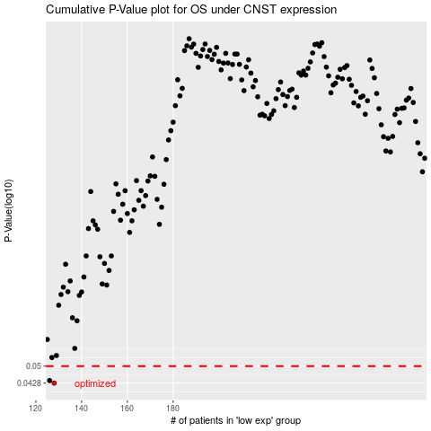

 |  |  |  |  |  | cases_OS | p_OS | rank | exp
 |  |  |  |  |  | 128 | 0.0428 | 6 | -0.59568429505
 |  |  |  |  |  | 126 | 0.0438 | 234 | -0.60456186567
 |  |  |  |  |  |  | cases_RFS | p_RFS | rank | exp
 |  |  |  |  |  |  | 127 | 0.0428 | 161 | -0.60418475026
 |  |  |  |  |  |  | 125 | 0.0438 | 241 | -0.60480612098

