CNTD2 _multivariate
Reported by Tex Li-Hsing Chi. tex@gate.sinica.edu.tw 2019-08-20

Table 2. The clinicopathological features of HNSCC cohort and CNTD2 expression. (Chi square test)
Cutoff at -0.237 (49.8%)
 |  | CNTD2 expression |  | CNTD2 expression |  | (Optimised)
 | Features | Low | (%) | High | (%) | Case no | P-value | Remark | Matthews
Gender | Female | 155 | 37.3 | 151 | 36.4 | 415 | 0.6768 | 0 | 0
2 | Male | 52 | 12.5 | 57 | 13.7
Age at diagnosis | <=65y | 139 | 33.5 | 135 | 32.5 | 415 | 0.7044 | 0 | 0
4 | >65y | 68 | 16.4 | 73 | 17.6
Clinical T Status | T1+T2 | 81 | 19.5 | 68 | 16.4 | 415 | 0.206 | 0 | 0
6 | T3+T4 | 126 | 30.4 | 140 | 33.7
Clinical N Status | N0 | 102 | 24.6 | 114 | 27.5 | 415 | 0.3031 | 0 | 0
8 | N1-3 | 105 | 25.3 | 94 | 22.7
Clinical M Status | M0 | 207 | 49.9 | 205 | 49.4 | 415 | 0.2482 | 0 | 0
10 | M1 | 0 | 0 | 3 | 0.7
Clinical Stage | Stage I+II | 52 | 12.5 | 50 | 12 | 415 | 0.8871 | 0 | 0
12 | Stage III+IV | 155 | 37.3 | 158 | 38.1
Surgical Margin status | Negative | 160 | 38.6 | 158 | 38.1 | 415 | 0.8167 | 0 | 0
14 | Positive | 47 | 11.3 | 50 | 12
Tobacco Exposure | Low | 90 | 21.7 | 71 | 17.1 | 415 | 0.0559 | 0 | 0
16 | High | 117 | 28.2 | 137 | 33

Table 3. Univariate/Multivariate Cox's proportional hazards regression analyses on OS time of CNTD2 gene expression in HNSCC

 |  | Univariate |  |  |  | Multivariate
 | Features | HR | CI95%(L) | CI95%(H) | P-value | HR | CI95%(L) | CI95%(H) | P-value
1 | Female | 1 |  |  |  | 1
Gender | Male | 1.157 | 0.843 | 1.587 | 0.367 | 1.226 | 0.877 | 1.716 | 0.234
11 | <=65y | 1 |  |  |  | 1
Age at diagnosis | >65y | 1.329 | 0.99 | 1.784 | 0.058 | 1.401 | 1.03 | 1.905 | 0.032
12 | T1+T2 | 1 |  |  |  | 1
Clinical T Status | T3+T4 | 1.409 | 1.028 | 1.931 | 0.033 | 2.271 | 1.198 | 4.303 | 0.012
13 | N0 | 1 |  |  |  | 1
Clinical N Status | N1-3 | 1.185 | 0.89 | 1.577 | 0.246 | 1.223 | 0.857 | 1.745 | 0.267
14 | M0 | 1 |  |  |  | 1
Clinical M Status | M1 | 4.097 | 1.009 | 16.644 | 0.049 | 10.896 | 2.34 | 50.729 | 0.002
15 | Stage I+II | 1 |  |  |  | 1
Clinical Stage | Stage III+IV | 1.245 | 0.882 | 1.759 | 0.213 | 0.501 | 0.233 | 1.075 | 0.076
16 | Negative | 1 |  |  |  | 1
Surgical Margin status | Positive | 1.591 | 1.155 | 2.191 | 0.004 | 1.7 | 1.229 | 2.353 | 0.001
17 | Low | 1 |  |  |  | 1
Tobacco Exposure | High | 1.364 | 1.008 | 1.844 | 0.044 | 1.497 | 1.083 | 2.069 | 0.015
18 | Low | 1 |  |  |  | 1
RNAseq(z-score) | High | 0.941 | 0.707 | 1.253 | 0.678 | 0.812 | 0.605 | 1.09 | 0.166

Table 4. Univariate/Multivariate Cox's proportional hazards regression analyses on RFS time of CNTD2 gene expression in HNSCC

 |  | Univariate |  |  |  | Multivariate
 | Features | HR | CI95%(L) | CI95%(H) | P-value | HR | CI95%(L) | CI95%(H) | P-value
1 | Female | 1 |  |  |  | 1
Gender | Male | 1.157 | 0.843 | 1.587 | 0.367 | 1.226 | 0.877 | 1.716 | 0.234
11 | <=65y | 1 |  |  |  | 1
Age at diagnosis | >65y | 1.329 | 0.99 | 1.784 | 0.058 | 1.401 | 1.03 | 1.905 | 0.032
12 | T1+T2 | 1 |  |  |  | 1
Clinical T Status | T3+T4 | 1.409 | 1.028 | 1.931 | 0.033 | 2.271 | 1.198 | 4.303 | 0.012
13 | N0 | 1 |  |  |  | 1
Clinical N Status | N1-3 | 1.185 | 0.89 | 1.577 | 0.246 | 1.223 | 0.857 | 1.745 | 0.267
14 | M0 | 1 |  |  |  | 1
Clinical M Status | M1 | 4.097 | 1.009 | 16.644 | 0.049 | 10.896 | 2.34 | 50.729 | 0.002
15 | Stage I+II | 1 |  |  |  | 1
Clinical Stage | Stage III+IV | 1.245 | 0.882 | 1.759 | 0.213 | 0.501 | 0.233 | 1.075 | 0.076
16 | Negative | 1 |  |  |  | 1
Surgical Margin status | Positive | 1.591 | 1.155 | 2.191 | 0.004 | 1.7 | 1.229 | 2.353 | 0.001
17 | Low | 1 |  |  |  | 1
Tobacco Exposure | High | 1.364 | 1.008 | 1.844 | 0.044 | 1.497 | 1.083 | 2.069 | 0.015
18 | Low | 1 |  |  |  | 1
RNAseq(z-score) | High | 0.941 | 0.707 | 1.253 | 0.678 | 0.812 | 0.605 | 1.09 | 0.166

Kaplan-Meier survival estimate: Cutoff at -0.237 (49.8%)



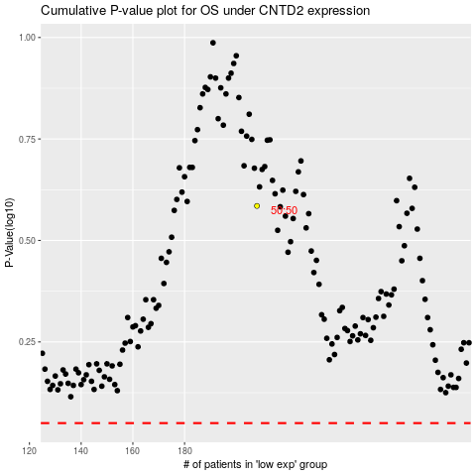

 |  |  |  |  |  | cases_OS | p_OS | rank | exp
 |  |  |  |  |  |  | cases_RFS | p_RFS | rank | exp

