CNTFR _multivariate
Reported by Tex Li-Hsing Chi. tex@gate.sinica.edu.tw 2019-08-20

Table 2. The clinicopathological features of HNSCC cohort and CNTFR expression. (Chi square test)
Cutoff at -0.353 (50.0%)
 |  | CNTFR expression |  | CNTFR expression |  | (Optimised)
 | Features | Low | (%) | High | (%) | Case no | P-value | Remark | Matthews
Gender | Female | 152 | 36.6 | 154 | 37.1 | 415 | 0.9766 | 0 | 0
2 | Male | 55 | 13.3 | 54 | 13
Age at diagnosis | <=65y | 136 | 32.8 | 138 | 33.3 | 415 | 0.9719 | 0 | 0
4 | >65y | 71 | 17.1 | 70 | 16.9
Clinical T Status | T1+T2 | 65 | 15.7 | 84 | 20.2 | 415 | 0.0711 | 0 | 0
6 | T3+T4 | 142 | 34.2 | 124 | 29.9
Clinical N Status | N0 | 103 | 24.8 | 113 | 27.2 | 415 | 0.4047 | 0 | 0
8 | N1-3 | 104 | 25.1 | 95 | 22.9
Clinical M Status | M0 | 205 | 49.4 | 207 | 49.9 | 415 | 0.6232 | 0 | 0
10 | M1 | 2 | 0.5 | 1 | 0.2
Clinical Stage | Stage I+II | 43 | 10.4 | 59 | 14.2 | 415 | 0.0925 | 0 | 0
12 | Stage III+IV | 164 | 39.5 | 149 | 35.9
Surgical Margin status | Negative | 161 | 38.8 | 157 | 37.8 | 415 | 0.6429 | 0 | 0
14 | Positive | 46 | 11.1 | 51 | 12.3
Tobacco Exposure | Low | 86 | 20.7 | 75 | 18.1 | 415 | 0.2687 | 0 | 0
16 | High | 121 | 29.2 | 133 | 32

Table 3. Univariate/Multivariate Cox's proportional hazards regression analyses on OS time of CNTFR gene expression in HNSCC

 |  | Univariate |  |  |  | Multivariate
 | Features | HR | CI95%(L) | CI95%(H) | P-value | HR | CI95%(L) | CI95%(H) | P-value
1 | Female | 1 |  |  |  | 1
Gender | Male | 1.157 | 0.843 | 1.587 | 0.367 | 1.209 | 0.865 | 1.689 | 0.266
11 | <=65y | 1 |  |  |  | 1
Age at diagnosis | >65y | 1.329 | 0.99 | 1.784 | 0.058 | 1.393 | 1.025 | 1.894 | 0.034
12 | T1+T2 | 1 |  |  |  | 1
Clinical T Status | T3+T4 | 1.409 | 1.028 | 1.931 | 0.033 | 2.186 | 1.156 | 4.133 | 0.016
13 | N0 | 1 |  |  |  | 1
Clinical N Status | N1-3 | 1.185 | 0.89 | 1.577 | 0.246 | 1.231 | 0.862 | 1.757 | 0.253
14 | M0 | 1 |  |  |  | 1
Clinical M Status | M1 | 4.097 | 1.009 | 16.644 | 0.049 | 9.306 | 2.03 | 42.663 | 0.004
15 | Stage I+II | 1 |  |  |  | 1
Clinical Stage | Stage III+IV | 1.245 | 0.882 | 1.759 | 0.213 | 0.5 | 0.233 | 1.073 | 0.075
16 | Negative | 1 |  |  |  | 1
Surgical Margin status | Positive | 1.591 | 1.155 | 2.191 | 0.004 | 1.674 | 1.212 | 2.314 | 0.002
17 | Low | 1 |  |  |  | 1
Tobacco Exposure | High | 1.364 | 1.008 | 1.844 | 0.044 | 1.469 | 1.065 | 2.027 | 0.019
18 | Low | 1 |  |  |  | 1
RNAseq(z-score) | High | 0.888 | 0.667 | 1.183 | 0.416 | 0.887 | 0.663 | 1.187 | 0.42

Table 4. Univariate/Multivariate Cox's proportional hazards regression analyses on RFS time of CNTFR gene expression in HNSCC

 |  | Univariate |  |  |  | Multivariate
 | Features | HR | CI95%(L) | CI95%(H) | P-value | HR | CI95%(L) | CI95%(H) | P-value
1 | Female | 1 |  |  |  | 1
Gender | Male | 1.157 | 0.843 | 1.587 | 0.367 | 1.209 | 0.865 | 1.689 | 0.266
11 | <=65y | 1 |  |  |  | 1
Age at diagnosis | >65y | 1.329 | 0.99 | 1.784 | 0.058 | 1.393 | 1.025 | 1.894 | 0.034
12 | T1+T2 | 1 |  |  |  | 1
Clinical T Status | T3+T4 | 1.409 | 1.028 | 1.931 | 0.033 | 2.186 | 1.156 | 4.133 | 0.016
13 | N0 | 1 |  |  |  | 1
Clinical N Status | N1-3 | 1.185 | 0.89 | 1.577 | 0.246 | 1.231 | 0.862 | 1.757 | 0.253
14 | M0 | 1 |  |  |  | 1
Clinical M Status | M1 | 4.097 | 1.009 | 16.644 | 0.049 | 9.306 | 2.03 | 42.663 | 0.004
15 | Stage I+II | 1 |  |  |  | 1
Clinical Stage | Stage III+IV | 1.245 | 0.882 | 1.759 | 0.213 | 0.5 | 0.233 | 1.073 | 0.075
16 | Negative | 1 |  |  |  | 1
Surgical Margin status | Positive | 1.591 | 1.155 | 2.191 | 0.004 | 1.674 | 1.212 | 2.314 | 0.002
17 | Low | 1 |  |  |  | 1
Tobacco Exposure | High | 1.364 | 1.008 | 1.844 | 0.044 | 1.469 | 1.065 | 2.027 | 0.019
18 | Low | 1 |  |  |  | 1
RNAseq(z-score) | High | 0.888 | 0.667 | 1.183 | 0.416 | 0.887 | 0.663 | 1.187 | 0.42

Kaplan-Meier survival estimate: Cutoff at -0.353 (50.0%)



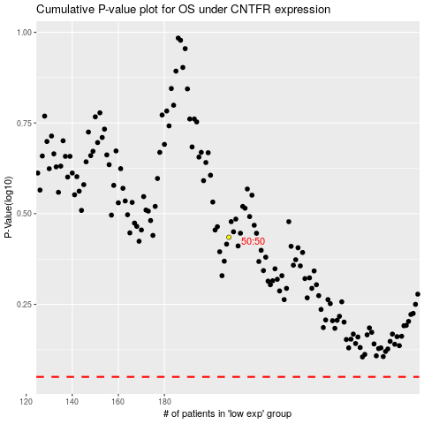

 |  |  |  |  |  | cases_OS | p_OS | rank | exp
 |  |  |  |  |  |  | cases_RFS | p_RFS | rank | exp

