CNTN1 _multivariate
Reported by Tex Li-Hsing Chi. tex@gate.sinica.edu.tw 2019-08-20

Table 2. The clinicopathological features of HNSCC cohort and CNTN1 expression. (Chi square test)
Cutoff at -0.295 (49.8%)
 |  | CNTN1 expression |  | CNTN1 expression |  | (Optimised)
 | Features | Low | (%) | High | (%) | Case no | P-value | Remark | Matthews
Gender | Female | 145 | 34.9 | 161 | 38.8 | 415 | 0.1116 | 0 | 0
2 | Male | 62 | 14.9 | 47 | 11.3
Age at diagnosis | <=65y | 136 | 32.8 | 138 | 33.3 | 415 | 0.9719 | 0 | 0
4 | >65y | 71 | 17.1 | 70 | 16.9
Clinical T Status | T1+T2 | 78 | 18.8 | 71 | 17.1 | 415 | 0.5152 | 0 | 0
6 | T3+T4 | 129 | 31.1 | 137 | 33
Clinical N Status | N0 | 103 | 24.8 | 113 | 27.2 | 415 | 0.4047 | 0 | 0
8 | N1-3 | 104 | 25.1 | 95 | 22.9
Clinical M Status | M0 | 205 | 49.4 | 207 | 49.9 | 415 | 0.6232 | 0 | 0
10 | M1 | 2 | 0.5 | 1 | 0.2
Clinical Stage | Stage I+II | 49 | 11.8 | 53 | 12.8 | 415 | 0.7535 | 0 | 0
12 | Stage III+IV | 158 | 38.1 | 155 | 37.3
Surgical Margin status | Negative | 151 | 36.4 | 167 | 40.2 | 415 | 0.0828 | 0 | 0
14 | Positive | 56 | 13.5 | 41 | 9.9
Tobacco Exposure | Low | 88 | 21.2 | 73 | 17.6 | 415 | 0.1314 | 0 | 0
16 | High | 119 | 28.7 | 135 | 32.5

Table 3. Univariate/Multivariate Cox's proportional hazards regression analyses on OS time of CNTN1 gene expression in HNSCC

 |  | Univariate |  |  |  | Multivariate
 | Features | HR | CI95%(L) | CI95%(H) | P-value | HR | CI95%(L) | CI95%(H) | P-value
1 | Female | 1 |  |  |  | 1
Gender | Male | 1.157 | 0.843 | 1.587 | 0.367 | 1.212 | 0.867 | 1.694 | 0.261
11 | <=65y | 1 |  |  |  | 1
Age at diagnosis | >65y | 1.329 | 0.99 | 1.784 | 0.058 | 1.396 | 1.027 | 1.897 | 0.033
12 | T1+T2 | 1 |  |  |  | 1
Clinical T Status | T3+T4 | 1.409 | 1.028 | 1.931 | 0.033 | 2.197 | 1.162 | 4.155 | 0.015
13 | N0 | 1 |  |  |  | 1
Clinical N Status | N1-3 | 1.185 | 0.89 | 1.577 | 0.246 | 1.247 | 0.874 | 1.781 | 0.223
14 | M0 | 1 |  |  |  | 1
Clinical M Status | M1 | 4.097 | 1.009 | 16.644 | 0.049 | 9.49 | 2.07 | 43.516 | 0.004
15 | Stage I+II | 1 |  |  |  | 1
Clinical Stage | Stage III+IV | 1.245 | 0.882 | 1.759 | 0.213 | 0.506 | 0.236 | 1.087 | 0.081
16 | Negative | 1 |  |  |  | 1
Surgical Margin status | Positive | 1.591 | 1.155 | 2.191 | 0.004 | 1.693 | 1.222 | 2.346 | 0.002
17 | Low | 1 |  |  |  | 1
Tobacco Exposure | High | 1.364 | 1.008 | 1.844 | 0.044 | 1.447 | 1.051 | 1.994 | 0.024
18 | Low | 1 |  |  |  | 1
RNAseq(z-score) | High | 1.026 | 0.77 | 1.366 | 0.861 | 1.097 | 0.819 | 1.468 | 0.535

Table 4. Univariate/Multivariate Cox's proportional hazards regression analyses on RFS time of CNTN1 gene expression in HNSCC

 |  | Univariate |  |  |  | Multivariate
 | Features | HR | CI95%(L) | CI95%(H) | P-value | HR | CI95%(L) | CI95%(H) | P-value
1 | Female | 1 |  |  |  | 1
Gender | Male | 1.157 | 0.843 | 1.587 | 0.367 | 1.212 | 0.867 | 1.694 | 0.261
11 | <=65y | 1 |  |  |  | 1
Age at diagnosis | >65y | 1.329 | 0.99 | 1.784 | 0.058 | 1.396 | 1.027 | 1.897 | 0.033
12 | T1+T2 | 1 |  |  |  | 1
Clinical T Status | T3+T4 | 1.409 | 1.028 | 1.931 | 0.033 | 2.197 | 1.162 | 4.155 | 0.015
13 | N0 | 1 |  |  |  | 1
Clinical N Status | N1-3 | 1.185 | 0.89 | 1.577 | 0.246 | 1.247 | 0.874 | 1.781 | 0.223
14 | M0 | 1 |  |  |  | 1
Clinical M Status | M1 | 4.097 | 1.009 | 16.644 | 0.049 | 9.49 | 2.07 | 43.516 | 0.004
15 | Stage I+II | 1 |  |  |  | 1
Clinical Stage | Stage III+IV | 1.245 | 0.882 | 1.759 | 0.213 | 0.506 | 0.236 | 1.087 | 0.081
16 | Negative | 1 |  |  |  | 1
Surgical Margin status | Positive | 1.591 | 1.155 | 2.191 | 0.004 | 1.693 | 1.222 | 2.346 | 0.002
17 | Low | 1 |  |  |  | 1
Tobacco Exposure | High | 1.364 | 1.008 | 1.844 | 0.044 | 1.447 | 1.051 | 1.994 | 0.024
18 | Low | 1 |  |  |  | 1
RNAseq(z-score) | High | 1.026 | 0.77 | 1.366 | 0.861 | 1.097 | 0.819 | 1.468 | 0.535

Kaplan-Meier survival estimate: Cutoff at -0.295 (49.8%)



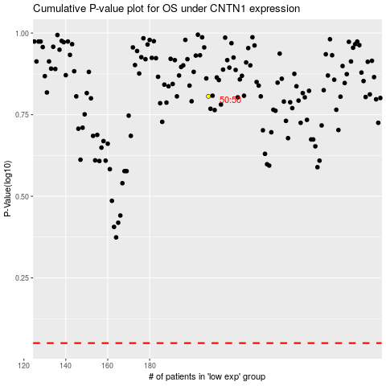

 |  |  |  |  |  | cases_OS | p_OS | rank | exp
 |  |  |  |  |  |  | cases_RFS | p_RFS | rank | exp

