CNTN4 _multivariate
Reported by Tex Li-Hsing Chi. tex@gate.sinica.edu.tw 2019-08-20

Table 2. The clinicopathological features of HNSCC cohort and CNTN4 expression. (Chi square test)
Cutoff at -0.34 (49.8%)
 |  | CNTN4 expression |  | CNTN4 expression |  | (Optimised)
 | Features | Low | (%) | High | (%) | Case no | P-value | Remark | Matthews
Gender | Female | 152 | 36.6 | 154 | 37.1 | 415 | 0.9766 | 0 | 0
2 | Male | 55 | 13.3 | 54 | 13
Age at diagnosis | <=65y | 136 | 32.8 | 138 | 33.3 | 415 | 0.9719 | 0 | 0
4 | >65y | 71 | 17.1 | 70 | 16.9
Clinical T Status | T1+T2 | 75 | 18.1 | 74 | 17.8 | 415 | 0.9707 | 0 | 0
6 | T3+T4 | 132 | 31.8 | 134 | 32.3
Clinical N Status | N0 | 115 | 27.7 | 101 | 24.3 | 415 | 0.184 | 1 | 0
8 | N1-3 | 92 | 22.2 | 107 | 25.8
Clinical M Status | M0 | 204 | 49.2 | 208 | 50.1 | 415 | 0.1232 | 0 | 0
10 | M1 | 3 | 0.7 | 0 | 0
Clinical Stage | Stage I+II | 54 | 13 | 48 | 11.6 | 415 | 0.5498 | 0 | 0
12 | Stage III+IV | 153 | 36.9 | 160 | 38.6
Surgical Margin status | Negative | 160 | 38.6 | 158 | 38.1 | 415 | 0.8167 | 0 | 0
14 | Positive | 47 | 11.3 | 50 | 12
Tobacco Exposure | Low | 93 | 22.4 | 68 | 16.4 | 415 | 0.0118 | 1 | 0
16 | High | 114 | 27.5 | 140 | 33.7

Table 3. Univariate/Multivariate Cox's proportional hazards regression analyses on OS time of CNTN4 gene expression in HNSCC

 |  | Univariate |  |  |  | Multivariate
 | Features | HR | CI95%(L) | CI95%(H) | P-value | HR | CI95%(L) | CI95%(H) | P-value
1 | Female | 1 |  |  |  | 1
Gender | Male | 1.157 | 0.843 | 1.587 | 0.367 | 1.198 | 0.857 | 1.675 | 0.29
11 | <=65y | 1 |  |  |  | 1
Age at diagnosis | >65y | 1.329 | 0.99 | 1.784 | 0.058 | 1.393 | 1.025 | 1.894 | 0.034
12 | T1+T2 | 1 |  |  |  | 1
Clinical T Status | T3+T4 | 1.409 | 1.028 | 1.931 | 0.033 | 2.187 | 1.156 | 4.138 | 0.016
13 | N0 | 1 |  |  |  | 1
Clinical N Status | N1-3 | 1.185 | 0.89 | 1.577 | 0.246 | 1.247 | 0.873 | 1.78 | 0.225
14 | M0 | 1 |  |  |  | 1
Clinical M Status | M1 | 4.097 | 1.009 | 16.644 | 0.049 | 8.972 | 1.937 | 41.557 | 0.005
15 | Stage I+II | 1 |  |  |  | 1
Clinical Stage | Stage III+IV | 1.245 | 0.882 | 1.759 | 0.213 | 0.508 | 0.237 | 1.092 | 0.083
16 | Negative | 1 |  |  |  | 1
Surgical Margin status | Positive | 1.591 | 1.155 | 2.191 | 0.004 | 1.671 | 1.209 | 2.309 | 0.002
17 | Low | 1 |  |  |  | 1
Tobacco Exposure | High | 1.364 | 1.008 | 1.844 | 0.044 | 1.466 | 1.062 | 2.024 | 0.02
18 | Low | 1 |  |  |  | 1
RNAseq(z-score) | High | 0.942 | 0.707 | 1.254 | 0.68 | 0.927 | 0.692 | 1.241 | 0.61

Table 4. Univariate/Multivariate Cox's proportional hazards regression analyses on RFS time of CNTN4 gene expression in HNSCC

 |  | Univariate |  |  |  | Multivariate
 | Features | HR | CI95%(L) | CI95%(H) | P-value | HR | CI95%(L) | CI95%(H) | P-value
1 | Female | 1 |  |  |  | 1
Gender | Male | 1.157 | 0.843 | 1.587 | 0.367 | 1.198 | 0.857 | 1.675 | 0.29
11 | <=65y | 1 |  |  |  | 1
Age at diagnosis | >65y | 1.329 | 0.99 | 1.784 | 0.058 | 1.393 | 1.025 | 1.894 | 0.034
12 | T1+T2 | 1 |  |  |  | 1
Clinical T Status | T3+T4 | 1.409 | 1.028 | 1.931 | 0.033 | 2.187 | 1.156 | 4.138 | 0.016
13 | N0 | 1 |  |  |  | 1
Clinical N Status | N1-3 | 1.185 | 0.89 | 1.577 | 0.246 | 1.247 | 0.873 | 1.78 | 0.225
14 | M0 | 1 |  |  |  | 1
Clinical M Status | M1 | 4.097 | 1.009 | 16.644 | 0.049 | 8.972 | 1.937 | 41.557 | 0.005
15 | Stage I+II | 1 |  |  |  | 1
Clinical Stage | Stage III+IV | 1.245 | 0.882 | 1.759 | 0.213 | 0.508 | 0.237 | 1.092 | 0.083
16 | Negative | 1 |  |  |  | 1
Surgical Margin status | Positive | 1.591 | 1.155 | 2.191 | 0.004 | 1.671 | 1.209 | 2.309 | 0.002
17 | Low | 1 |  |  |  | 1
Tobacco Exposure | High | 1.364 | 1.008 | 1.844 | 0.044 | 1.466 | 1.062 | 2.024 | 0.02
18 | Low | 1 |  |  |  | 1
RNAseq(z-score) | High | 0.942 | 0.707 | 1.254 | 0.68 | 0.927 | 0.692 | 1.241 | 0.61

Kaplan-Meier survival estimate: Cutoff at -0.34 (49.8%)



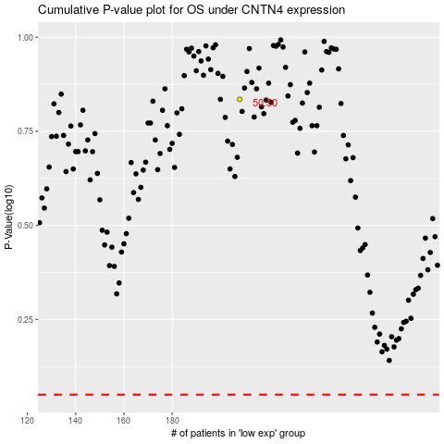

 |  |  |  |  |  | cases_OS | p_OS | rank | exp
 |  |  |  |  |  |  | cases_RFS | p_RFS | rank | exp

