CNTROB _multivariate
Reported by Tex Li-Hsing Chi. tex@gate.sinica.edu.tw 2019-08-20

Table 2. The clinicopathological features of HNSCC cohort and CNTROB expression. (Chi square test)
Cutoff at -0.063 (50.0%)
 |  | CNTROB expression |  | CNTROB expression |  | (Optimised)
 | Features | Low | (%) | High | (%) | Case no | P-value | Remark | Matthews
Gender | Female | 138 | 33.3 | 168 | 40.5 | 415 | 0.0016 | 1 | 0
2 | Male | 69 | 16.6 | 40 | 9.6
Age at diagnosis | <=65y | 137 | 33 | 137 | 33 | 415 | 1 | 0 | 0
4 | >65y | 70 | 16.9 | 71 | 17.1
Clinical T Status | T1+T2 | 76 | 18.3 | 73 | 17.6 | 415 | 0.8092 | 0 | 0
6 | T3+T4 | 131 | 31.6 | 135 | 32.5
Clinical N Status | N0 | 113 | 27.2 | 103 | 24.8 | 415 | 0.3495 | 1 | 0
8 | N1-3 | 94 | 22.7 | 105 | 25.3
Clinical M Status | M0 | 206 | 49.6 | 206 | 49.6 | 415 | 1 | 0 | 0
10 | M1 | 1 | 0.2 | 2 | 0.5
Clinical Stage | Stage I+II | 59 | 14.2 | 43 | 10.4 | 415 | 0.0822 | 0 | 0
12 | Stage III+IV | 148 | 35.7 | 165 | 39.8
Surgical Margin status | Negative | 155 | 37.3 | 163 | 39.3 | 415 | 0.4187 | 0 | 0
14 | Positive | 52 | 12.5 | 45 | 10.8
Tobacco Exposure | Low | 75 | 18.1 | 86 | 20.7 | 415 | 0.3141 | 0 | 0
16 | High | 132 | 31.8 | 122 | 29.4

Table 3. Univariate/Multivariate Cox's proportional hazards regression analyses on OS time of CNTROB gene expression in HNSCC

 |  | Univariate |  |  |  | Multivariate
 | Features | HR | CI95%(L) | CI95%(H) | P-value | HR | CI95%(L) | CI95%(H) | P-value
1 | Female | 1 |  |  |  | 1
Gender | Male | 1.157 | 0.843 | 1.587 | 0.367 | 1.158 | 0.826 | 1.624 | 0.395
11 | <=65y | 1 |  |  |  | 1
Age at diagnosis | >65y | 1.329 | 0.99 | 1.784 | 0.058 | 1.405 | 1.034 | 1.911 | 0.03
12 | T1+T2 | 1 |  |  |  | 1
Clinical T Status | T3+T4 | 1.409 | 1.028 | 1.931 | 0.033 | 2.126 | 1.122 | 4.028 | 0.021
13 | N0 | 1 |  |  |  | 1
Clinical N Status | N1-3 | 1.185 | 0.89 | 1.577 | 0.246 | 1.226 | 0.859 | 1.749 | 0.263
14 | M0 | 1 |  |  |  | 1
Clinical M Status | M1 | 4.097 | 1.009 | 16.644 | 0.049 | 9.557 | 2.085 | 43.805 | 0.004
15 | Stage I+II | 1 |  |  |  | 1
Clinical Stage | Stage III+IV | 1.245 | 0.882 | 1.759 | 0.213 | 0.538 | 0.249 | 1.161 | 0.114
16 | Negative | 1 |  |  |  | 1
Surgical Margin status | Positive | 1.591 | 1.155 | 2.191 | 0.004 | 1.624 | 1.172 | 2.251 | 0.004
17 | Low | 1 |  |  |  | 1
Tobacco Exposure | High | 1.364 | 1.008 | 1.844 | 0.044 | 1.435 | 1.042 | 1.977 | 0.027
18 | Low | 1 |  |  |  | 1
RNAseq(z-score) | High | 0.772 | 0.579 | 1.03 | 0.079 | 0.827 | 0.613 | 1.116 | 0.215

Table 4. Univariate/Multivariate Cox's proportional hazards regression analyses on RFS time of CNTROB gene expression in HNSCC

 |  | Univariate |  |  |  | Multivariate
 | Features | HR | CI95%(L) | CI95%(H) | P-value | HR | CI95%(L) | CI95%(H) | P-value
1 | Female | 1 |  |  |  | 1
Gender | Male | 1.157 | 0.843 | 1.587 | 0.367 | 1.158 | 0.826 | 1.624 | 0.395
11 | <=65y | 1 |  |  |  | 1
Age at diagnosis | >65y | 1.329 | 0.99 | 1.784 | 0.058 | 1.405 | 1.034 | 1.911 | 0.03
12 | T1+T2 | 1 |  |  |  | 1
Clinical T Status | T3+T4 | 1.409 | 1.028 | 1.931 | 0.033 | 2.126 | 1.122 | 4.028 | 0.021
13 | N0 | 1 |  |  |  | 1
Clinical N Status | N1-3 | 1.185 | 0.89 | 1.577 | 0.246 | 1.226 | 0.859 | 1.749 | 0.263
14 | M0 | 1 |  |  |  | 1
Clinical M Status | M1 | 4.097 | 1.009 | 16.644 | 0.049 | 9.557 | 2.085 | 43.805 | 0.004
15 | Stage I+II | 1 |  |  |  | 1
Clinical Stage | Stage III+IV | 1.245 | 0.882 | 1.759 | 0.213 | 0.538 | 0.249 | 1.161 | 0.114
16 | Negative | 1 |  |  |  | 1
Surgical Margin status | Positive | 1.591 | 1.155 | 2.191 | 0.004 | 1.624 | 1.172 | 2.251 | 0.004
17 | Low | 1 |  |  |  | 1
Tobacco Exposure | High | 1.364 | 1.008 | 1.844 | 0.044 | 1.435 | 1.042 | 1.977 | 0.027
18 | Low | 1 |  |  |  | 1
RNAseq(z-score) | High | 0.772 | 0.579 | 1.03 | 0.079 | 0.827 | 0.613 | 1.116 | 0.215

Kaplan-Meier survival estimate: Cutoff at -0.063 (50.0%)



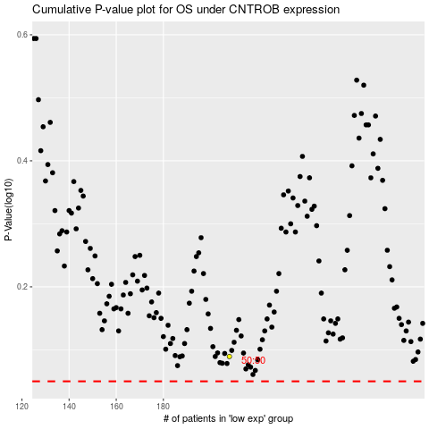

 |  |  |  |  |  | cases_OS | p_OS | rank | exp
 |  |  |  |  |  |  | cases_RFS | p_RFS | rank | exp

