COASY _multivariate
Reported by Tex Li-Hsing Chi. tex@gate.sinica.edu.tw 2019-08-20

Table 2. The clinicopathological features of HNSCC cohort and COASY expression. (Chi square test)
Cutoff at -0.086 (49.8%)
 |  | COASY expression |  | COASY expression |  | (Optimised)
 | Features | Low | (%) | High | (%) | Case no | P-value | Remark | Matthews
Gender | Female | 143 | 34.5 | 163 | 39.3 | 415 | 0.0416 | 1 | 0
2 | Male | 64 | 15.4 | 45 | 10.8
Age at diagnosis | <=65y | 140 | 33.7 | 134 | 32.3 | 415 | 0.5574 | 0 | 0
4 | >65y | 67 | 16.1 | 74 | 17.8
Clinical T Status | T1+T2 | 84 | 20.2 | 65 | 15.7 | 415 | 0.0603 | 0 | 0
6 | T3+T4 | 123 | 29.6 | 143 | 34.5
Clinical N Status | N0 | 106 | 25.5 | 110 | 26.5 | 415 | 0.8075 | 0 | 0
8 | N1-3 | 101 | 24.3 | 98 | 23.6
Clinical M Status | M0 | 207 | 49.9 | 205 | 49.4 | 415 | 0.2482 | 0 | 0
10 | M1 | 0 | 0 | 3 | 0.7
Clinical Stage | Stage I+II | 57 | 13.7 | 45 | 10.8 | 415 | 0.1998 | 0 | 0
12 | Stage III+IV | 150 | 36.1 | 163 | 39.3
Surgical Margin status | Negative | 157 | 37.8 | 161 | 38.8 | 415 | 0.729 | 0 | 0
14 | Positive | 50 | 12 | 47 | 11.3
Tobacco Exposure | Low | 91 | 21.9 | 70 | 16.9 | 415 | 0.0346 | 1 | 0
16 | High | 116 | 28 | 138 | 33.3

Table 3. Univariate/Multivariate Cox's proportional hazards regression analyses on OS time of COASY gene expression in HNSCC

 |  | Univariate |  |  |  | Multivariate
 | Features | HR | CI95%(L) | CI95%(H) | P-value | HR | CI95%(L) | CI95%(H) | P-value
1 | Female | 1 |  |  |  | 1
Gender | Male | 1.157 | 0.843 | 1.587 | 0.367 | 1.206 | 0.862 | 1.686 | 0.275
11 | <=65y | 1 |  |  |  | 1
Age at diagnosis | >65y | 1.329 | 0.99 | 1.784 | 0.058 | 1.388 | 1.02 | 1.888 | 0.037
12 | T1+T2 | 1 |  |  |  | 1
Clinical T Status | T3+T4 | 1.409 | 1.028 | 1.931 | 0.033 | 2.192 | 1.158 | 4.15 | 0.016
13 | N0 | 1 |  |  |  | 1
Clinical N Status | N1-3 | 1.185 | 0.89 | 1.577 | 0.246 | 1.238 | 0.867 | 1.767 | 0.24
14 | M0 | 1 |  |  |  | 1
Clinical M Status | M1 | 4.097 | 1.009 | 16.644 | 0.049 | 9.215 | 1.992 | 42.63 | 0.004
15 | Stage I+II | 1 |  |  |  | 1
Clinical Stage | Stage III+IV | 1.245 | 0.882 | 1.759 | 0.213 | 0.506 | 0.236 | 1.087 | 0.081
16 | Negative | 1 |  |  |  | 1
Surgical Margin status | Positive | 1.591 | 1.155 | 2.191 | 0.004 | 1.672 | 1.21 | 2.31 | 0.002
17 | Low | 1 |  |  |  | 1
Tobacco Exposure | High | 1.364 | 1.008 | 1.844 | 0.044 | 1.447 | 1.048 | 1.997 | 0.025
18 | Low | 1 |  |  |  | 1
RNAseq(z-score) | High | 1.137 | 0.854 | 1.515 | 0.379 | 1.037 | 0.772 | 1.391 | 0.811

Table 4. Univariate/Multivariate Cox's proportional hazards regression analyses on RFS time of COASY gene expression in HNSCC

 |  | Univariate |  |  |  | Multivariate
 | Features | HR | CI95%(L) | CI95%(H) | P-value | HR | CI95%(L) | CI95%(H) | P-value
1 | Female | 1 |  |  |  | 1
Gender | Male | 1.157 | 0.843 | 1.587 | 0.367 | 1.206 | 0.862 | 1.686 | 0.275
11 | <=65y | 1 |  |  |  | 1
Age at diagnosis | >65y | 1.329 | 0.99 | 1.784 | 0.058 | 1.388 | 1.02 | 1.888 | 0.037
12 | T1+T2 | 1 |  |  |  | 1
Clinical T Status | T3+T4 | 1.409 | 1.028 | 1.931 | 0.033 | 2.192 | 1.158 | 4.15 | 0.016
13 | N0 | 1 |  |  |  | 1
Clinical N Status | N1-3 | 1.185 | 0.89 | 1.577 | 0.246 | 1.238 | 0.867 | 1.767 | 0.24
14 | M0 | 1 |  |  |  | 1
Clinical M Status | M1 | 4.097 | 1.009 | 16.644 | 0.049 | 9.215 | 1.992 | 42.63 | 0.004
15 | Stage I+II | 1 |  |  |  | 1
Clinical Stage | Stage III+IV | 1.245 | 0.882 | 1.759 | 0.213 | 0.506 | 0.236 | 1.087 | 0.081
16 | Negative | 1 |  |  |  | 1
Surgical Margin status | Positive | 1.591 | 1.155 | 2.191 | 0.004 | 1.672 | 1.21 | 2.31 | 0.002
17 | Low | 1 |  |  |  | 1
Tobacco Exposure | High | 1.364 | 1.008 | 1.844 | 0.044 | 1.447 | 1.048 | 1.997 | 0.025
18 | Low | 1 |  |  |  | 1
RNAseq(z-score) | High | 1.137 | 0.854 | 1.515 | 0.379 | 1.037 | 0.772 | 1.391 | 0.811

Kaplan-Meier survival estimate: Cutoff at -0.086 (49.8%)



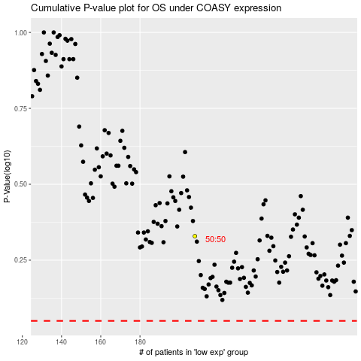

 |  |  |  |  |  | cases_OS | p_OS | rank | exp
 |  |  |  |  |  |  | cases_RFS | p_RFS | rank | exp

