COIL _multivariate
Reported by Tex Li-Hsing Chi. tex@gate.sinica.edu.tw 2019-08-20

Table 2. The clinicopathological features of HNSCC cohort and COIL expression. (Chi square test)
Cutoff at -0.159 (50.0%)
 |  | COIL expression |  | COIL expression |  | (Optimised)
 | Features | Low | (%) | High | (%) | Case no | P-value | Remark | Matthews
Gender | Female | 139 | 33.5 | 167 | 40.2 | 415 | 0.0034 | 1 | 0
2 | Male | 68 | 16.4 | 41 | 9.9
Age at diagnosis | <=65y | 128 | 30.8 | 146 | 35.2 | 415 | 0.0904 | 0 | 0
4 | >65y | 79 | 19 | 62 | 14.9
Clinical T Status | T1+T2 | 79 | 19 | 70 | 16.9 | 415 | 0.3924 | 0 | 0
6 | T3+T4 | 128 | 30.8 | 138 | 33.3
Clinical N Status | N0 | 119 | 28.7 | 97 | 23.4 | 415 | 0.0345 | 1 | 0
8 | N1-3 | 88 | 21.2 | 111 | 26.7
Clinical M Status | M0 | 206 | 49.6 | 206 | 49.6 | 415 | 1 | 0 | 0
10 | M1 | 1 | 0.2 | 2 | 0.5
Clinical Stage | Stage I+II | 60 | 14.5 | 42 | 10.1 | 415 | 0.0493 | 1 | 0
12 | Stage III+IV | 147 | 35.4 | 166 | 40
Surgical Margin status | Negative | 159 | 38.3 | 159 | 38.3 | 415 | 1 | 0 | 0
14 | Positive | 48 | 11.6 | 49 | 11.8
Tobacco Exposure | Low | 97 | 23.4 | 64 | 15.4 | 415 | 9e-04 | 1 | 0
16 | High | 110 | 26.5 | 144 | 34.7

Table 3. Univariate/Multivariate Cox's proportional hazards regression analyses on OS time of COIL gene expression in HNSCC

 |  | Univariate |  |  |  | Multivariate
 | Features | HR | CI95%(L) | CI95%(H) | P-value | HR | CI95%(L) | CI95%(H) | P-value
1 | Female | 1 |  |  |  | 1
Gender | Male | 1.157 | 0.843 | 1.587 | 0.367 | 1.168 | 0.834 | 1.637 | 0.366
11 | <=65y | 1 |  |  |  | 1
Age at diagnosis | >65y | 1.329 | 0.99 | 1.784 | 0.058 | 1.368 | 1.005 | 1.863 | 0.046
12 | T1+T2 | 1 |  |  |  | 1
Clinical T Status | T3+T4 | 1.409 | 1.028 | 1.931 | 0.033 | 2.105 | 1.11 | 3.992 | 0.023
13 | N0 | 1 |  |  |  | 1
Clinical N Status | N1-3 | 1.185 | 0.89 | 1.577 | 0.246 | 1.244 | 0.872 | 1.774 | 0.228
14 | M0 | 1 |  |  |  | 1
Clinical M Status | M1 | 4.097 | 1.009 | 16.644 | 0.049 | 9.023 | 1.967 | 41.385 | 0.005
15 | Stage I+II | 1 |  |  |  | 1
Clinical Stage | Stage III+IV | 1.245 | 0.882 | 1.759 | 0.213 | 0.54 | 0.25 | 1.166 | 0.117
16 | Negative | 1 |  |  |  | 1
Surgical Margin status | Positive | 1.591 | 1.155 | 2.191 | 0.004 | 1.645 | 1.19 | 2.272 | 0.003
17 | Low | 1 |  |  |  | 1
Tobacco Exposure | High | 1.364 | 1.008 | 1.844 | 0.044 | 1.486 | 1.076 | 2.051 | 0.016
18 | Low | 1 |  |  |  | 1
RNAseq(z-score) | High | 0.782 | 0.586 | 1.046 | 0.097 | 0.81 | 0.599 | 1.094 | 0.169

Table 4. Univariate/Multivariate Cox's proportional hazards regression analyses on RFS time of COIL gene expression in HNSCC

 |  | Univariate |  |  |  | Multivariate
 | Features | HR | CI95%(L) | CI95%(H) | P-value | HR | CI95%(L) | CI95%(H) | P-value
1 | Female | 1 |  |  |  | 1
Gender | Male | 1.157 | 0.843 | 1.587 | 0.367 | 1.168 | 0.834 | 1.637 | 0.366
11 | <=65y | 1 |  |  |  | 1
Age at diagnosis | >65y | 1.329 | 0.99 | 1.784 | 0.058 | 1.368 | 1.005 | 1.863 | 0.046
12 | T1+T2 | 1 |  |  |  | 1
Clinical T Status | T3+T4 | 1.409 | 1.028 | 1.931 | 0.033 | 2.105 | 1.11 | 3.992 | 0.023
13 | N0 | 1 |  |  |  | 1
Clinical N Status | N1-3 | 1.185 | 0.89 | 1.577 | 0.246 | 1.244 | 0.872 | 1.774 | 0.228
14 | M0 | 1 |  |  |  | 1
Clinical M Status | M1 | 4.097 | 1.009 | 16.644 | 0.049 | 9.023 | 1.967 | 41.385 | 0.005
15 | Stage I+II | 1 |  |  |  | 1
Clinical Stage | Stage III+IV | 1.245 | 0.882 | 1.759 | 0.213 | 0.54 | 0.25 | 1.166 | 0.117
16 | Negative | 1 |  |  |  | 1
Surgical Margin status | Positive | 1.591 | 1.155 | 2.191 | 0.004 | 1.645 | 1.19 | 2.272 | 0.003
17 | Low | 1 |  |  |  | 1
Tobacco Exposure | High | 1.364 | 1.008 | 1.844 | 0.044 | 1.486 | 1.076 | 2.051 | 0.016
18 | Low | 1 |  |  |  | 1
RNAseq(z-score) | High | 0.782 | 0.586 | 1.046 | 0.097 | 0.81 | 0.599 | 1.094 | 0.169

Kaplan-Meier survival estimate: Cutoff at -0.159 (50.0%)

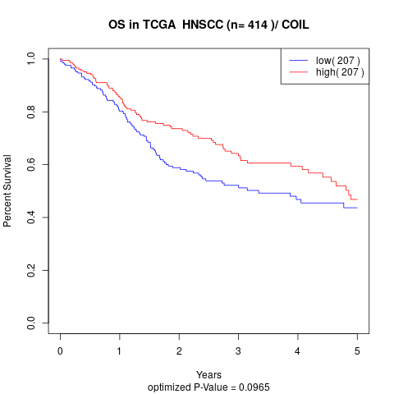

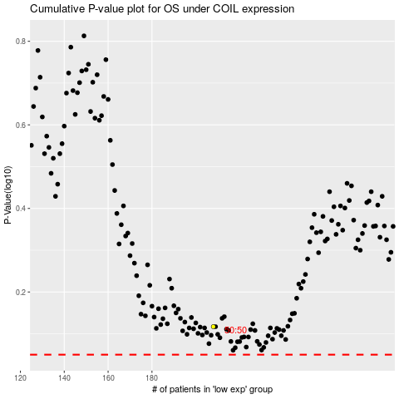

 |  |  |  |  |  | cases_OS | p_OS | rank | exp
 |  |  |  |  |  |  | cases_RFS | p_RFS | rank | exp

