COL10A1 _multivariate
Reported by Tex Li-Hsing Chi. tex@gate.sinica.edu.tw 2019-08-20

Table 2. The clinicopathological features of HNSCC cohort and COL10A1 expression. (Chi square test)
Cutoff at -0.311 (49.8%)
 |  | COL10A1 expression |  | COL10A1 expression |  | (Optimised)
 | Features | Low | (%) | High | (%) | Case no | P-value | Remark | Matthews
Gender | Female | 151 | 36.4 | 155 | 37.3 | 415 | 0.8007 | 0 | 0
2 | Male | 56 | 13.5 | 53 | 12.8
Age at diagnosis | <=65y | 142 | 34.2 | 132 | 31.8 | 415 | 0.3167 | 0 | 0
4 | >65y | 65 | 15.7 | 76 | 18.3
Clinical T Status | T1+T2 | 84 | 20.2 | 65 | 15.7 | 415 | 0.0603 | 0 | 0
6 | T3+T4 | 123 | 29.6 | 143 | 34.5
Clinical N Status | N0 | 115 | 27.7 | 101 | 24.3 | 415 | 0.184 | 1 | 0
8 | N1-3 | 92 | 22.2 | 107 | 25.8
Clinical M Status | M0 | 204 | 49.2 | 208 | 50.1 | 415 | 0.1232 | 0 | 0
10 | M1 | 3 | 0.7 | 0 | 0
Clinical Stage | Stage I+II | 55 | 13.3 | 47 | 11.3 | 415 | 0.4087 | 0 | 0
12 | Stage III+IV | 152 | 36.6 | 161 | 38.8
Surgical Margin status | Negative | 154 | 37.1 | 164 | 39.5 | 415 | 0.2984 | 0 | 0
14 | Positive | 53 | 12.8 | 44 | 10.6
Tobacco Exposure | Low | 92 | 22.2 | 69 | 16.6 | 415 | 0.0206 | 1 | 0
16 | High | 115 | 27.7 | 139 | 33.5

Table 3. Univariate/Multivariate Cox's proportional hazards regression analyses on OS time of COL10A1 gene expression in HNSCC

 |  | Univariate |  |  |  | Multivariate
 | Features | HR | CI95%(L) | CI95%(H) | P-value | HR | CI95%(L) | CI95%(H) | P-value
1 | Female | 1 |  |  |  | 1
Gender | Male | 1.157 | 0.843 | 1.587 | 0.367 | 1.204 | 0.862 | 1.682 | 0.275
11 | <=65y | 1 |  |  |  | 1
Age at diagnosis | >65y | 1.329 | 0.99 | 1.784 | 0.058 | 1.391 | 1.023 | 1.891 | 0.035
12 | T1+T2 | 1 |  |  |  | 1
Clinical T Status | T3+T4 | 1.409 | 1.028 | 1.931 | 0.033 | 2.173 | 1.145 | 4.123 | 0.018
13 | N0 | 1 |  |  |  | 1
Clinical N Status | N1-3 | 1.185 | 0.89 | 1.577 | 0.246 | 1.233 | 0.863 | 1.762 | 0.249
14 | M0 | 1 |  |  |  | 1
Clinical M Status | M1 | 4.097 | 1.009 | 16.644 | 0.049 | 9.629 | 2.091 | 44.338 | 0.004
15 | Stage I+II | 1 |  |  |  | 1
Clinical Stage | Stage III+IV | 1.245 | 0.882 | 1.759 | 0.213 | 0.51 | 0.237 | 1.096 | 0.085
16 | Negative | 1 |  |  |  | 1
Surgical Margin status | Positive | 1.591 | 1.155 | 2.191 | 0.004 | 1.677 | 1.213 | 2.318 | 0.002
17 | Low | 1 |  |  |  | 1
Tobacco Exposure | High | 1.364 | 1.008 | 1.844 | 0.044 | 1.447 | 1.05 | 1.995 | 0.024
18 | Low | 1 |  |  |  | 1
RNAseq(z-score) | High | 1.095 | 0.821 | 1.461 | 0.535 | 1.061 | 0.79 | 1.425 | 0.693

Table 4. Univariate/Multivariate Cox's proportional hazards regression analyses on RFS time of COL10A1 gene expression in HNSCC

 |  | Univariate |  |  |  | Multivariate
 | Features | HR | CI95%(L) | CI95%(H) | P-value | HR | CI95%(L) | CI95%(H) | P-value
1 | Female | 1 |  |  |  | 1
Gender | Male | 1.157 | 0.843 | 1.587 | 0.367 | 1.204 | 0.862 | 1.682 | 0.275
11 | <=65y | 1 |  |  |  | 1
Age at diagnosis | >65y | 1.329 | 0.99 | 1.784 | 0.058 | 1.391 | 1.023 | 1.891 | 0.035
12 | T1+T2 | 1 |  |  |  | 1
Clinical T Status | T3+T4 | 1.409 | 1.028 | 1.931 | 0.033 | 2.173 | 1.145 | 4.123 | 0.018
13 | N0 | 1 |  |  |  | 1
Clinical N Status | N1-3 | 1.185 | 0.89 | 1.577 | 0.246 | 1.233 | 0.863 | 1.762 | 0.249
14 | M0 | 1 |  |  |  | 1
Clinical M Status | M1 | 4.097 | 1.009 | 16.644 | 0.049 | 9.629 | 2.091 | 44.338 | 0.004
15 | Stage I+II | 1 |  |  |  | 1
Clinical Stage | Stage III+IV | 1.245 | 0.882 | 1.759 | 0.213 | 0.51 | 0.237 | 1.096 | 0.085
16 | Negative | 1 |  |  |  | 1
Surgical Margin status | Positive | 1.591 | 1.155 | 2.191 | 0.004 | 1.677 | 1.213 | 2.318 | 0.002
17 | Low | 1 |  |  |  | 1
Tobacco Exposure | High | 1.364 | 1.008 | 1.844 | 0.044 | 1.447 | 1.05 | 1.995 | 0.024
18 | Low | 1 |  |  |  | 1
RNAseq(z-score) | High | 1.095 | 0.821 | 1.461 | 0.535 | 1.061 | 0.79 | 1.425 | 0.693

Kaplan-Meier survival estimate: Cutoff at -0.311 (49.8%)



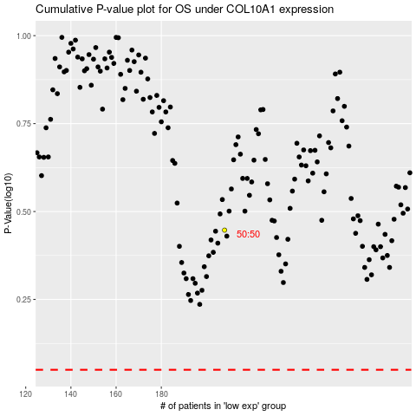

 |  |  |  |  |  | cases_OS | p_OS | rank | exp
 |  |  |  |  |  |  | cases_RFS | p_RFS | rank | exp

