COL11A1 _multivariate
Reported by Tex Li-Hsing Chi. tex@gate.sinica.edu.tw 2019-08-20

Table 2. The clinicopathological features of HNSCC cohort and COL11A1 expression. (Chi square test)
Cutoff at -0.329 (49.8%)
 |  | COL11A1 expression |  | COL11A1 expression |  | (Optimised)
 | Features | Low | (%) | High | (%) | Case no | P-value | Remark | Matthews
Gender | Female | 153 | 36.9 | 153 | 36.9 | 415 | 1 | 0 | 0
2 | Male | 54 | 13 | 55 | 13.3
Age at diagnosis | <=65y | 147 | 35.4 | 127 | 30.6 | 415 | 0.0416 | 1 | 0
4 | >65y | 60 | 14.5 | 81 | 19.5
Clinical T Status | T1+T2 | 87 | 21 | 62 | 14.9 | 415 | 0.0127 | 1 | 0
6 | T3+T4 | 120 | 28.9 | 146 | 35.2
Clinical N Status | N0 | 113 | 27.2 | 103 | 24.8 | 415 | 0.3495 | 1 | 0
8 | N1-3 | 94 | 22.7 | 105 | 25.3
Clinical M Status | M0 | 205 | 49.4 | 207 | 49.9 | 415 | 0.6232 | 0 | 0
10 | M1 | 2 | 0.5 | 1 | 0.2
Clinical Stage | Stage I+II | 56 | 13.5 | 46 | 11.1 | 415 | 0.2918 | 0 | 0
12 | Stage III+IV | 151 | 36.4 | 162 | 39
Surgical Margin status | Negative | 158 | 38.1 | 160 | 38.6 | 415 | 0.9081 | 0 | 0
14 | Positive | 49 | 11.8 | 48 | 11.6
Tobacco Exposure | Low | 93 | 22.4 | 68 | 16.4 | 415 | 0.0118 | 1 | 0
16 | High | 114 | 27.5 | 140 | 33.7

Table 3. Univariate/Multivariate Cox's proportional hazards regression analyses on OS time of COL11A1 gene expression in HNSCC

 |  | Univariate |  |  |  | Multivariate
 | Features | HR | CI95%(L) | CI95%(H) | P-value | HR | CI95%(L) | CI95%(H) | P-value
1 | Female | 1 |  |  |  | 1
Gender | Male | 1.157 | 0.843 | 1.587 | 0.367 | 1.2 | 0.859 | 1.675 | 0.285
11 | <=65y | 1 |  |  |  | 1
Age at diagnosis | >65y | 1.329 | 0.99 | 1.784 | 0.058 | 1.385 | 1.018 | 1.884 | 0.038
12 | T1+T2 | 1 |  |  |  | 1
Clinical T Status | T3+T4 | 1.409 | 1.028 | 1.931 | 0.033 | 2.153 | 1.131 | 4.097 | 0.019
13 | N0 | 1 |  |  |  | 1
Clinical N Status | N1-3 | 1.185 | 0.89 | 1.577 | 0.246 | 1.232 | 0.863 | 1.76 | 0.251
14 | M0 | 1 |  |  |  | 1
Clinical M Status | M1 | 4.097 | 1.009 | 16.644 | 0.049 | 9.461 | 2.064 | 43.367 | 0.004
15 | Stage I+II | 1 |  |  |  | 1
Clinical Stage | Stage III+IV | 1.245 | 0.882 | 1.759 | 0.213 | 0.515 | 0.239 | 1.111 | 0.091
16 | Negative | 1 |  |  |  | 1
Surgical Margin status | Positive | 1.591 | 1.155 | 2.191 | 0.004 | 1.674 | 1.212 | 2.313 | 0.002
17 | Low | 1 |  |  |  | 1
Tobacco Exposure | High | 1.364 | 1.008 | 1.844 | 0.044 | 1.441 | 1.044 | 1.989 | 0.026
18 | Low | 1 |  |  |  | 1
RNAseq(z-score) | High | 1.175 | 0.881 | 1.567 | 0.271 | 1.076 | 0.801 | 1.445 | 0.626

Table 4. Univariate/Multivariate Cox's proportional hazards regression analyses on RFS time of COL11A1 gene expression in HNSCC

 |  | Univariate |  |  |  | Multivariate
 | Features | HR | CI95%(L) | CI95%(H) | P-value | HR | CI95%(L) | CI95%(H) | P-value
1 | Female | 1 |  |  |  | 1
Gender | Male | 1.157 | 0.843 | 1.587 | 0.367 | 1.2 | 0.859 | 1.675 | 0.285
11 | <=65y | 1 |  |  |  | 1
Age at diagnosis | >65y | 1.329 | 0.99 | 1.784 | 0.058 | 1.385 | 1.018 | 1.884 | 0.038
12 | T1+T2 | 1 |  |  |  | 1
Clinical T Status | T3+T4 | 1.409 | 1.028 | 1.931 | 0.033 | 2.153 | 1.131 | 4.097 | 0.019
13 | N0 | 1 |  |  |  | 1
Clinical N Status | N1-3 | 1.185 | 0.89 | 1.577 | 0.246 | 1.232 | 0.863 | 1.76 | 0.251
14 | M0 | 1 |  |  |  | 1
Clinical M Status | M1 | 4.097 | 1.009 | 16.644 | 0.049 | 9.461 | 2.064 | 43.367 | 0.004
15 | Stage I+II | 1 |  |  |  | 1
Clinical Stage | Stage III+IV | 1.245 | 0.882 | 1.759 | 0.213 | 0.515 | 0.239 | 1.111 | 0.091
16 | Negative | 1 |  |  |  | 1
Surgical Margin status | Positive | 1.591 | 1.155 | 2.191 | 0.004 | 1.674 | 1.212 | 2.313 | 0.002
17 | Low | 1 |  |  |  | 1
Tobacco Exposure | High | 1.364 | 1.008 | 1.844 | 0.044 | 1.441 | 1.044 | 1.989 | 0.026
18 | Low | 1 |  |  |  | 1
RNAseq(z-score) | High | 1.175 | 0.881 | 1.567 | 0.271 | 1.076 | 0.801 | 1.445 | 0.626

Kaplan-Meier survival estimate: Cutoff at -0.329 (49.8%)



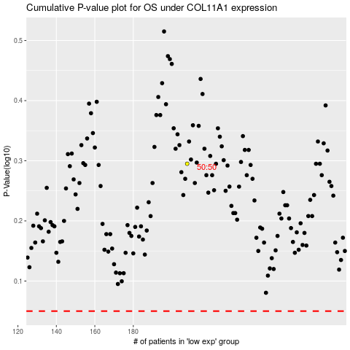

 |  |  |  |  |  | cases_OS | p_OS | rank | exp
 |  |  |  |  |  |  | cases_RFS | p_RFS | rank | exp

