COL12A1 _multivariate
Reported by Tex Li-Hsing Chi. tex@gate.sinica.edu.tw 2019-08-20

Table 2. The clinicopathological features of HNSCC cohort and COL12A1 expression. (Chi square test)
Cutoff at -0.185 (49.8%)
 |  | COL12A1 expression |  | COL12A1 expression |  | (Optimised)
 | Features | Low | (%) | High | (%) | Case no | P-value | Remark | Matthews
Gender | Female | 156 | 37.6 | 150 | 36.1 | 415 | 0.5222 | 0 | 0
2 | Male | 51 | 12.3 | 58 | 14
Age at diagnosis | <=65y | 144 | 34.7 | 130 | 31.3 | 415 | 0.1568 | 0 | 0
4 | >65y | 63 | 15.2 | 78 | 18.8
Clinical T Status | T1+T2 | 77 | 18.6 | 72 | 17.3 | 415 | 0.6556 | 0 | 0
6 | T3+T4 | 130 | 31.3 | 136 | 32.8
Clinical N Status | N0 | 105 | 25.3 | 111 | 26.7 | 415 | 0.6598 | 0 | 0
8 | N1-3 | 102 | 24.6 | 97 | 23.4
Clinical M Status | M0 | 204 | 49.2 | 208 | 50.1 | 415 | 0.1232 | 0 | 0
10 | M1 | 3 | 0.7 | 0 | 0
Clinical Stage | Stage I+II | 47 | 11.3 | 55 | 13.3 | 415 | 0.4413 | 0 | 0
12 | Stage III+IV | 160 | 38.6 | 153 | 36.9
Surgical Margin status | Negative | 156 | 37.6 | 162 | 39 | 415 | 0.5636 | 0 | 0
14 | Positive | 51 | 12.3 | 46 | 11.1
Tobacco Exposure | Low | 81 | 19.5 | 80 | 19.3 | 415 | 0.9199 | 0 | 0
16 | High | 126 | 30.4 | 128 | 30.8

Table 3. Univariate/Multivariate Cox's proportional hazards regression analyses on OS time of COL12A1 gene expression in HNSCC

 |  | Univariate |  |  |  | Multivariate
 | Features | HR | CI95%(L) | CI95%(H) | P-value | HR | CI95%(L) | CI95%(H) | P-value
1 | Female | 1 |  |  |  | 1
Gender | Male | 1.157 | 0.843 | 1.587 | 0.367 | 1.208 | 0.864 | 1.689 | 0.268
11 | <=65y | 1 |  |  |  | 1
Age at diagnosis | >65y | 1.329 | 0.99 | 1.784 | 0.058 | 1.399 | 1.029 | 1.902 | 0.032
12 | T1+T2 | 1 |  |  |  | 1
Clinical T Status | T3+T4 | 1.409 | 1.028 | 1.931 | 0.033 | 2.237 | 1.182 | 4.236 | 0.013
13 | N0 | 1 |  |  |  | 1
Clinical N Status | N1-3 | 1.185 | 0.89 | 1.577 | 0.246 | 1.241 | 0.87 | 1.771 | 0.234
14 | M0 | 1 |  |  |  | 1
Clinical M Status | M1 | 4.097 | 1.009 | 16.644 | 0.049 | 9.017 | 1.96 | 41.48 | 0.005
15 | Stage I+II | 1 |  |  |  | 1
Clinical Stage | Stage III+IV | 1.245 | 0.882 | 1.759 | 0.213 | 0.494 | 0.23 | 1.062 | 0.071
16 | Negative | 1 |  |  |  | 1
Surgical Margin status | Positive | 1.591 | 1.155 | 2.191 | 0.004 | 1.66 | 1.201 | 2.295 | 0.002
17 | Low | 1 |  |  |  | 1
Tobacco Exposure | High | 1.364 | 1.008 | 1.844 | 0.044 | 1.449 | 1.051 | 1.996 | 0.023
18 | Low | 1 |  |  |  | 1
RNAseq(z-score) | High | 0.882 | 0.662 | 1.174 | 0.388 | 0.89 | 0.666 | 1.19 | 0.433

Table 4. Univariate/Multivariate Cox's proportional hazards regression analyses on RFS time of COL12A1 gene expression in HNSCC

 |  | Univariate |  |  |  | Multivariate
 | Features | HR | CI95%(L) | CI95%(H) | P-value | HR | CI95%(L) | CI95%(H) | P-value
1 | Female | 1 |  |  |  | 1
Gender | Male | 1.157 | 0.843 | 1.587 | 0.367 | 1.208 | 0.864 | 1.689 | 0.268
11 | <=65y | 1 |  |  |  | 1
Age at diagnosis | >65y | 1.329 | 0.99 | 1.784 | 0.058 | 1.399 | 1.029 | 1.902 | 0.032
12 | T1+T2 | 1 |  |  |  | 1
Clinical T Status | T3+T4 | 1.409 | 1.028 | 1.931 | 0.033 | 2.237 | 1.182 | 4.236 | 0.013
13 | N0 | 1 |  |  |  | 1
Clinical N Status | N1-3 | 1.185 | 0.89 | 1.577 | 0.246 | 1.241 | 0.87 | 1.771 | 0.234
14 | M0 | 1 |  |  |  | 1
Clinical M Status | M1 | 4.097 | 1.009 | 16.644 | 0.049 | 9.017 | 1.96 | 41.48 | 0.005
15 | Stage I+II | 1 |  |  |  | 1
Clinical Stage | Stage III+IV | 1.245 | 0.882 | 1.759 | 0.213 | 0.494 | 0.23 | 1.062 | 0.071
16 | Negative | 1 |  |  |  | 1
Surgical Margin status | Positive | 1.591 | 1.155 | 2.191 | 0.004 | 1.66 | 1.201 | 2.295 | 0.002
17 | Low | 1 |  |  |  | 1
Tobacco Exposure | High | 1.364 | 1.008 | 1.844 | 0.044 | 1.449 | 1.051 | 1.996 | 0.023
18 | Low | 1 |  |  |  | 1
RNAseq(z-score) | High | 0.882 | 0.662 | 1.174 | 0.388 | 0.89 | 0.666 | 1.19 | 0.433

Kaplan-Meier survival estimate: Cutoff at -0.185 (49.8%)



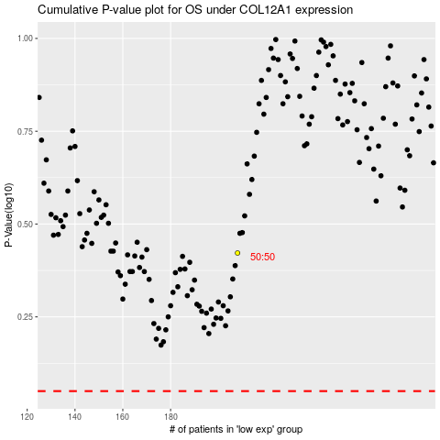

 |  |  |  |  |  | cases_OS | p_OS | rank | exp
 |  |  |  |  |  |  | cases_RFS | p_RFS | rank | exp

