COL16A1 _multivariate
Reported by Tex Li-Hsing Chi. tex@gate.sinica.edu.tw 2019-08-20

Table 2. The clinicopathological features of HNSCC cohort and COL16A1 expression. (Chi square test)
Cutoff at -0.113 (50.0%)
 |  | COL16A1 expression |  | COL16A1 expression |  | (Optimised)
 | Features | Low | (%) | High | (%) | Case no | P-value | Remark | Matthews
Gender | Female | 158 | 38.1 | 148 | 35.7 | 415 | 0.2774 | 0 | 0
2 | Male | 49 | 11.8 | 60 | 14.5
Age at diagnosis | <=65y | 132 | 31.8 | 142 | 34.2 | 415 | 0.3874 | 0 | 0
4 | >65y | 75 | 18.1 | 66 | 15.9
Clinical T Status | T1+T2 | 72 | 17.3 | 77 | 18.6 | 415 | 0.7095 | 0 | 0
6 | T3+T4 | 135 | 32.5 | 131 | 31.6
Clinical N Status | N0 | 110 | 26.5 | 106 | 25.5 | 415 | 0.7294 | 0 | 0
8 | N1-3 | 97 | 23.4 | 102 | 24.6
Clinical M Status | M0 | 205 | 49.4 | 207 | 49.9 | 415 | 0.6232 | 0 | 0
10 | M1 | 2 | 0.5 | 1 | 0.2
Clinical Stage | Stage I+II | 46 | 11.1 | 56 | 13.5 | 415 | 0.3182 | 0 | 0
12 | Stage III+IV | 161 | 38.8 | 152 | 36.6
Surgical Margin status | Negative | 161 | 38.8 | 157 | 37.8 | 415 | 0.6429 | 0 | 0
14 | Positive | 46 | 11.1 | 51 | 12.3
Tobacco Exposure | Low | 72 | 17.3 | 89 | 21.4 | 415 | 0.1071 | 0 | 0
16 | High | 135 | 32.5 | 119 | 28.7

Table 3. Univariate/Multivariate Cox's proportional hazards regression analyses on OS time of COL16A1 gene expression in HNSCC

 |  | Univariate |  |  |  | Multivariate
 | Features | HR | CI95%(L) | CI95%(H) | P-value | HR | CI95%(L) | CI95%(H) | P-value
1 | Female | 1 |  |  |  | 1
Gender | Male | 1.157 | 0.843 | 1.587 | 0.367 | 1.207 | 0.863 | 1.686 | 0.271
11 | <=65y | 1 |  |  |  | 1
Age at diagnosis | >65y | 1.329 | 0.99 | 1.784 | 0.058 | 1.388 | 1.022 | 1.885 | 0.036
12 | T1+T2 | 1 |  |  |  | 1
Clinical T Status | T3+T4 | 1.409 | 1.028 | 1.931 | 0.033 | 2.267 | 1.195 | 4.3 | 0.012
13 | N0 | 1 |  |  |  | 1
Clinical N Status | N1-3 | 1.185 | 0.89 | 1.577 | 0.246 | 1.262 | 0.883 | 1.804 | 0.201
14 | M0 | 1 |  |  |  | 1
Clinical M Status | M1 | 4.097 | 1.009 | 16.644 | 0.049 | 9.439 | 2.059 | 43.28 | 0.004
15 | Stage I+II | 1 |  |  |  | 1
Clinical Stage | Stage III+IV | 1.245 | 0.882 | 1.759 | 0.213 | 0.484 | 0.224 | 1.045 | 0.065
16 | Negative | 1 |  |  |  | 1
Surgical Margin status | Positive | 1.591 | 1.155 | 2.191 | 0.004 | 1.693 | 1.223 | 2.342 | 0.001
17 | Low | 1 |  |  |  | 1
Tobacco Exposure | High | 1.364 | 1.008 | 1.844 | 0.044 | 1.431 | 1.038 | 1.974 | 0.029
18 | Low | 1 |  |  |  | 1
RNAseq(z-score) | High | 0.899 | 0.674 | 1.198 | 0.467 | 0.872 | 0.651 | 1.168 | 0.358

Table 4. Univariate/Multivariate Cox's proportional hazards regression analyses on RFS time of COL16A1 gene expression in HNSCC

 |  | Univariate |  |  |  | Multivariate
 | Features | HR | CI95%(L) | CI95%(H) | P-value | HR | CI95%(L) | CI95%(H) | P-value
1 | Female | 1 |  |  |  | 1
Gender | Male | 1.157 | 0.843 | 1.587 | 0.367 | 1.207 | 0.863 | 1.686 | 0.271
11 | <=65y | 1 |  |  |  | 1
Age at diagnosis | >65y | 1.329 | 0.99 | 1.784 | 0.058 | 1.388 | 1.022 | 1.885 | 0.036
12 | T1+T2 | 1 |  |  |  | 1
Clinical T Status | T3+T4 | 1.409 | 1.028 | 1.931 | 0.033 | 2.267 | 1.195 | 4.3 | 0.012
13 | N0 | 1 |  |  |  | 1
Clinical N Status | N1-3 | 1.185 | 0.89 | 1.577 | 0.246 | 1.262 | 0.883 | 1.804 | 0.201
14 | M0 | 1 |  |  |  | 1
Clinical M Status | M1 | 4.097 | 1.009 | 16.644 | 0.049 | 9.439 | 2.059 | 43.28 | 0.004
15 | Stage I+II | 1 |  |  |  | 1
Clinical Stage | Stage III+IV | 1.245 | 0.882 | 1.759 | 0.213 | 0.484 | 0.224 | 1.045 | 0.065
16 | Negative | 1 |  |  |  | 1
Surgical Margin status | Positive | 1.591 | 1.155 | 2.191 | 0.004 | 1.693 | 1.223 | 2.342 | 0.001
17 | Low | 1 |  |  |  | 1
Tobacco Exposure | High | 1.364 | 1.008 | 1.844 | 0.044 | 1.431 | 1.038 | 1.974 | 0.029
18 | Low | 1 |  |  |  | 1
RNAseq(z-score) | High | 0.899 | 0.674 | 1.198 | 0.467 | 0.872 | 0.651 | 1.168 | 0.358

Kaplan-Meier survival estimate: Cutoff at -0.113 (50.0%)



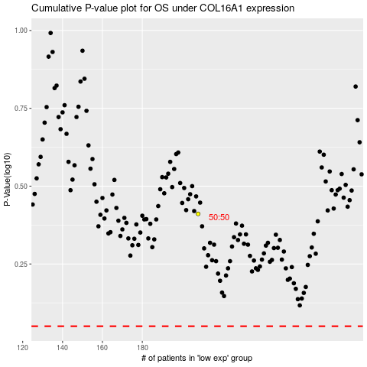

 |  |  |  |  |  | cases_OS | p_OS | rank | exp
 |  |  |  |  |  |  | cases_RFS | p_RFS | rank | exp

