COL17A1 _multivariate
Reported by Tex Li-Hsing Chi. tex@gate.sinica.edu.tw 2019-08-20

Table 2. The clinicopathological features of HNSCC cohort and COL17A1 expression. (Chi square test)
Cutoff at -0.226 (50.0%)
 |  | COL17A1 expression |  | COL17A1 expression |  | (Optimised)
 | Features | Low | (%) | High | (%) | Case no | P-value | Remark | Matthews
Gender | Female | 162 | 39 | 144 | 34.7 | 415 | 0.0479 | 1 | 0
2 | Male | 45 | 10.8 | 64 | 15.4
Age at diagnosis | <=65y | 133 | 32 | 141 | 34 | 415 | 0.5111 | 0 | 0
4 | >65y | 74 | 17.8 | 67 | 16.1
Clinical T Status | T1+T2 | 70 | 16.9 | 79 | 19 | 415 | 0.4343 | 0 | 0
6 | T3+T4 | 137 | 33 | 129 | 31.1
Clinical N Status | N0 | 109 | 26.3 | 107 | 25.8 | 415 | 0.8812 | 0 | 0
8 | N1-3 | 98 | 23.6 | 101 | 24.3
Clinical M Status | M0 | 206 | 49.6 | 206 | 49.6 | 415 | 1 | 0 | 0
10 | M1 | 1 | 0.2 | 2 | 0.5
Clinical Stage | Stage I+II | 43 | 10.4 | 59 | 14.2 | 415 | 0.0925 | 0 | 0
12 | Stage III+IV | 164 | 39.5 | 149 | 35.9
Surgical Margin status | Negative | 156 | 37.6 | 162 | 39 | 415 | 0.5636 | 0 | 0
14 | Positive | 51 | 12.3 | 46 | 11.1
Tobacco Exposure | Low | 69 | 16.6 | 92 | 22.2 | 415 | 0.0266 | 1 | 0
16 | High | 138 | 33.3 | 116 | 28

Table 3. Univariate/Multivariate Cox's proportional hazards regression analyses on OS time of COL17A1 gene expression in HNSCC

 |  | Univariate |  |  |  | Multivariate
 | Features | HR | CI95%(L) | CI95%(H) | P-value | HR | CI95%(L) | CI95%(H) | P-value
1 | Female | 1 |  |  |  | 1
Gender | Male | 1.157 | 0.843 | 1.587 | 0.367 | 1.194 | 0.854 | 1.671 | 0.3
11 | <=65y | 1 |  |  |  | 1
Age at diagnosis | >65y | 1.329 | 0.99 | 1.784 | 0.058 | 1.397 | 1.027 | 1.9 | 0.033
12 | T1+T2 | 1 |  |  |  | 1
Clinical T Status | T3+T4 | 1.409 | 1.028 | 1.931 | 0.033 | 2.191 | 1.158 | 4.145 | 0.016
13 | N0 | 1 |  |  |  | 1
Clinical N Status | N1-3 | 1.185 | 0.89 | 1.577 | 0.246 | 1.235 | 0.865 | 1.764 | 0.244
14 | M0 | 1 |  |  |  | 1
Clinical M Status | M1 | 4.097 | 1.009 | 16.644 | 0.049 | 9.192 | 1.997 | 42.319 | 0.004
15 | Stage I+II | 1 |  |  |  | 1
Clinical Stage | Stage III+IV | 1.245 | 0.882 | 1.759 | 0.213 | 0.513 | 0.238 | 1.106 | 0.089
16 | Negative | 1 |  |  |  | 1
Surgical Margin status | Positive | 1.591 | 1.155 | 2.191 | 0.004 | 1.674 | 1.211 | 2.313 | 0.002
17 | Low | 1 |  |  |  | 1
Tobacco Exposure | High | 1.364 | 1.008 | 1.844 | 0.044 | 1.457 | 1.057 | 2.009 | 0.021
18 | Low | 1 |  |  |  | 1
RNAseq(z-score) | High | 1.041 | 0.782 | 1.386 | 0.784 | 1.06 | 0.79 | 1.421 | 0.697

Table 4. Univariate/Multivariate Cox's proportional hazards regression analyses on RFS time of COL17A1 gene expression in HNSCC

 |  | Univariate |  |  |  | Multivariate
 | Features | HR | CI95%(L) | CI95%(H) | P-value | HR | CI95%(L) | CI95%(H) | P-value
1 | Female | 1 |  |  |  | 1
Gender | Male | 1.157 | 0.843 | 1.587 | 0.367 | 1.194 | 0.854 | 1.671 | 0.3
11 | <=65y | 1 |  |  |  | 1
Age at diagnosis | >65y | 1.329 | 0.99 | 1.784 | 0.058 | 1.397 | 1.027 | 1.9 | 0.033
12 | T1+T2 | 1 |  |  |  | 1
Clinical T Status | T3+T4 | 1.409 | 1.028 | 1.931 | 0.033 | 2.191 | 1.158 | 4.145 | 0.016
13 | N0 | 1 |  |  |  | 1
Clinical N Status | N1-3 | 1.185 | 0.89 | 1.577 | 0.246 | 1.235 | 0.865 | 1.764 | 0.244
14 | M0 | 1 |  |  |  | 1
Clinical M Status | M1 | 4.097 | 1.009 | 16.644 | 0.049 | 9.192 | 1.997 | 42.319 | 0.004
15 | Stage I+II | 1 |  |  |  | 1
Clinical Stage | Stage III+IV | 1.245 | 0.882 | 1.759 | 0.213 | 0.513 | 0.238 | 1.106 | 0.089
16 | Negative | 1 |  |  |  | 1
Surgical Margin status | Positive | 1.591 | 1.155 | 2.191 | 0.004 | 1.674 | 1.211 | 2.313 | 0.002
17 | Low | 1 |  |  |  | 1
Tobacco Exposure | High | 1.364 | 1.008 | 1.844 | 0.044 | 1.457 | 1.057 | 2.009 | 0.021
18 | Low | 1 |  |  |  | 1
RNAseq(z-score) | High | 1.041 | 0.782 | 1.386 | 0.784 | 1.06 | 0.79 | 1.421 | 0.697

Kaplan-Meier survival estimate: Cutoff at -0.226 (50.0%)



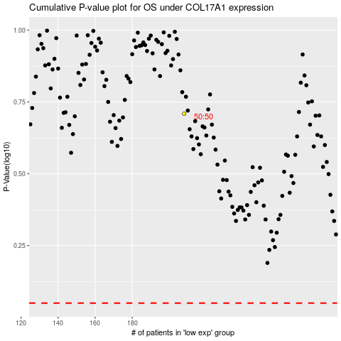

 |  |  |  |  |  | cases_OS | p_OS | rank | exp
 |  |  |  |  |  |  | cases_RFS | p_RFS | rank | exp

