COL19A1 _multivariate
Reported by Tex Li-Hsing Chi. tex@gate.sinica.edu.tw 2019-08-20

Table 2. The clinicopathological features of HNSCC cohort and COL19A1 expression. (Chi square test)
Cutoff at -0.214 (44.9%)
 |  | COL19A1 expression |  | COL19A1 expression |  | (Optimised)
 | Features | Low | (%) | High | (%) | Case no | P-value | Remark | Matthews
Gender | Female | 137 | 33 | 169 | 40.7 | 415 | 1 | 0 | 0
2 | Male | 49 | 11.8 | 60 | 14.5
Age at diagnosis | <=65y | 115 | 27.7 | 159 | 38.3 | 415 | 0.1279 | 0 | 0
4 | >65y | 71 | 17.1 | 70 | 16.9
Clinical T Status | T1+T2 | 52 | 12.5 | 97 | 23.4 | 415 | 0.0033 | 1 | 0
6 | T3+T4 | 134 | 32.3 | 132 | 31.8
Clinical N Status | N0 | 106 | 25.5 | 110 | 26.5 | 415 | 0.086 | 0 | 0
8 | N1-3 | 80 | 19.3 | 119 | 28.7
Clinical M Status | M0 | 183 | 44.1 | 229 | 55.2 | 415 | 0.0892 | 0 | 0
10 | M1 | 3 | 0.7 | 0 | 0
Clinical Stage | Stage I+II | 40 | 9.6 | 62 | 14.9 | 415 | 0.2318 | 0 | 0
12 | Stage III+IV | 146 | 35.2 | 167 | 40.2
Surgical Margin status | Negative | 138 | 33.3 | 180 | 43.4 | 415 | 0.2966 | 0 | 0
14 | Positive | 48 | 11.6 | 49 | 11.8
Tobacco Exposure | Low | 84 | 20.2 | 77 | 18.6 | 415 | 0.0198 | 1 | 0
16 | High | 102 | 24.6 | 152 | 36.6

Table 3. Univariate/Multivariate Cox's proportional hazards regression analyses on OS time of COL19A1 gene expression in HNSCC

 |  | Univariate |  |  |  | Multivariate
 | Features | HR | CI95%(L) | CI95%(H) | P-value | HR | CI95%(L) | CI95%(H) | P-value
1 | Female | 1 |  |  |  | 1
Gender | Male | 1.157 | 0.843 | 1.587 | 0.367 | 1.208 | 0.864 | 1.689 | 0.269
11 | <=65y | 1 |  |  |  | 1
Age at diagnosis | >65y | 1.329 | 0.99 | 1.784 | 0.058 | 1.363 | 1.002 | 1.853 | 0.049
12 | T1+T2 | 1 |  |  |  | 1
Clinical T Status | T3+T4 | 1.409 | 1.028 | 1.931 | 0.033 | 2.086 | 1.101 | 3.953 | 0.024
13 | N0 | 1 |  |  |  | 1
Clinical N Status | N1-3 | 1.185 | 0.89 | 1.577 | 0.246 | 1.274 | 0.893 | 1.818 | 0.182
14 | M0 | 1 |  |  |  | 1
Clinical M Status | M1 | 4.097 | 1.009 | 16.644 | 0.049 | 7.732 | 1.664 | 35.925 | 0.009
15 | Stage I+II | 1 |  |  |  | 1
Clinical Stage | Stage III+IV | 1.245 | 0.882 | 1.759 | 0.213 | 0.512 | 0.239 | 1.098 | 0.085
16 | Negative | 1 |  |  |  | 1
Surgical Margin status | Positive | 1.591 | 1.155 | 2.191 | 0.004 | 1.649 | 1.192 | 2.28 | 0.002
17 | Low | 1 |  |  |  | 1
Tobacco Exposure | High | 1.364 | 1.008 | 1.844 | 0.044 | 1.521 | 1.098 | 2.108 | 0.012
18 | Low | 1 |  |  |  | 1
RNAseq(z-score) | High | 0.73 | 0.548 | 0.972 | 0.031 | 0.758 | 0.563 | 1.019 | 0.067

Table 4. Univariate/Multivariate Cox's proportional hazards regression analyses on RFS time of COL19A1 gene expression in HNSCC

 |  | Univariate |  |  |  | Multivariate
 | Features | HR | CI95%(L) | CI95%(H) | P-value | HR | CI95%(L) | CI95%(H) | P-value
1 | Female | 1 |  |  |  | 1
Gender | Male | 1.157 | 0.843 | 1.587 | 0.367 | 1.208 | 0.864 | 1.689 | 0.269
11 | <=65y | 1 |  |  |  | 1
Age at diagnosis | >65y | 1.329 | 0.99 | 1.784 | 0.058 | 1.363 | 1.002 | 1.853 | 0.049
12 | T1+T2 | 1 |  |  |  | 1
Clinical T Status | T3+T4 | 1.409 | 1.028 | 1.931 | 0.033 | 2.086 | 1.101 | 3.953 | 0.024
13 | N0 | 1 |  |  |  | 1
Clinical N Status | N1-3 | 1.185 | 0.89 | 1.577 | 0.246 | 1.274 | 0.893 | 1.818 | 0.182
14 | M0 | 1 |  |  |  | 1
Clinical M Status | M1 | 4.097 | 1.009 | 16.644 | 0.049 | 7.732 | 1.664 | 35.925 | 0.009
15 | Stage I+II | 1 |  |  |  | 1
Clinical Stage | Stage III+IV | 1.245 | 0.882 | 1.759 | 0.213 | 0.512 | 0.239 | 1.098 | 0.085
16 | Negative | 1 |  |  |  | 1
Surgical Margin status | Positive | 1.591 | 1.155 | 2.191 | 0.004 | 1.649 | 1.192 | 2.28 | 0.002
17 | Low | 1 |  |  |  | 1
Tobacco Exposure | High | 1.364 | 1.008 | 1.844 | 0.044 | 1.521 | 1.098 | 2.108 | 0.012
18 | Low | 1 |  |  |  | 1
RNAseq(z-score) | High | 0.73 | 0.548 | 0.972 | 0.031 | 0.758 | 0.563 | 1.019 | 0.067

Kaplan-Meier survival estimate: Cutoff at -0.214 (44.9%)

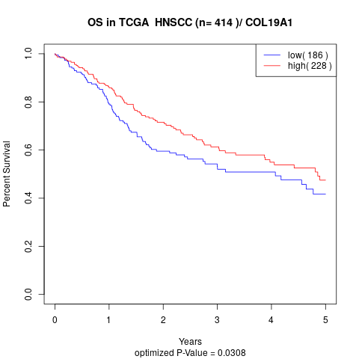

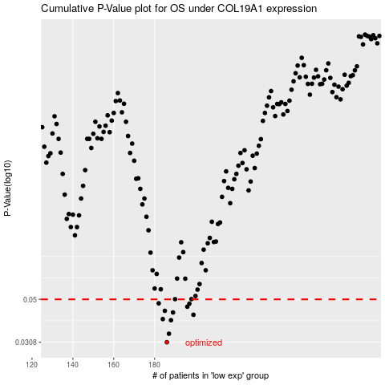

 |  |  |  |  |  | cases_OS | p_OS | rank | exp
 |  |  |  |  |  | 186 | 0.0308 | 348 | -0.21440532453
 |  |  |  |  |  | 187 | 0.0339 | 305 | -0.21436109161
 |  |  |  |  |  | 188 | 0.0395 | 318 | -0.2143356812
 |  |  |  |  |  | 184 | 0.04 | 22 | -0.21465566404
 |  |  |  |  |  | 199 | 0.042 | 169 | -0.21257577559
 |  |  |  |  |  | 189 | 0.0431 | 171 | -0.21403075638
 |  |  |  |  |  | 185 | 0.0439 | 241 | -0.21444296957
 |  |  |  |  |  | 196 | 0.046 | 391 | -0.21290234631
 |  |  |  |  |  | 197 | 0.0476 | 81 | -0.21276305966
 |  |  |  |  |  | 182 | 0.0478 | 39 | -0.21469048571
 |  |  |  |  |  |  | cases_RFS | p_RFS | rank | exp
 |  |  |  |  |  |  | 185 | 0.0308 | 241 | -0.21444296957
 |  |  |  |  |  |  | 186 | 0.0339 | 348 | -0.21440532453
 |  |  |  |  |  |  | 187 | 0.0395 | 305 | -0.21436109161
 |  |  |  |  |  |  | 183 | 0.04 | 155 | -0.21467260431
 |  |  |  |  |  |  | 198 | 0.042 | 209 | -0.21263224315
 |  |  |  |  |  |  | 188 | 0.0431 | 318 | -0.2143356812
 |  |  |  |  |  |  | 184 | 0.0439 | 22 | -0.21465566404
 |  |  |  |  |  |  | 195 | 0.046 | 224 | -0.21294940261
 |  |  |  |  |  |  | 196 | 0.0476 | 391 | -0.21290234631
 |  |  |  |  |  |  | 181 | 0.0478 | 370 | -0.21487400528

