COL1A2 _multivariate
Reported by Tex Li-Hsing Chi. tex@gate.sinica.edu.tw 2019-08-20

Table 2. The clinicopathological features of HNSCC cohort and COL1A2 expression. (Chi square test)
Cutoff at -0.253 (49.8%)
 |  | COL1A2 expression |  | COL1A2 expression |  | (Optimised)
 | Features | Low | (%) | High | (%) | Case no | P-value | Remark | Matthews
Gender | Female | 156 | 37.6 | 150 | 36.1 | 415 | 0.5222 | 0 | 0
2 | Male | 51 | 12.3 | 58 | 14
Age at diagnosis | <=65y | 142 | 34.2 | 132 | 31.8 | 415 | 0.3167 | 0 | 0
4 | >65y | 65 | 15.7 | 76 | 18.3
Clinical T Status | T1+T2 | 78 | 18.8 | 71 | 17.1 | 415 | 0.5152 | 0 | 0
6 | T3+T4 | 129 | 31.1 | 137 | 33
Clinical N Status | N0 | 106 | 25.5 | 110 | 26.5 | 415 | 0.8075 | 0 | 0
8 | N1-3 | 101 | 24.3 | 98 | 23.6
Clinical M Status | M0 | 204 | 49.2 | 208 | 50.1 | 415 | 0.1232 | 0 | 0
10 | M1 | 3 | 0.7 | 0 | 0
Clinical Stage | Stage I+II | 47 | 11.3 | 55 | 13.3 | 415 | 0.4413 | 0 | 0
12 | Stage III+IV | 160 | 38.6 | 153 | 36.9
Surgical Margin status | Negative | 155 | 37.3 | 163 | 39.3 | 415 | 0.4187 | 0 | 0
14 | Positive | 52 | 12.5 | 45 | 10.8
Tobacco Exposure | Low | 84 | 20.2 | 77 | 18.6 | 415 | 0.4816 | 0 | 0
16 | High | 123 | 29.6 | 131 | 31.6

Table 3. Univariate/Multivariate Cox's proportional hazards regression analyses on OS time of COL1A2 gene expression in HNSCC

 |  | Univariate |  |  |  | Multivariate
 | Features | HR | CI95%(L) | CI95%(H) | P-value | HR | CI95%(L) | CI95%(H) | P-value
1 | Female | 1 |  |  |  | 1
Gender | Male | 1.157 | 0.843 | 1.587 | 0.367 | 1.201 | 0.86 | 1.677 | 0.283
11 | <=65y | 1 |  |  |  | 1
Age at diagnosis | >65y | 1.329 | 0.99 | 1.784 | 0.058 | 1.392 | 1.024 | 1.892 | 0.035
12 | T1+T2 | 1 |  |  |  | 1
Clinical T Status | T3+T4 | 1.409 | 1.028 | 1.931 | 0.033 | 2.185 | 1.151 | 4.149 | 0.017
13 | N0 | 1 |  |  |  | 1
Clinical N Status | N1-3 | 1.185 | 0.89 | 1.577 | 0.246 | 1.239 | 0.868 | 1.768 | 0.239
14 | M0 | 1 |  |  |  | 1
Clinical M Status | M1 | 4.097 | 1.009 | 16.644 | 0.049 | 9.495 | 2.066 | 43.633 | 0.004
15 | Stage I+II | 1 |  |  |  | 1
Clinical Stage | Stage III+IV | 1.245 | 0.882 | 1.759 | 0.213 | 0.509 | 0.236 | 1.098 | 0.085
16 | Negative | 1 |  |  |  | 1
Surgical Margin status | Positive | 1.591 | 1.155 | 2.191 | 0.004 | 1.674 | 1.211 | 2.313 | 0.002
17 | Low | 1 |  |  |  | 1
Tobacco Exposure | High | 1.364 | 1.008 | 1.844 | 0.044 | 1.451 | 1.053 | 1.999 | 0.023
18 | Low | 1 |  |  |  | 1
RNAseq(z-score) | High | 1.041 | 0.782 | 1.386 | 0.784 | 1.031 | 0.771 | 1.38 | 0.837

Table 4. Univariate/Multivariate Cox's proportional hazards regression analyses on RFS time of COL1A2 gene expression in HNSCC

 |  | Univariate |  |  |  | Multivariate
 | Features | HR | CI95%(L) | CI95%(H) | P-value | HR | CI95%(L) | CI95%(H) | P-value
1 | Female | 1 |  |  |  | 1
Gender | Male | 1.157 | 0.843 | 1.587 | 0.367 | 1.201 | 0.86 | 1.677 | 0.283
11 | <=65y | 1 |  |  |  | 1
Age at diagnosis | >65y | 1.329 | 0.99 | 1.784 | 0.058 | 1.392 | 1.024 | 1.892 | 0.035
12 | T1+T2 | 1 |  |  |  | 1
Clinical T Status | T3+T4 | 1.409 | 1.028 | 1.931 | 0.033 | 2.185 | 1.151 | 4.149 | 0.017
13 | N0 | 1 |  |  |  | 1
Clinical N Status | N1-3 | 1.185 | 0.89 | 1.577 | 0.246 | 1.239 | 0.868 | 1.768 | 0.239
14 | M0 | 1 |  |  |  | 1
Clinical M Status | M1 | 4.097 | 1.009 | 16.644 | 0.049 | 9.495 | 2.066 | 43.633 | 0.004
15 | Stage I+II | 1 |  |  |  | 1
Clinical Stage | Stage III+IV | 1.245 | 0.882 | 1.759 | 0.213 | 0.509 | 0.236 | 1.098 | 0.085
16 | Negative | 1 |  |  |  | 1
Surgical Margin status | Positive | 1.591 | 1.155 | 2.191 | 0.004 | 1.674 | 1.211 | 2.313 | 0.002
17 | Low | 1 |  |  |  | 1
Tobacco Exposure | High | 1.364 | 1.008 | 1.844 | 0.044 | 1.451 | 1.053 | 1.999 | 0.023
18 | Low | 1 |  |  |  | 1
RNAseq(z-score) | High | 1.041 | 0.782 | 1.386 | 0.784 | 1.031 | 0.771 | 1.38 | 0.837

Kaplan-Meier survival estimate: Cutoff at -0.253 (49.8%)

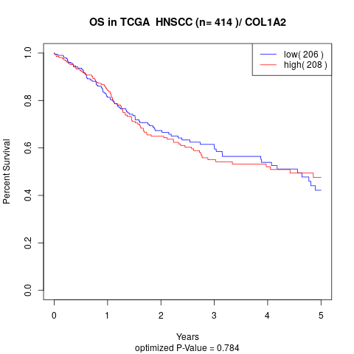

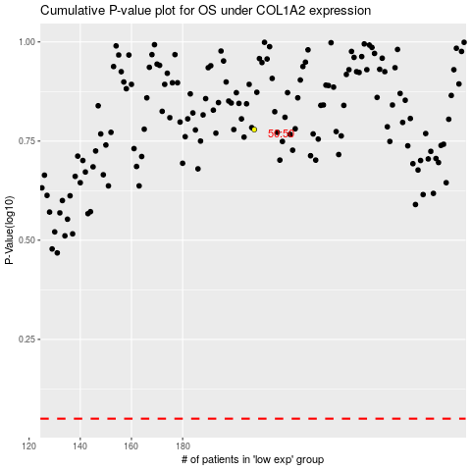

 |  |  |  |  |  | cases_OS | p_OS | rank | exp
 |  |  |  |  |  |  | cases_RFS | p_RFS | rank | exp

