COL25A1 _multivariate
Reported by Tex Li-Hsing Chi. tex@gate.sinica.edu.tw 2019-08-20

Table 2. The clinicopathological features of HNSCC cohort and COL25A1 expression. (Chi square test)
Cutoff at -0.234 (50.0%)
 |  | COL25A1 expression |  | COL25A1 expression |  | (Optimised)
 | Features | Low | (%) | High | (%) | Case no | P-value | Remark | Matthews
Gender | Female | 155 | 37.3 | 151 | 36.4 | 415 | 0.6768 | 0 | 0
2 | Male | 52 | 12.5 | 57 | 13.7
Age at diagnosis | <=65y | 133 | 32 | 141 | 34 | 415 | 0.5111 | 0 | 0
4 | >65y | 74 | 17.8 | 67 | 16.1
Clinical T Status | T1+T2 | 65 | 15.7 | 84 | 20.2 | 415 | 0.0711 | 0 | 0
6 | T3+T4 | 142 | 34.2 | 124 | 29.9
Clinical N Status | N0 | 115 | 27.7 | 101 | 24.3 | 415 | 0.184 | 1 | 0
8 | N1-3 | 92 | 22.2 | 107 | 25.8
Clinical M Status | M0 | 204 | 49.2 | 208 | 50.1 | 415 | 0.1232 | 0 | 0
10 | M1 | 3 | 0.7 | 0 | 0
Clinical Stage | Stage I+II | 48 | 11.6 | 54 | 13 | 415 | 0.5878 | 0 | 0
12 | Stage III+IV | 159 | 38.3 | 154 | 37.1
Surgical Margin status | Negative | 158 | 38.1 | 160 | 38.6 | 415 | 0.9081 | 0 | 0
14 | Positive | 49 | 11.8 | 48 | 11.6
Tobacco Exposure | Low | 82 | 19.8 | 79 | 19 | 415 | 0.763 | 0 | 0
16 | High | 125 | 30.1 | 129 | 31.1

Table 3. Univariate/Multivariate Cox's proportional hazards regression analyses on OS time of COL25A1 gene expression in HNSCC

 |  | Univariate |  |  |  | Multivariate
 | Features | HR | CI95%(L) | CI95%(H) | P-value | HR | CI95%(L) | CI95%(H) | P-value
1 | Female | 1 |  |  |  | 1
Gender | Male | 1.157 | 0.843 | 1.587 | 0.367 | 1.205 | 0.863 | 1.682 | 0.274
11 | <=65y | 1 |  |  |  | 1
Age at diagnosis | >65y | 1.329 | 0.99 | 1.784 | 0.058 | 1.406 | 1.033 | 1.914 | 0.03
12 | T1+T2 | 1 |  |  |  | 1
Clinical T Status | T3+T4 | 1.409 | 1.028 | 1.931 | 0.033 | 2.261 | 1.193 | 4.282 | 0.012
13 | N0 | 1 |  |  |  | 1
Clinical N Status | N1-3 | 1.185 | 0.89 | 1.577 | 0.246 | 1.228 | 0.86 | 1.754 | 0.258
14 | M0 | 1 |  |  |  | 1
Clinical M Status | M1 | 4.097 | 1.009 | 16.644 | 0.049 | 10.594 | 2.279 | 49.236 | 0.003
15 | Stage I+II | 1 |  |  |  | 1
Clinical Stage | Stage III+IV | 1.245 | 0.882 | 1.759 | 0.213 | 0.497 | 0.232 | 1.068 | 0.073
16 | Negative | 1 |  |  |  | 1
Surgical Margin status | Positive | 1.591 | 1.155 | 2.191 | 0.004 | 1.679 | 1.215 | 2.321 | 0.002
17 | Low | 1 |  |  |  | 1
Tobacco Exposure | High | 1.364 | 1.008 | 1.844 | 0.044 | 1.463 | 1.062 | 2.017 | 0.02
18 | Low | 1 |  |  |  | 1
RNAseq(z-score) | High | 1.099 | 0.826 | 1.464 | 0.516 | 1.189 | 0.889 | 1.589 | 0.243

Table 4. Univariate/Multivariate Cox's proportional hazards regression analyses on RFS time of COL25A1 gene expression in HNSCC

 |  | Univariate |  |  |  | Multivariate
 | Features | HR | CI95%(L) | CI95%(H) | P-value | HR | CI95%(L) | CI95%(H) | P-value
1 | Female | 1 |  |  |  | 1
Gender | Male | 1.157 | 0.843 | 1.587 | 0.367 | 1.205 | 0.863 | 1.682 | 0.274
11 | <=65y | 1 |  |  |  | 1
Age at diagnosis | >65y | 1.329 | 0.99 | 1.784 | 0.058 | 1.406 | 1.033 | 1.914 | 0.03
12 | T1+T2 | 1 |  |  |  | 1
Clinical T Status | T3+T4 | 1.409 | 1.028 | 1.931 | 0.033 | 2.261 | 1.193 | 4.282 | 0.012
13 | N0 | 1 |  |  |  | 1
Clinical N Status | N1-3 | 1.185 | 0.89 | 1.577 | 0.246 | 1.228 | 0.86 | 1.754 | 0.258
14 | M0 | 1 |  |  |  | 1
Clinical M Status | M1 | 4.097 | 1.009 | 16.644 | 0.049 | 10.594 | 2.279 | 49.236 | 0.003
15 | Stage I+II | 1 |  |  |  | 1
Clinical Stage | Stage III+IV | 1.245 | 0.882 | 1.759 | 0.213 | 0.497 | 0.232 | 1.068 | 0.073
16 | Negative | 1 |  |  |  | 1
Surgical Margin status | Positive | 1.591 | 1.155 | 2.191 | 0.004 | 1.679 | 1.215 | 2.321 | 0.002
17 | Low | 1 |  |  |  | 1
Tobacco Exposure | High | 1.364 | 1.008 | 1.844 | 0.044 | 1.463 | 1.062 | 2.017 | 0.02
18 | Low | 1 |  |  |  | 1
RNAseq(z-score) | High | 1.099 | 0.826 | 1.464 | 0.516 | 1.189 | 0.889 | 1.589 | 0.243

Kaplan-Meier survival estimate: Cutoff at -0.234 (50.0%)



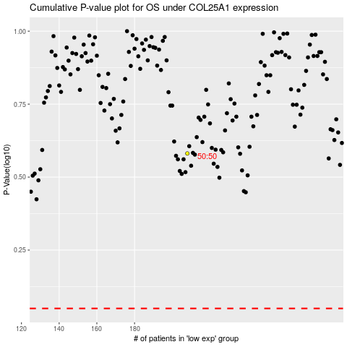

 |  |  |  |  |  | cases_OS | p_OS | rank | exp
 |  |  |  |  |  |  | cases_RFS | p_RFS | rank | exp

