COL28A1 _multivariate
Reported by Tex Li-Hsing Chi. tex@gate.sinica.edu.tw 2019-08-20

Table 2. The clinicopathological features of HNSCC cohort and COL28A1 expression. (Chi square test)
Cutoff at -0.37 (49.8%)
 |  | COL28A1 expression |  | COL28A1 expression |  | (Optimised)
 | Features | Low | (%) | High | (%) | Case no | P-value | Remark | Matthews
Gender | Female | 158 | 38.1 | 148 | 35.7 | 415 | 0.2774 | 0 | 0
2 | Male | 49 | 11.8 | 60 | 14.5
Age at diagnosis | <=65y | 146 | 35.2 | 128 | 30.8 | 415 | 0.0672 | 0 | 0
4 | >65y | 61 | 14.7 | 80 | 19.3
Clinical T Status | T1+T2 | 88 | 21.2 | 61 | 14.7 | 415 | 0.007 | 1 | 0
6 | T3+T4 | 119 | 28.7 | 147 | 35.4
Clinical N Status | N0 | 95 | 22.9 | 121 | 29.2 | 415 | 0.0162 | 1 | 0
8 | N1-3 | 112 | 27 | 87 | 21
Clinical M Status | M0 | 206 | 49.6 | 206 | 49.6 | 415 | 1 | 0 | 0
10 | M1 | 1 | 0.2 | 2 | 0.5
Clinical Stage | Stage I+II | 52 | 12.5 | 50 | 12 | 415 | 0.8871 | 0 | 0
12 | Stage III+IV | 155 | 37.3 | 158 | 38.1
Surgical Margin status | Negative | 158 | 38.1 | 160 | 38.6 | 415 | 0.9081 | 0 | 0
14 | Positive | 49 | 11.8 | 48 | 11.6
Tobacco Exposure | Low | 82 | 19.8 | 79 | 19 | 415 | 0.763 | 0 | 0
16 | High | 125 | 30.1 | 129 | 31.1

Table 3. Univariate/Multivariate Cox's proportional hazards regression analyses on OS time of COL28A1 gene expression in HNSCC

 |  | Univariate |  |  |  | Multivariate
 | Features | HR | CI95%(L) | CI95%(H) | P-value | HR | CI95%(L) | CI95%(H) | P-value
1 | Female | 1 |  |  |  | 1
Gender | Male | 1.157 | 0.843 | 1.587 | 0.367 | 1.188 | 0.851 | 1.66 | 0.312
11 | <=65y | 1 |  |  |  | 1
Age at diagnosis | >65y | 1.329 | 0.99 | 1.784 | 0.058 | 1.381 | 1.016 | 1.877 | 0.04
12 | T1+T2 | 1 |  |  |  | 1
Clinical T Status | T3+T4 | 1.409 | 1.028 | 1.931 | 0.033 | 2.054 | 1.079 | 3.91 | 0.028
13 | N0 | 1 |  |  |  | 1
Clinical N Status | N1-3 | 1.185 | 0.89 | 1.577 | 0.246 | 1.287 | 0.898 | 1.842 | 0.169
14 | M0 | 1 |  |  |  | 1
Clinical M Status | M1 | 4.097 | 1.009 | 16.644 | 0.049 | 8.501 | 1.844 | 39.192 | 0.006
15 | Stage I+II | 1 |  |  |  | 1
Clinical Stage | Stage III+IV | 1.245 | 0.882 | 1.759 | 0.213 | 0.519 | 0.242 | 1.116 | 0.093
16 | Negative | 1 |  |  |  | 1
Surgical Margin status | Positive | 1.591 | 1.155 | 2.191 | 0.004 | 1.679 | 1.215 | 2.321 | 0.002
17 | Low | 1 |  |  |  | 1
Tobacco Exposure | High | 1.364 | 1.008 | 1.844 | 0.044 | 1.455 | 1.057 | 2.005 | 0.022
18 | Low | 1 |  |  |  | 1
RNAseq(z-score) | High | 1.303 | 0.977 | 1.737 | 0.071 | 1.253 | 0.931 | 1.685 | 0.136

Table 4. Univariate/Multivariate Cox's proportional hazards regression analyses on RFS time of COL28A1 gene expression in HNSCC

 |  | Univariate |  |  |  | Multivariate
 | Features | HR | CI95%(L) | CI95%(H) | P-value | HR | CI95%(L) | CI95%(H) | P-value
1 | Female | 1 |  |  |  | 1
Gender | Male | 1.157 | 0.843 | 1.587 | 0.367 | 1.188 | 0.851 | 1.66 | 0.312
11 | <=65y | 1 |  |  |  | 1
Age at diagnosis | >65y | 1.329 | 0.99 | 1.784 | 0.058 | 1.381 | 1.016 | 1.877 | 0.04
12 | T1+T2 | 1 |  |  |  | 1
Clinical T Status | T3+T4 | 1.409 | 1.028 | 1.931 | 0.033 | 2.054 | 1.079 | 3.91 | 0.028
13 | N0 | 1 |  |  |  | 1
Clinical N Status | N1-3 | 1.185 | 0.89 | 1.577 | 0.246 | 1.287 | 0.898 | 1.842 | 0.169
14 | M0 | 1 |  |  |  | 1
Clinical M Status | M1 | 4.097 | 1.009 | 16.644 | 0.049 | 8.501 | 1.844 | 39.192 | 0.006
15 | Stage I+II | 1 |  |  |  | 1
Clinical Stage | Stage III+IV | 1.245 | 0.882 | 1.759 | 0.213 | 0.519 | 0.242 | 1.116 | 0.093
16 | Negative | 1 |  |  |  | 1
Surgical Margin status | Positive | 1.591 | 1.155 | 2.191 | 0.004 | 1.679 | 1.215 | 2.321 | 0.002
17 | Low | 1 |  |  |  | 1
Tobacco Exposure | High | 1.364 | 1.008 | 1.844 | 0.044 | 1.455 | 1.057 | 2.005 | 0.022
18 | Low | 1 |  |  |  | 1
RNAseq(z-score) | High | 1.303 | 0.977 | 1.737 | 0.071 | 1.253 | 0.931 | 1.685 | 0.136

Kaplan-Meier survival estimate: Cutoff at -0.37 (49.8%)



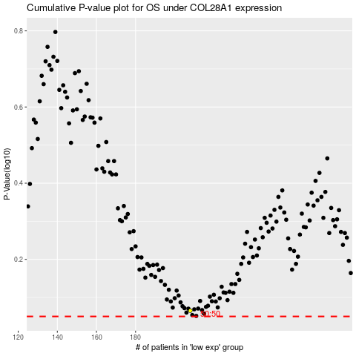

 |  |  |  |  |  | cases_OS | p_OS | rank | exp
 |  |  |  |  |  |  | cases_RFS | p_RFS | rank | exp

