COL2A1 _multivariate
Reported by Tex Li-Hsing Chi. tex@gate.sinica.edu.tw 2019-08-20

Table 2. The clinicopathological features of HNSCC cohort and COL2A1 expression. (Chi square test)
Cutoff at -0.222 (49.8%)
 |  | COL2A1 expression |  | COL2A1 expression |  | (Optimised)
 | Features | Low | (%) | High | (%) | Case no | P-value | Remark | Matthews
Gender | Female | 148 | 35.7 | 158 | 38.1 | 415 | 0.3567 | 0 | 0
2 | Male | 59 | 14.2 | 50 | 12
Age at diagnosis | <=65y | 132 | 31.8 | 142 | 34.2 | 415 | 0.3874 | 0 | 0
4 | >65y | 75 | 18.1 | 66 | 15.9
Clinical T Status | T1+T2 | 71 | 17.1 | 78 | 18.8 | 415 | 0.5638 | 0 | 0
6 | T3+T4 | 136 | 32.8 | 130 | 31.3
Clinical N Status | N0 | 100 | 24.1 | 116 | 28 | 415 | 0.1548 | 0 | 0
8 | N1-3 | 107 | 25.8 | 92 | 22.2
Clinical M Status | M0 | 206 | 49.6 | 206 | 49.6 | 415 | 1 | 0 | 0
10 | M1 | 1 | 0.2 | 2 | 0.5
Clinical Stage | Stage I+II | 45 | 10.8 | 57 | 13.7 | 415 | 0.2202 | 0 | 0
12 | Stage III+IV | 162 | 39 | 151 | 36.4
Surgical Margin status | Negative | 155 | 37.3 | 163 | 39.3 | 415 | 0.4187 | 0 | 0
14 | Positive | 52 | 12.5 | 45 | 10.8
Tobacco Exposure | Low | 74 | 17.8 | 87 | 21 | 415 | 0.227 | 0 | 0
16 | High | 133 | 32 | 121 | 29.2

Table 3. Univariate/Multivariate Cox's proportional hazards regression analyses on OS time of COL2A1 gene expression in HNSCC

 |  | Univariate |  |  |  | Multivariate
 | Features | HR | CI95%(L) | CI95%(H) | P-value | HR | CI95%(L) | CI95%(H) | P-value
1 | Female | 1 |  |  |  | 1
Gender | Male | 1.157 | 0.843 | 1.587 | 0.367 | 1.203 | 0.861 | 1.682 | 0.279
11 | <=65y | 1 |  |  |  | 1
Age at diagnosis | >65y | 1.329 | 0.99 | 1.784 | 0.058 | 1.394 | 1.024 | 1.897 | 0.035
12 | T1+T2 | 1 |  |  |  | 1
Clinical T Status | T3+T4 | 1.409 | 1.028 | 1.931 | 0.033 | 2.199 | 1.162 | 4.16 | 0.015
13 | N0 | 1 |  |  |  | 1
Clinical N Status | N1-3 | 1.185 | 0.89 | 1.577 | 0.246 | 1.243 | 0.87 | 1.776 | 0.232
14 | M0 | 1 |  |  |  | 1
Clinical M Status | M1 | 4.097 | 1.009 | 16.644 | 0.049 | 9.343 | 2.03 | 43.011 | 0.004
15 | Stage I+II | 1 |  |  |  | 1
Clinical Stage | Stage III+IV | 1.245 | 0.882 | 1.759 | 0.213 | 0.505 | 0.235 | 1.085 | 0.08
16 | Negative | 1 |  |  |  | 1
Surgical Margin status | Positive | 1.591 | 1.155 | 2.191 | 0.004 | 1.673 | 1.21 | 2.312 | 0.002
17 | Low | 1 |  |  |  | 1
Tobacco Exposure | High | 1.364 | 1.008 | 1.844 | 0.044 | 1.455 | 1.055 | 2.007 | 0.022
18 | Low | 1 |  |  |  | 1
RNAseq(z-score) | High | 0.96 | 0.721 | 1.279 | 0.782 | 1.017 | 0.76 | 1.363 | 0.908

Table 4. Univariate/Multivariate Cox's proportional hazards regression analyses on RFS time of COL2A1 gene expression in HNSCC

 |  | Univariate |  |  |  | Multivariate
 | Features | HR | CI95%(L) | CI95%(H) | P-value | HR | CI95%(L) | CI95%(H) | P-value
1 | Female | 1 |  |  |  | 1
Gender | Male | 1.157 | 0.843 | 1.587 | 0.367 | 1.203 | 0.861 | 1.682 | 0.279
11 | <=65y | 1 |  |  |  | 1
Age at diagnosis | >65y | 1.329 | 0.99 | 1.784 | 0.058 | 1.394 | 1.024 | 1.897 | 0.035
12 | T1+T2 | 1 |  |  |  | 1
Clinical T Status | T3+T4 | 1.409 | 1.028 | 1.931 | 0.033 | 2.199 | 1.162 | 4.16 | 0.015
13 | N0 | 1 |  |  |  | 1
Clinical N Status | N1-3 | 1.185 | 0.89 | 1.577 | 0.246 | 1.243 | 0.87 | 1.776 | 0.232
14 | M0 | 1 |  |  |  | 1
Clinical M Status | M1 | 4.097 | 1.009 | 16.644 | 0.049 | 9.343 | 2.03 | 43.011 | 0.004
15 | Stage I+II | 1 |  |  |  | 1
Clinical Stage | Stage III+IV | 1.245 | 0.882 | 1.759 | 0.213 | 0.505 | 0.235 | 1.085 | 0.08
16 | Negative | 1 |  |  |  | 1
Surgical Margin status | Positive | 1.591 | 1.155 | 2.191 | 0.004 | 1.673 | 1.21 | 2.312 | 0.002
17 | Low | 1 |  |  |  | 1
Tobacco Exposure | High | 1.364 | 1.008 | 1.844 | 0.044 | 1.455 | 1.055 | 2.007 | 0.022
18 | Low | 1 |  |  |  | 1
RNAseq(z-score) | High | 0.96 | 0.721 | 1.279 | 0.782 | 1.017 | 0.76 | 1.363 | 0.908

Kaplan-Meier survival estimate: Cutoff at -0.222 (49.8%)

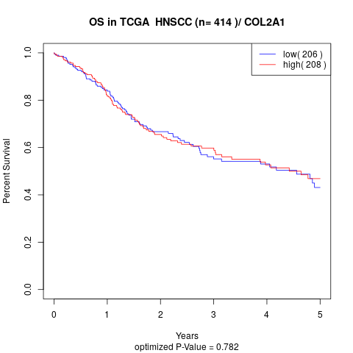

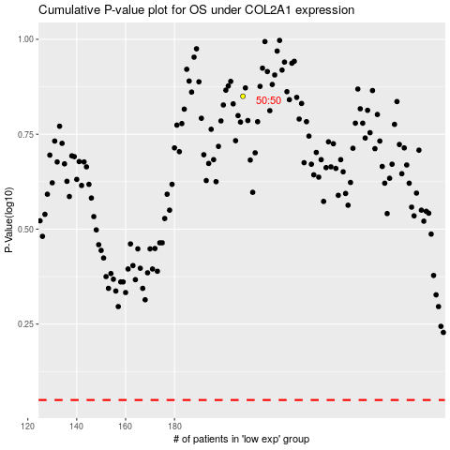

 |  |  |  |  |  | cases_OS | p_OS | rank | exp
 |  |  |  |  |  |  | cases_RFS | p_RFS | rank | exp

