COL4A3 _multivariate
Reported by Tex Li-Hsing Chi. tex@gate.sinica.edu.tw 2019-08-20

Table 2. The clinicopathological features of HNSCC cohort and COL4A3 expression. (Chi square test)
Cutoff at -0.354 (50.0%)
 |  | COL4A3 expression |  | COL4A3 expression |  | (Optimised)
 | Features | Low | (%) | High | (%) | Case no | P-value | Remark | Matthews
Gender | Female | 149 | 35.9 | 157 | 37.8 | 415 | 0.4848 | 0 | 0
2 | Male | 58 | 14 | 51 | 12.3
Age at diagnosis | <=65y | 125 | 30.1 | 149 | 35.9 | 415 | 0.0206 | 1 | 0
4 | >65y | 82 | 19.8 | 59 | 14.2
Clinical T Status | T1+T2 | 59 | 14.2 | 90 | 21.7 | 415 | 0.0024 | 1 | 0
6 | T3+T4 | 148 | 35.7 | 118 | 28.4
Clinical N Status | N0 | 115 | 27.7 | 101 | 24.3 | 415 | 0.184 | 1 | 0
8 | N1-3 | 92 | 22.2 | 107 | 25.8
Clinical M Status | M0 | 204 | 49.2 | 208 | 50.1 | 415 | 0.1232 | 0 | 0
10 | M1 | 3 | 0.7 | 0 | 0
Clinical Stage | Stage I+II | 43 | 10.4 | 59 | 14.2 | 415 | 0.0925 | 0 | 0
12 | Stage III+IV | 164 | 39.5 | 149 | 35.9
Surgical Margin status | Negative | 155 | 37.3 | 163 | 39.3 | 415 | 0.4187 | 0 | 0
14 | Positive | 52 | 12.5 | 45 | 10.8
Tobacco Exposure | Low | 89 | 21.4 | 72 | 17.3 | 415 | 0.0872 | 0 | 0
16 | High | 118 | 28.4 | 136 | 32.8

Table 3. Univariate/Multivariate Cox's proportional hazards regression analyses on OS time of COL4A3 gene expression in HNSCC

 |  | Univariate |  |  |  | Multivariate
 | Features | HR | CI95%(L) | CI95%(H) | P-value | HR | CI95%(L) | CI95%(H) | P-value
1 | Female | 1 |  |  |  | 1
Gender | Male | 1.157 | 0.843 | 1.587 | 0.367 | 1.202 | 0.86 | 1.678 | 0.281
11 | <=65y | 1 |  |  |  | 1
Age at diagnosis | >65y | 1.329 | 0.99 | 1.784 | 0.058 | 1.406 | 1.032 | 1.916 | 0.031
12 | T1+T2 | 1 |  |  |  | 1
Clinical T Status | T3+T4 | 1.409 | 1.028 | 1.931 | 0.033 | 2.234 | 1.179 | 4.233 | 0.014
13 | N0 | 1 |  |  |  | 1
Clinical N Status | N1-3 | 1.185 | 0.89 | 1.577 | 0.246 | 1.237 | 0.867 | 1.766 | 0.241
14 | M0 | 1 |  |  |  | 1
Clinical M Status | M1 | 4.097 | 1.009 | 16.644 | 0.049 | 9.911 | 2.135 | 46.003 | 0.003
15 | Stage I+II | 1 |  |  |  | 1
Clinical Stage | Stage III+IV | 1.245 | 0.882 | 1.759 | 0.213 | 0.503 | 0.234 | 1.08 | 0.078
16 | Negative | 1 |  |  |  | 1
Surgical Margin status | Positive | 1.591 | 1.155 | 2.191 | 0.004 | 1.677 | 1.214 | 2.317 | 0.002
17 | Low | 1 |  |  |  | 1
Tobacco Exposure | High | 1.364 | 1.008 | 1.844 | 0.044 | 1.444 | 1.048 | 1.991 | 0.025
18 | Low | 1 |  |  |  | 1
RNAseq(z-score) | High | 0.986 | 0.74 | 1.314 | 0.924 | 1.083 | 0.806 | 1.453 | 0.597

Table 4. Univariate/Multivariate Cox's proportional hazards regression analyses on RFS time of COL4A3 gene expression in HNSCC

 |  | Univariate |  |  |  | Multivariate
 | Features | HR | CI95%(L) | CI95%(H) | P-value | HR | CI95%(L) | CI95%(H) | P-value
1 | Female | 1 |  |  |  | 1
Gender | Male | 1.157 | 0.843 | 1.587 | 0.367 | 1.202 | 0.86 | 1.678 | 0.281
11 | <=65y | 1 |  |  |  | 1
Age at diagnosis | >65y | 1.329 | 0.99 | 1.784 | 0.058 | 1.406 | 1.032 | 1.916 | 0.031
12 | T1+T2 | 1 |  |  |  | 1
Clinical T Status | T3+T4 | 1.409 | 1.028 | 1.931 | 0.033 | 2.234 | 1.179 | 4.233 | 0.014
13 | N0 | 1 |  |  |  | 1
Clinical N Status | N1-3 | 1.185 | 0.89 | 1.577 | 0.246 | 1.237 | 0.867 | 1.766 | 0.241
14 | M0 | 1 |  |  |  | 1
Clinical M Status | M1 | 4.097 | 1.009 | 16.644 | 0.049 | 9.911 | 2.135 | 46.003 | 0.003
15 | Stage I+II | 1 |  |  |  | 1
Clinical Stage | Stage III+IV | 1.245 | 0.882 | 1.759 | 0.213 | 0.503 | 0.234 | 1.08 | 0.078
16 | Negative | 1 |  |  |  | 1
Surgical Margin status | Positive | 1.591 | 1.155 | 2.191 | 0.004 | 1.677 | 1.214 | 2.317 | 0.002
17 | Low | 1 |  |  |  | 1
Tobacco Exposure | High | 1.364 | 1.008 | 1.844 | 0.044 | 1.444 | 1.048 | 1.991 | 0.025
18 | Low | 1 |  |  |  | 1
RNAseq(z-score) | High | 0.986 | 0.74 | 1.314 | 0.924 | 1.083 | 0.806 | 1.453 | 0.597

Kaplan-Meier survival estimate: Cutoff at -0.354 (50.0%)



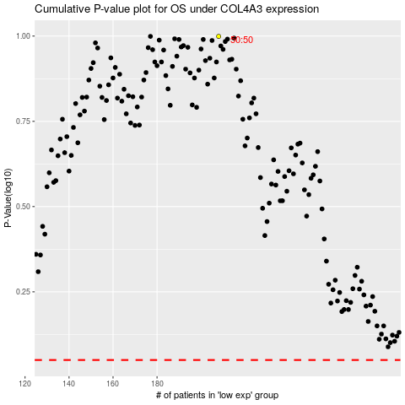

 |  |  |  |  |  | cases_OS | p_OS | rank | exp
 |  |  |  |  |  |  | cases_RFS | p_RFS | rank | exp

