COL4A6 _multivariate
Reported by Tex Li-Hsing Chi. tex@gate.sinica.edu.tw 2019-08-20

Table 2. The clinicopathological features of HNSCC cohort and COL4A6 expression. (Chi square test)
Cutoff at -0.192 (50.0%)
 |  | COL4A6 expression |  | COL4A6 expression |  | (Optimised)
 | Features | Low | (%) | High | (%) | Case no | P-value | Remark | Matthews
Gender | Female | 159 | 38.3 | 147 | 35.4 | 415 | 0.1905 | 0 | 0
2 | Male | 48 | 11.6 | 61 | 14.7
Age at diagnosis | <=65y | 131 | 31.6 | 143 | 34.5 | 415 | 0.2839 | 0 | 0
4 | >65y | 76 | 18.3 | 65 | 15.7
Clinical T Status | T1+T2 | 75 | 18.1 | 74 | 17.8 | 415 | 0.9707 | 0 | 0
6 | T3+T4 | 132 | 31.8 | 134 | 32.3
Clinical N Status | N0 | 104 | 25.1 | 112 | 27 | 415 | 0.5243 | 0 | 0
8 | N1-3 | 103 | 24.8 | 96 | 23.1
Clinical M Status | M0 | 206 | 49.6 | 206 | 49.6 | 415 | 1 | 0 | 0
10 | M1 | 1 | 0.2 | 2 | 0.5
Clinical Stage | Stage I+II | 47 | 11.3 | 55 | 13.3 | 415 | 0.4413 | 0 | 0
12 | Stage III+IV | 160 | 38.6 | 153 | 36.9
Surgical Margin status | Negative | 153 | 36.9 | 165 | 39.8 | 415 | 0.2036 | 0 | 0
14 | Positive | 54 | 13 | 43 | 10.4
Tobacco Exposure | Low | 89 | 21.4 | 72 | 17.3 | 415 | 0.0872 | 0 | 0
16 | High | 118 | 28.4 | 136 | 32.8

Table 3. Univariate/Multivariate Cox's proportional hazards regression analyses on OS time of COL4A6 gene expression in HNSCC

 |  | Univariate |  |  |  | Multivariate
 | Features | HR | CI95%(L) | CI95%(H) | P-value | HR | CI95%(L) | CI95%(H) | P-value
1 | Female | 1 |  |  |  | 1
Gender | Male | 1.157 | 0.843 | 1.587 | 0.367 | 1.202 | 0.86 | 1.68 | 0.28
11 | <=65y | 1 |  |  |  | 1
Age at diagnosis | >65y | 1.329 | 0.99 | 1.784 | 0.058 | 1.391 | 1.023 | 1.891 | 0.035
12 | T1+T2 | 1 |  |  |  | 1
Clinical T Status | T3+T4 | 1.409 | 1.028 | 1.931 | 0.033 | 2.204 | 1.165 | 4.169 | 0.015
13 | N0 | 1 |  |  |  | 1
Clinical N Status | N1-3 | 1.185 | 0.89 | 1.577 | 0.246 | 1.24 | 0.869 | 1.77 | 0.236
14 | M0 | 1 |  |  |  | 1
Clinical M Status | M1 | 4.097 | 1.009 | 16.644 | 0.049 | 9.434 | 2.055 | 43.319 | 0.004
15 | Stage I+II | 1 |  |  |  | 1
Clinical Stage | Stage III+IV | 1.245 | 0.882 | 1.759 | 0.213 | 0.504 | 0.235 | 1.082 | 0.079
16 | Negative | 1 |  |  |  | 1
Surgical Margin status | Positive | 1.591 | 1.155 | 2.191 | 0.004 | 1.671 | 1.209 | 2.309 | 0.002
17 | Low | 1 |  |  |  | 1
Tobacco Exposure | High | 1.364 | 1.008 | 1.844 | 0.044 | 1.456 | 1.053 | 2.014 | 0.023
18 | Low | 1 |  |  |  | 1
RNAseq(z-score) | High | 1.025 | 0.769 | 1.367 | 0.866 | 0.988 | 0.737 | 1.324 | 0.935

Table 4. Univariate/Multivariate Cox's proportional hazards regression analyses on RFS time of COL4A6 gene expression in HNSCC

 |  | Univariate |  |  |  | Multivariate
 | Features | HR | CI95%(L) | CI95%(H) | P-value | HR | CI95%(L) | CI95%(H) | P-value
1 | Female | 1 |  |  |  | 1
Gender | Male | 1.157 | 0.843 | 1.587 | 0.367 | 1.202 | 0.86 | 1.68 | 0.28
11 | <=65y | 1 |  |  |  | 1
Age at diagnosis | >65y | 1.329 | 0.99 | 1.784 | 0.058 | 1.391 | 1.023 | 1.891 | 0.035
12 | T1+T2 | 1 |  |  |  | 1
Clinical T Status | T3+T4 | 1.409 | 1.028 | 1.931 | 0.033 | 2.204 | 1.165 | 4.169 | 0.015
13 | N0 | 1 |  |  |  | 1
Clinical N Status | N1-3 | 1.185 | 0.89 | 1.577 | 0.246 | 1.24 | 0.869 | 1.77 | 0.236
14 | M0 | 1 |  |  |  | 1
Clinical M Status | M1 | 4.097 | 1.009 | 16.644 | 0.049 | 9.434 | 2.055 | 43.319 | 0.004
15 | Stage I+II | 1 |  |  |  | 1
Clinical Stage | Stage III+IV | 1.245 | 0.882 | 1.759 | 0.213 | 0.504 | 0.235 | 1.082 | 0.079
16 | Negative | 1 |  |  |  | 1
Surgical Margin status | Positive | 1.591 | 1.155 | 2.191 | 0.004 | 1.671 | 1.209 | 2.309 | 0.002
17 | Low | 1 |  |  |  | 1
Tobacco Exposure | High | 1.364 | 1.008 | 1.844 | 0.044 | 1.456 | 1.053 | 2.014 | 0.023
18 | Low | 1 |  |  |  | 1
RNAseq(z-score) | High | 1.025 | 0.769 | 1.367 | 0.866 | 0.988 | 0.737 | 1.324 | 0.935

Kaplan-Meier survival estimate: Cutoff at -0.192 (50.0%)



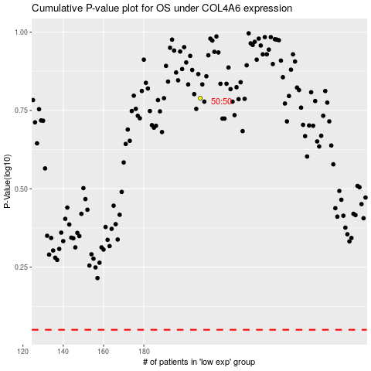

 |  |  |  |  |  | cases_OS | p_OS | rank | exp
 |  |  |  |  |  |  | cases_RFS | p_RFS | rank | exp

