COL8A1 _multivariate
Reported by Tex Li-Hsing Chi. tex@gate.sinica.edu.tw 2019-08-20

Table 2. The clinicopathological features of HNSCC cohort and COL8A1 expression. (Chi square test)
Cutoff at -0.303 (49.8%)
 |  | COL8A1 expression |  | COL8A1 expression |  | (Optimised)
 | Features | Low | (%) | High | (%) | Case no | P-value | Remark | Matthews
Gender | Female | 155 | 37.3 | 151 | 36.4 | 415 | 0.6768 | 0 | 0
2 | Male | 52 | 12.5 | 57 | 13.7
Age at diagnosis | <=65y | 139 | 33.5 | 135 | 32.5 | 415 | 0.7044 | 0 | 0
4 | >65y | 68 | 16.4 | 73 | 17.6
Clinical T Status | T1+T2 | 78 | 18.8 | 71 | 17.1 | 415 | 0.5152 | 0 | 0
6 | T3+T4 | 129 | 31.1 | 137 | 33
Clinical N Status | N0 | 112 | 27 | 104 | 25.1 | 415 | 0.4599 | 0 | 0
8 | N1-3 | 95 | 22.9 | 104 | 25.1
Clinical M Status | M0 | 204 | 49.2 | 208 | 50.1 | 415 | 0.1232 | 0 | 0
10 | M1 | 3 | 0.7 | 0 | 0
Clinical Stage | Stage I+II | 51 | 12.3 | 51 | 12.3 | 415 | 1 | 0 | 0
12 | Stage III+IV | 156 | 37.6 | 157 | 37.8
Surgical Margin status | Negative | 157 | 37.8 | 161 | 38.8 | 415 | 0.729 | 0 | 0
14 | Positive | 50 | 12 | 47 | 11.3
Tobacco Exposure | Low | 86 | 20.7 | 75 | 18.1 | 415 | 0.2687 | 0 | 0
16 | High | 121 | 29.2 | 133 | 32

Table 3. Univariate/Multivariate Cox's proportional hazards regression analyses on OS time of COL8A1 gene expression in HNSCC

 |  | Univariate |  |  |  | Multivariate
 | Features | HR | CI95%(L) | CI95%(H) | P-value | HR | CI95%(L) | CI95%(H) | P-value
1 | Female | 1 |  |  |  | 1
Gender | Male | 1.157 | 0.843 | 1.587 | 0.367 | 1.202 | 0.859 | 1.68 | 0.283
11 | <=65y | 1 |  |  |  | 1
Age at diagnosis | >65y | 1.329 | 0.99 | 1.784 | 0.058 | 1.393 | 1.024 | 1.893 | 0.034
12 | T1+T2 | 1 |  |  |  | 1
Clinical T Status | T3+T4 | 1.409 | 1.028 | 1.931 | 0.033 | 2.233 | 1.18 | 4.224 | 0.014
13 | N0 | 1 |  |  |  | 1
Clinical N Status | N1-3 | 1.185 | 0.89 | 1.577 | 0.246 | 1.252 | 0.877 | 1.788 | 0.216
14 | M0 | 1 |  |  |  | 1
Clinical M Status | M1 | 4.097 | 1.009 | 16.644 | 0.049 | 8.847 | 1.921 | 40.754 | 0.005
15 | Stage I+II | 1 |  |  |  | 1
Clinical Stage | Stage III+IV | 1.245 | 0.882 | 1.759 | 0.213 | 0.496 | 0.231 | 1.065 | 0.072
16 | Negative | 1 |  |  |  | 1
Surgical Margin status | Positive | 1.591 | 1.155 | 2.191 | 0.004 | 1.652 | 1.195 | 2.285 | 0.002
17 | Low | 1 |  |  |  | 1
Tobacco Exposure | High | 1.364 | 1.008 | 1.844 | 0.044 | 1.459 | 1.058 | 2.011 | 0.021
18 | Low | 1 |  |  |  | 1
RNAseq(z-score) | High | 0.856 | 0.642 | 1.141 | 0.289 | 0.869 | 0.649 | 1.163 | 0.344

Table 4. Univariate/Multivariate Cox's proportional hazards regression analyses on RFS time of COL8A1 gene expression in HNSCC

 |  | Univariate |  |  |  | Multivariate
 | Features | HR | CI95%(L) | CI95%(H) | P-value | HR | CI95%(L) | CI95%(H) | P-value
1 | Female | 1 |  |  |  | 1
Gender | Male | 1.157 | 0.843 | 1.587 | 0.367 | 1.202 | 0.859 | 1.68 | 0.283
11 | <=65y | 1 |  |  |  | 1
Age at diagnosis | >65y | 1.329 | 0.99 | 1.784 | 0.058 | 1.393 | 1.024 | 1.893 | 0.034
12 | T1+T2 | 1 |  |  |  | 1
Clinical T Status | T3+T4 | 1.409 | 1.028 | 1.931 | 0.033 | 2.233 | 1.18 | 4.224 | 0.014
13 | N0 | 1 |  |  |  | 1
Clinical N Status | N1-3 | 1.185 | 0.89 | 1.577 | 0.246 | 1.252 | 0.877 | 1.788 | 0.216
14 | M0 | 1 |  |  |  | 1
Clinical M Status | M1 | 4.097 | 1.009 | 16.644 | 0.049 | 8.847 | 1.921 | 40.754 | 0.005
15 | Stage I+II | 1 |  |  |  | 1
Clinical Stage | Stage III+IV | 1.245 | 0.882 | 1.759 | 0.213 | 0.496 | 0.231 | 1.065 | 0.072
16 | Negative | 1 |  |  |  | 1
Surgical Margin status | Positive | 1.591 | 1.155 | 2.191 | 0.004 | 1.652 | 1.195 | 2.285 | 0.002
17 | Low | 1 |  |  |  | 1
Tobacco Exposure | High | 1.364 | 1.008 | 1.844 | 0.044 | 1.459 | 1.058 | 2.011 | 0.021
18 | Low | 1 |  |  |  | 1
RNAseq(z-score) | High | 0.856 | 0.642 | 1.141 | 0.289 | 0.869 | 0.649 | 1.163 | 0.344

Kaplan-Meier survival estimate: Cutoff at -0.303 (49.8%)



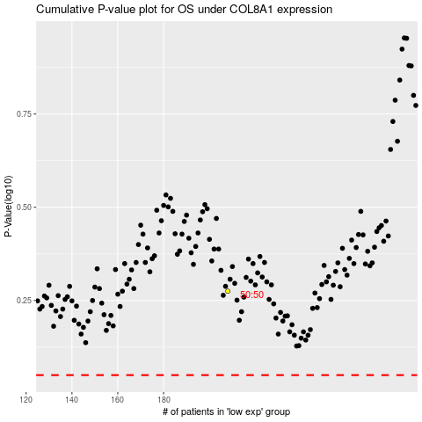

 |  |  |  |  |  | cases_OS | p_OS | rank | exp
 |  |  |  |  |  |  | cases_RFS | p_RFS | rank | exp

