COLEC11 _multivariate
Reported by Tex Li-Hsing Chi. tex@gate.sinica.edu.tw 2019-08-20

Table 2. The clinicopathological features of HNSCC cohort and COLEC11 expression. (Chi square test)
Cutoff at -0.194 (56.0%)
 |  | COLEC11 expression |  | COLEC11 expression |  | (Optimised)
 | Features | Low | (%) | High | (%) | Case no | P-value | Remark | Matthews
Gender | Female | 165 | 39.8 | 141 | 34 | 415 | 0.1566 | 0 | 0
2 | Male | 68 | 16.4 | 41 | 9.9
Age at diagnosis | <=65y | 145 | 34.9 | 129 | 31.1 | 415 | 0.0817 | 0 | 0
4 | >65y | 88 | 21.2 | 53 | 12.8
Clinical T Status | T1+T2 | 90 | 21.7 | 59 | 14.2 | 415 | 0.2281 | 0 | 0
6 | T3+T4 | 143 | 34.5 | 123 | 29.6
Clinical N Status | N0 | 117 | 28.2 | 99 | 23.9 | 415 | 0.4551 | 0 | 0
8 | N1-3 | 116 | 28 | 83 | 20
Clinical M Status | M0 | 231 | 55.7 | 181 | 43.6 | 415 | 1 | 0 | 0
10 | M1 | 2 | 0.5 | 1 | 0.2
Clinical Stage | Stage I+II | 63 | 15.2 | 39 | 9.4 | 415 | 0.2293 | 0 | 0
12 | Stage III+IV | 170 | 41 | 143 | 34.5
Surgical Margin status | Negative | 183 | 44.1 | 135 | 32.5 | 415 | 0.3498 | 0 | 0
14 | Positive | 50 | 12 | 47 | 11.3
Tobacco Exposure | Low | 106 | 25.5 | 55 | 13.3 | 415 | 0.0017 | 1 | 0
16 | High | 127 | 30.6 | 127 | 30.6

Table 3. Univariate/Multivariate Cox's proportional hazards regression analyses on OS time of COLEC11 gene expression in HNSCC

 |  | Univariate |  |  |  | Multivariate
 | Features | HR | CI95%(L) | CI95%(H) | P-value | HR | CI95%(L) | CI95%(H) | P-value
1 | Female | 1 |  |  |  | 1
Gender | Male | 1.157 | 0.843 | 1.587 | 0.367 | 1.171 | 0.837 | 1.638 | 0.357
11 | <=65y | 1 |  |  |  | 1
Age at diagnosis | >65y | 1.329 | 0.99 | 1.784 | 0.058 | 1.373 | 1.01 | 1.866 | 0.043
12 | T1+T2 | 1 |  |  |  | 1
Clinical T Status | T3+T4 | 1.409 | 1.028 | 1.931 | 0.033 | 2.306 | 1.217 | 4.369 | 0.01
13 | N0 | 1 |  |  |  | 1
Clinical N Status | N1-3 | 1.185 | 0.89 | 1.577 | 0.246 | 1.203 | 0.844 | 1.716 | 0.307
14 | M0 | 1 |  |  |  | 1
Clinical M Status | M1 | 4.097 | 1.009 | 16.644 | 0.049 | 9.626 | 2.098 | 44.177 | 0.004
15 | Stage I+II | 1 |  |  |  | 1
Clinical Stage | Stage III+IV | 1.245 | 0.882 | 1.759 | 0.213 | 0.511 | 0.238 | 1.097 | 0.085
16 | Negative | 1 |  |  |  | 1
Surgical Margin status | Positive | 1.591 | 1.155 | 2.191 | 0.004 | 1.722 | 1.245 | 2.383 | 0.001
17 | Low | 1 |  |  |  | 1
Tobacco Exposure | High | 1.364 | 1.008 | 1.844 | 0.044 | 1.527 | 1.105 | 2.11 | 0.01
18 | Low | 1 |  |  |  | 1
RNAseq(z-score) | High | 0.74 | 0.551 | 0.993 | 0.045 | 0.686 | 0.507 | 0.929 | 0.015

Table 4. Univariate/Multivariate Cox's proportional hazards regression analyses on RFS time of COLEC11 gene expression in HNSCC

 |  | Univariate |  |  |  | Multivariate
 | Features | HR | CI95%(L) | CI95%(H) | P-value | HR | CI95%(L) | CI95%(H) | P-value
1 | Female | 1 |  |  |  | 1
Gender | Male | 1.157 | 0.843 | 1.587 | 0.367 | 1.171 | 0.837 | 1.638 | 0.357
11 | <=65y | 1 |  |  |  | 1
Age at diagnosis | >65y | 1.329 | 0.99 | 1.784 | 0.058 | 1.373 | 1.01 | 1.866 | 0.043
12 | T1+T2 | 1 |  |  |  | 1
Clinical T Status | T3+T4 | 1.409 | 1.028 | 1.931 | 0.033 | 2.306 | 1.217 | 4.369 | 0.01
13 | N0 | 1 |  |  |  | 1
Clinical N Status | N1-3 | 1.185 | 0.89 | 1.577 | 0.246 | 1.203 | 0.844 | 1.716 | 0.307
14 | M0 | 1 |  |  |  | 1
Clinical M Status | M1 | 4.097 | 1.009 | 16.644 | 0.049 | 9.626 | 2.098 | 44.177 | 0.004
15 | Stage I+II | 1 |  |  |  | 1
Clinical Stage | Stage III+IV | 1.245 | 0.882 | 1.759 | 0.213 | 0.511 | 0.238 | 1.097 | 0.085
16 | Negative | 1 |  |  |  | 1
Surgical Margin status | Positive | 1.591 | 1.155 | 2.191 | 0.004 | 1.722 | 1.245 | 2.383 | 0.001
17 | Low | 1 |  |  |  | 1
Tobacco Exposure | High | 1.364 | 1.008 | 1.844 | 0.044 | 1.527 | 1.105 | 2.11 | 0.01
18 | Low | 1 |  |  |  | 1
RNAseq(z-score) | High | 0.74 | 0.551 | 0.993 | 0.045 | 0.686 | 0.507 | 0.929 | 0.015

Kaplan-Meier survival estimate: Cutoff at -0.194 (56.0%)

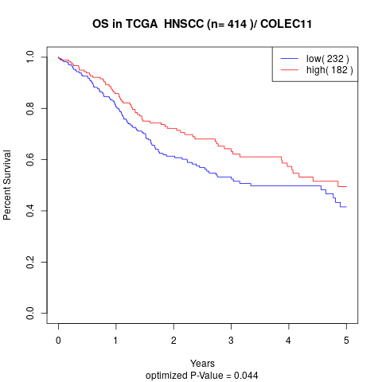

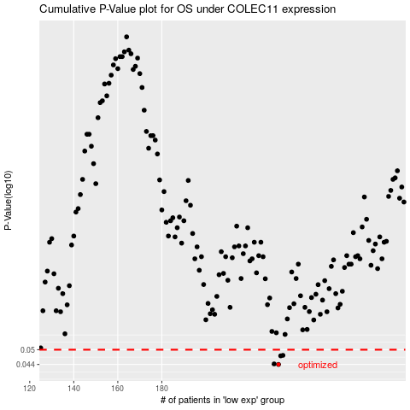

 |  |  |  |  |  | cases_OS | p_OS | rank | exp
 |  |  |  |  |  | 233 | 0.044 | 46 | -0.19430154319
 |  |  |  |  |  | 231 | 0.0442 | 321 | -0.19801999141
 |  |  |  |  |  | 234 | 0.0474 | 358 | -0.19426871956
 |  |  |  |  |  | 235 | 0.0476 | 135 | -0.19219707967
 |  |  |  |  |  |  | cases_RFS | p_RFS | rank | exp
 |  |  |  |  |  |  | 232 | 0.044 | 69 | -0.19695931929
 |  |  |  |  |  |  | 230 | 0.0442 | 66 | -0.19884714686
 |  |  |  |  |  |  | 233 | 0.0474 | 46 | -0.19430154319
 |  |  |  |  |  |  | 234 | 0.0476 | 358 | -0.19426871956

