COLQ _multivariate
Reported by Tex Li-Hsing Chi. tex@gate.sinica.edu.tw 2019-08-20

Table 2. The clinicopathological features of HNSCC cohort and COLQ expression. (Chi square test)
Cutoff at -0.333 (50.0%)
 |  | COLQ expression |  | COLQ expression |  | (Optimised)
 | Features | Low | (%) | High | (%) | Case no | P-value | Remark | Matthews
Gender | Female | 156 | 37.6 | 150 | 36.1 | 415 | 0.5222 | 0 | 0
2 | Male | 51 | 12.3 | 58 | 14
Age at diagnosis | <=65y | 137 | 33 | 137 | 33 | 415 | 1 | 0 | 0
4 | >65y | 70 | 16.9 | 71 | 17.1
Clinical T Status | T1+T2 | 58 | 14 | 91 | 21.9 | 415 | 0.0012 | 1 | 0
6 | T3+T4 | 149 | 35.9 | 117 | 28.2
Clinical N Status | N0 | 103 | 24.8 | 113 | 27.2 | 415 | 0.4047 | 0 | 0
8 | N1-3 | 104 | 25.1 | 95 | 22.9
Clinical M Status | M0 | 204 | 49.2 | 208 | 50.1 | 415 | 0.1232 | 0 | 0
10 | M1 | 3 | 0.7 | 0 | 0
Clinical Stage | Stage I+II | 44 | 10.6 | 58 | 14 | 415 | 0.1459 | 0 | 0
12 | Stage III+IV | 163 | 39.3 | 150 | 36.1
Surgical Margin status | Negative | 161 | 38.8 | 157 | 37.8 | 415 | 0.6429 | 0 | 0
14 | Positive | 46 | 11.1 | 51 | 12.3
Tobacco Exposure | Low | 70 | 16.9 | 91 | 21.9 | 415 | 0.0439 | 1 | 0
16 | High | 137 | 33 | 117 | 28.2

Table 3. Univariate/Multivariate Cox's proportional hazards regression analyses on OS time of COLQ gene expression in HNSCC

 |  | Univariate |  |  |  | Multivariate
 | Features | HR | CI95%(L) | CI95%(H) | P-value | HR | CI95%(L) | CI95%(H) | P-value
1 | Female | 1 |  |  |  | 1
Gender | Male | 1.157 | 0.843 | 1.587 | 0.367 | 1.194 | 0.855 | 1.669 | 0.297
11 | <=65y | 1 |  |  |  | 1
Age at diagnosis | >65y | 1.329 | 0.99 | 1.784 | 0.058 | 1.395 | 1.025 | 1.897 | 0.034
12 | T1+T2 | 1 |  |  |  | 1
Clinical T Status | T3+T4 | 1.409 | 1.028 | 1.931 | 0.033 | 2.308 | 1.213 | 4.391 | 0.011
13 | N0 | 1 |  |  |  | 1
Clinical N Status | N1-3 | 1.185 | 0.89 | 1.577 | 0.246 | 1.273 | 0.889 | 1.822 | 0.188
14 | M0 | 1 |  |  |  | 1
Clinical M Status | M1 | 4.097 | 1.009 | 16.644 | 0.049 | 10.464 | 2.251 | 48.633 | 0.003
15 | Stage I+II | 1 |  |  |  | 1
Clinical Stage | Stage III+IV | 1.245 | 0.882 | 1.759 | 0.213 | 0.484 | 0.224 | 1.043 | 0.064
16 | Negative | 1 |  |  |  | 1
Surgical Margin status | Positive | 1.591 | 1.155 | 2.191 | 0.004 | 1.656 | 1.198 | 2.289 | 0.002
17 | Low | 1 |  |  |  | 1
Tobacco Exposure | High | 1.364 | 1.008 | 1.844 | 0.044 | 1.465 | 1.064 | 2.017 | 0.019
18 | Low | 1 |  |  |  | 1
RNAseq(z-score) | High | 1.045 | 0.784 | 1.391 | 0.765 | 1.17 | 0.87 | 1.572 | 0.3

Table 4. Univariate/Multivariate Cox's proportional hazards regression analyses on RFS time of COLQ gene expression in HNSCC

 |  | Univariate |  |  |  | Multivariate
 | Features | HR | CI95%(L) | CI95%(H) | P-value | HR | CI95%(L) | CI95%(H) | P-value
1 | Female | 1 |  |  |  | 1
Gender | Male | 1.157 | 0.843 | 1.587 | 0.367 | 1.194 | 0.855 | 1.669 | 0.297
11 | <=65y | 1 |  |  |  | 1
Age at diagnosis | >65y | 1.329 | 0.99 | 1.784 | 0.058 | 1.395 | 1.025 | 1.897 | 0.034
12 | T1+T2 | 1 |  |  |  | 1
Clinical T Status | T3+T4 | 1.409 | 1.028 | 1.931 | 0.033 | 2.308 | 1.213 | 4.391 | 0.011
13 | N0 | 1 |  |  |  | 1
Clinical N Status | N1-3 | 1.185 | 0.89 | 1.577 | 0.246 | 1.273 | 0.889 | 1.822 | 0.188
14 | M0 | 1 |  |  |  | 1
Clinical M Status | M1 | 4.097 | 1.009 | 16.644 | 0.049 | 10.464 | 2.251 | 48.633 | 0.003
15 | Stage I+II | 1 |  |  |  | 1
Clinical Stage | Stage III+IV | 1.245 | 0.882 | 1.759 | 0.213 | 0.484 | 0.224 | 1.043 | 0.064
16 | Negative | 1 |  |  |  | 1
Surgical Margin status | Positive | 1.591 | 1.155 | 2.191 | 0.004 | 1.656 | 1.198 | 2.289 | 0.002
17 | Low | 1 |  |  |  | 1
Tobacco Exposure | High | 1.364 | 1.008 | 1.844 | 0.044 | 1.465 | 1.064 | 2.017 | 0.019
18 | Low | 1 |  |  |  | 1
RNAseq(z-score) | High | 1.045 | 0.784 | 1.391 | 0.765 | 1.17 | 0.87 | 1.572 | 0.3

Kaplan-Meier survival estimate: Cutoff at -0.333 (50.0%)



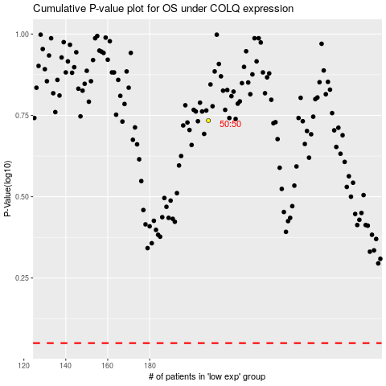

 |  |  |  |  |  | cases_OS | p_OS | rank | exp
 |  |  |  |  |  |  | cases_RFS | p_RFS | rank | exp

