COMMD1 _multivariate
Reported by Tex Li-Hsing Chi. tex@gate.sinica.edu.tw 2019-08-20

Table 2. The clinicopathological features of HNSCC cohort and COMMD1 expression. (Chi square test)
Cutoff at -0.275 (50.0%)
 |  | COMMD1 expression |  | COMMD1 expression |  | (Optimised)
 | Features | Low | (%) | High | (%) | Case no | P-value | Remark | Matthews
Gender | Female | 154 | 37.1 | 152 | 36.6 | 415 | 0.8463 | 0 | 0
2 | Male | 53 | 12.8 | 56 | 13.5
Age at diagnosis | <=65y | 134 | 32.3 | 140 | 33.7 | 415 | 0.6529 | 0 | 0
4 | >65y | 73 | 17.6 | 68 | 16.4
Clinical T Status | T1+T2 | 70 | 16.9 | 79 | 19 | 415 | 0.4343 | 0 | 0
6 | T3+T4 | 137 | 33 | 129 | 31.1
Clinical N Status | N0 | 102 | 24.6 | 114 | 27.5 | 415 | 0.3031 | 0 | 0
8 | N1-3 | 105 | 25.3 | 94 | 22.7
Clinical M Status | M0 | 207 | 49.9 | 205 | 49.4 | 415 | 0.2482 | 0 | 0
10 | M1 | 0 | 0 | 3 | 0.7
Clinical Stage | Stage I+II | 48 | 11.6 | 54 | 13 | 415 | 0.5878 | 0 | 0
12 | Stage III+IV | 159 | 38.3 | 154 | 37.1
Surgical Margin status | Negative | 169 | 40.7 | 149 | 35.9 | 415 | 0.0201 | 1 | 0
14 | Positive | 38 | 9.2 | 59 | 14.2
Tobacco Exposure | Low | 71 | 17.1 | 90 | 21.7 | 415 | 0.0698 | 0 | 0
16 | High | 136 | 32.8 | 118 | 28.4

Table 3. Univariate/Multivariate Cox's proportional hazards regression analyses on OS time of COMMD1 gene expression in HNSCC

 |  | Univariate |  |  |  | Multivariate
 | Features | HR | CI95%(L) | CI95%(H) | P-value | HR | CI95%(L) | CI95%(H) | P-value
1 | Female | 1 |  |  |  | 1
Gender | Male | 1.157 | 0.843 | 1.587 | 0.367 | 1.209 | 0.865 | 1.691 | 0.267
11 | <=65y | 1 |  |  |  | 1
Age at diagnosis | >65y | 1.329 | 0.99 | 1.784 | 0.058 | 1.386 | 1.019 | 1.885 | 0.038
12 | T1+T2 | 1 |  |  |  | 1
Clinical T Status | T3+T4 | 1.409 | 1.028 | 1.931 | 0.033 | 2.196 | 1.161 | 4.152 | 0.016
13 | N0 | 1 |  |  |  | 1
Clinical N Status | N1-3 | 1.185 | 0.89 | 1.577 | 0.246 | 1.227 | 0.857 | 1.755 | 0.263
14 | M0 | 1 |  |  |  | 1
Clinical M Status | M1 | 4.097 | 1.009 | 16.644 | 0.049 | 9.845 | 2.126 | 45.587 | 0.003
15 | Stage I+II | 1 |  |  |  | 1
Clinical Stage | Stage III+IV | 1.245 | 0.882 | 1.759 | 0.213 | 0.505 | 0.235 | 1.083 | 0.079
16 | Negative | 1 |  |  |  | 1
Surgical Margin status | Positive | 1.591 | 1.155 | 2.191 | 0.004 | 1.697 | 1.222 | 2.356 | 0.002
17 | Low | 1 |  |  |  | 1
Tobacco Exposure | High | 1.364 | 1.008 | 1.844 | 0.044 | 1.446 | 1.049 | 1.994 | 0.024
18 | Low | 1 |  |  |  | 1
RNAseq(z-score) | High | 0.942 | 0.707 | 1.255 | 0.681 | 0.925 | 0.686 | 1.247 | 0.607

Table 4. Univariate/Multivariate Cox's proportional hazards regression analyses on RFS time of COMMD1 gene expression in HNSCC

 |  | Univariate |  |  |  | Multivariate
 | Features | HR | CI95%(L) | CI95%(H) | P-value | HR | CI95%(L) | CI95%(H) | P-value
1 | Female | 1 |  |  |  | 1
Gender | Male | 1.157 | 0.843 | 1.587 | 0.367 | 1.209 | 0.865 | 1.691 | 0.267
11 | <=65y | 1 |  |  |  | 1
Age at diagnosis | >65y | 1.329 | 0.99 | 1.784 | 0.058 | 1.386 | 1.019 | 1.885 | 0.038
12 | T1+T2 | 1 |  |  |  | 1
Clinical T Status | T3+T4 | 1.409 | 1.028 | 1.931 | 0.033 | 2.196 | 1.161 | 4.152 | 0.016
13 | N0 | 1 |  |  |  | 1
Clinical N Status | N1-3 | 1.185 | 0.89 | 1.577 | 0.246 | 1.227 | 0.857 | 1.755 | 0.263
14 | M0 | 1 |  |  |  | 1
Clinical M Status | M1 | 4.097 | 1.009 | 16.644 | 0.049 | 9.845 | 2.126 | 45.587 | 0.003
15 | Stage I+II | 1 |  |  |  | 1
Clinical Stage | Stage III+IV | 1.245 | 0.882 | 1.759 | 0.213 | 0.505 | 0.235 | 1.083 | 0.079
16 | Negative | 1 |  |  |  | 1
Surgical Margin status | Positive | 1.591 | 1.155 | 2.191 | 0.004 | 1.697 | 1.222 | 2.356 | 0.002
17 | Low | 1 |  |  |  | 1
Tobacco Exposure | High | 1.364 | 1.008 | 1.844 | 0.044 | 1.446 | 1.049 | 1.994 | 0.024
18 | Low | 1 |  |  |  | 1
RNAseq(z-score) | High | 0.942 | 0.707 | 1.255 | 0.681 | 0.925 | 0.686 | 1.247 | 0.607

Kaplan-Meier survival estimate: Cutoff at -0.275 (50.0%)



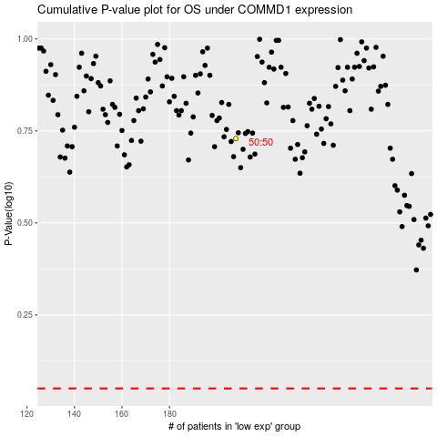

 |  |  |  |  |  | cases_OS | p_OS | rank | exp
 |  |  |  |  |  |  | cases_RFS | p_RFS | rank | exp

