COMMD10 _multivariate
Reported by Tex Li-Hsing Chi. tex@gate.sinica.edu.tw 2019-08-20

Table 2. The clinicopathological features of HNSCC cohort and COMMD10 expression. (Chi square test)
Cutoff at -0.477 (31.6%)
 |  | COMMD10 expression |  | COMMD10 expression |  | (Optimised)
 | Features | Low | (%) | High | (%) | Case no | P-value | Remark | Matthews
Gender | Female | 99 | 23.9 | 207 | 49.9 | 415 | 0.7793 | 0 | 0
2 | Male | 33 | 8 | 76 | 18.3
Age at diagnosis | <=65y | 83 | 20 | 191 | 46 | 415 | 0.4164 | 0 | 0
4 | >65y | 49 | 11.8 | 92 | 22.2
Clinical T Status | T1+T2 | 38 | 9.2 | 111 | 26.7 | 415 | 0.0507 | 0 | 0
6 | T3+T4 | 94 | 22.7 | 172 | 41.4
Clinical N Status | N0 | 66 | 15.9 | 150 | 36.1 | 415 | 0.642 | 0 | 0
8 | N1-3 | 66 | 15.9 | 133 | 32
Clinical M Status | M0 | 132 | 31.8 | 280 | 67.5 | 415 | 0.5546 | 0 | 0
10 | M1 | 0 | 0 | 3 | 0.7
Clinical Stage | Stage I+II | 27 | 6.5 | 75 | 18.1 | 415 | 0.2262 | 0 | 0
12 | Stage III+IV | 105 | 25.3 | 208 | 50.1
Surgical Margin status | Negative | 102 | 24.6 | 216 | 52 | 415 | 0.9011 | 0 | 0
14 | Positive | 30 | 7.2 | 67 | 16.1
Tobacco Exposure | Low | 50 | 12 | 111 | 26.7 | 415 | 0.8292 | 0 | 0
16 | High | 82 | 19.8 | 172 | 41.4

Table 3. Univariate/Multivariate Cox's proportional hazards regression analyses on OS time of COMMD10 gene expression in HNSCC

 |  | Univariate |  |  |  | Multivariate
 | Features | HR | CI95%(L) | CI95%(H) | P-value | HR | CI95%(L) | CI95%(H) | P-value
1 | Female | 1 |  |  |  | 1
Gender | Male | 1.157 | 0.843 | 1.587 | 0.367 | 1.173 | 0.84 | 1.637 | 0.348
11 | <=65y | 1 |  |  |  | 1
Age at diagnosis | >65y | 1.329 | 0.99 | 1.784 | 0.058 | 1.487 | 1.09 | 2.029 | 0.012
12 | T1+T2 | 1 |  |  |  | 1
Clinical T Status | T3+T4 | 1.409 | 1.028 | 1.931 | 0.033 | 2.31 | 1.222 | 4.365 | 0.01
13 | N0 | 1 |  |  |  | 1
Clinical N Status | N1-3 | 1.185 | 0.89 | 1.577 | 0.246 | 1.272 | 0.892 | 1.814 | 0.184
14 | M0 | 1 |  |  |  | 1
Clinical M Status | M1 | 4.097 | 1.009 | 16.644 | 0.049 | 8.5 | 1.853 | 38.98 | 0.006
15 | Stage I+II | 1 |  |  |  | 1
Clinical Stage | Stage III+IV | 1.245 | 0.882 | 1.759 | 0.213 | 0.511 | 0.238 | 1.096 | 0.085
16 | Negative | 1 |  |  |  | 1
Surgical Margin status | Positive | 1.591 | 1.155 | 2.191 | 0.004 | 1.635 | 1.184 | 2.257 | 0.003
17 | Low | 1 |  |  |  | 1
Tobacco Exposure | High | 1.364 | 1.008 | 1.844 | 0.044 | 1.461 | 1.061 | 2.01 | 0.02
18 | Low | 1 |  |  |  | 1
RNAseq(z-score) | High | 1.376 | 1 | 1.893 | 0.05 | 1.521 | 1.094 | 2.114 | 0.013

Table 4. Univariate/Multivariate Cox's proportional hazards regression analyses on RFS time of COMMD10 gene expression in HNSCC

 |  | Univariate |  |  |  | Multivariate
 | Features | HR | CI95%(L) | CI95%(H) | P-value | HR | CI95%(L) | CI95%(H) | P-value
1 | Female | 1 |  |  |  | 1
Gender | Male | 1.157 | 0.843 | 1.587 | 0.367 | 1.173 | 0.84 | 1.637 | 0.348
11 | <=65y | 1 |  |  |  | 1
Age at diagnosis | >65y | 1.329 | 0.99 | 1.784 | 0.058 | 1.487 | 1.09 | 2.029 | 0.012
12 | T1+T2 | 1 |  |  |  | 1
Clinical T Status | T3+T4 | 1.409 | 1.028 | 1.931 | 0.033 | 2.31 | 1.222 | 4.365 | 0.01
13 | N0 | 1 |  |  |  | 1
Clinical N Status | N1-3 | 1.185 | 0.89 | 1.577 | 0.246 | 1.272 | 0.892 | 1.814 | 0.184
14 | M0 | 1 |  |  |  | 1
Clinical M Status | M1 | 4.097 | 1.009 | 16.644 | 0.049 | 8.5 | 1.853 | 38.98 | 0.006
15 | Stage I+II | 1 |  |  |  | 1
Clinical Stage | Stage III+IV | 1.245 | 0.882 | 1.759 | 0.213 | 0.511 | 0.238 | 1.096 | 0.085
16 | Negative | 1 |  |  |  | 1
Surgical Margin status | Positive | 1.591 | 1.155 | 2.191 | 0.004 | 1.635 | 1.184 | 2.257 | 0.003
17 | Low | 1 |  |  |  | 1
Tobacco Exposure | High | 1.364 | 1.008 | 1.844 | 0.044 | 1.461 | 1.061 | 2.01 | 0.02
18 | Low | 1 |  |  |  | 1
RNAseq(z-score) | High | 1.376 | 1 | 1.893 | 0.05 | 1.521 | 1.094 | 2.114 | 0.013

Kaplan-Meier survival estimate: Cutoff at -0.477 (31.6%)



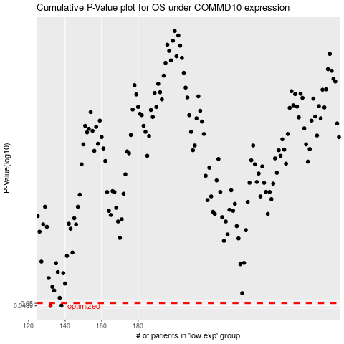

 |  |  |  |  |  | cases_OS | p_OS | rank | exp
 |  |  |  |  |  | 132 | 0.0489 | 244 | -0.47707339159
 |  |  |  |  |  | 138 | 0.049 | 62 | -0.46304120146
 |  |  |  |  |  |  | cases_RFS | p_RFS | rank | exp
 |  |  |  |  |  |  | 131 | 0.0489 | 406 | -0.47736601079
 |  |  |  |  |  |  | 137 | 0.049 | 146 | -0.46419899246

