COMMD2 _multivariate
Reported by Tex Li-Hsing Chi. tex@gate.sinica.edu.tw 2019-08-20

Table 2. The clinicopathological features of HNSCC cohort and COMMD2 expression. (Chi square test)
Cutoff at -0.212 (49.8%)
 |  | COMMD2 expression |  | COMMD2 expression |  | (Optimised)
 | Features | Low | (%) | High | (%) | Case no | P-value | Remark | Matthews
Gender | Female | 138 | 33.3 | 168 | 40.5 | 415 | 0.0016 | 1 | 0
2 | Male | 69 | 16.6 | 40 | 9.6
Age at diagnosis | <=65y | 131 | 31.6 | 143 | 34.5 | 415 | 0.2839 | 0 | 0
4 | >65y | 76 | 18.3 | 65 | 15.7
Clinical T Status | T1+T2 | 74 | 17.8 | 75 | 18.1 | 415 | 1 | 0 | 0
6 | T3+T4 | 133 | 32 | 133 | 32
Clinical N Status | N0 | 113 | 27.2 | 103 | 24.8 | 415 | 0.3495 | 1 | 0
8 | N1-3 | 94 | 22.7 | 105 | 25.3
Clinical M Status | M0 | 204 | 49.2 | 208 | 50.1 | 415 | 0.1232 | 0 | 0
10 | M1 | 3 | 0.7 | 0 | 0
Clinical Stage | Stage I+II | 52 | 12.5 | 50 | 12 | 415 | 0.8871 | 0 | 0
12 | Stage III+IV | 155 | 37.3 | 158 | 38.1
Surgical Margin status | Negative | 159 | 38.3 | 159 | 38.3 | 415 | 1 | 0 | 0
14 | Positive | 48 | 11.6 | 49 | 11.8
Tobacco Exposure | Low | 94 | 22.7 | 67 | 16.1 | 415 | 0.0065 | 1 | 0
16 | High | 113 | 27.2 | 141 | 34

Table 3. Univariate/Multivariate Cox's proportional hazards regression analyses on OS time of COMMD2 gene expression in HNSCC

 |  | Univariate |  |  |  | Multivariate
 | Features | HR | CI95%(L) | CI95%(H) | P-value | HR | CI95%(L) | CI95%(H) | P-value
1 | Female | 1 |  |  |  | 1
Gender | Male | 1.157 | 0.843 | 1.587 | 0.367 | 1.255 | 0.895 | 1.76 | 0.187
11 | <=65y | 1 |  |  |  | 1
Age at diagnosis | >65y | 1.329 | 0.99 | 1.784 | 0.058 | 1.373 | 1.01 | 1.867 | 0.043
12 | T1+T2 | 1 |  |  |  | 1
Clinical T Status | T3+T4 | 1.409 | 1.028 | 1.931 | 0.033 | 2.285 | 1.205 | 4.332 | 0.011
13 | N0 | 1 |  |  |  | 1
Clinical N Status | N1-3 | 1.185 | 0.89 | 1.577 | 0.246 | 1.241 | 0.869 | 1.771 | 0.234
14 | M0 | 1 |  |  |  | 1
Clinical M Status | M1 | 4.097 | 1.009 | 16.644 | 0.049 | 11.167 | 2.395 | 52.077 | 0.002
15 | Stage I+II | 1 |  |  |  | 1
Clinical Stage | Stage III+IV | 1.245 | 0.882 | 1.759 | 0.213 | 0.49 | 0.228 | 1.053 | 0.068
16 | Negative | 1 |  |  |  | 1
Surgical Margin status | Positive | 1.591 | 1.155 | 2.191 | 0.004 | 1.708 | 1.233 | 2.365 | 0.001
17 | Low | 1 |  |  |  | 1
Tobacco Exposure | High | 1.364 | 1.008 | 1.844 | 0.044 | 1.424 | 1.034 | 1.961 | 0.03
18 | Low | 1 |  |  |  | 1
RNAseq(z-score) | High | 1.161 | 0.87 | 1.548 | 0.31 | 1.269 | 0.941 | 1.71 | 0.119

Table 4. Univariate/Multivariate Cox's proportional hazards regression analyses on RFS time of COMMD2 gene expression in HNSCC

 |  | Univariate |  |  |  | Multivariate
 | Features | HR | CI95%(L) | CI95%(H) | P-value | HR | CI95%(L) | CI95%(H) | P-value
1 | Female | 1 |  |  |  | 1
Gender | Male | 1.157 | 0.843 | 1.587 | 0.367 | 1.255 | 0.895 | 1.76 | 0.187
11 | <=65y | 1 |  |  |  | 1
Age at diagnosis | >65y | 1.329 | 0.99 | 1.784 | 0.058 | 1.373 | 1.01 | 1.867 | 0.043
12 | T1+T2 | 1 |  |  |  | 1
Clinical T Status | T3+T4 | 1.409 | 1.028 | 1.931 | 0.033 | 2.285 | 1.205 | 4.332 | 0.011
13 | N0 | 1 |  |  |  | 1
Clinical N Status | N1-3 | 1.185 | 0.89 | 1.577 | 0.246 | 1.241 | 0.869 | 1.771 | 0.234
14 | M0 | 1 |  |  |  | 1
Clinical M Status | M1 | 4.097 | 1.009 | 16.644 | 0.049 | 11.167 | 2.395 | 52.077 | 0.002
15 | Stage I+II | 1 |  |  |  | 1
Clinical Stage | Stage III+IV | 1.245 | 0.882 | 1.759 | 0.213 | 0.49 | 0.228 | 1.053 | 0.068
16 | Negative | 1 |  |  |  | 1
Surgical Margin status | Positive | 1.591 | 1.155 | 2.191 | 0.004 | 1.708 | 1.233 | 2.365 | 0.001
17 | Low | 1 |  |  |  | 1
Tobacco Exposure | High | 1.364 | 1.008 | 1.844 | 0.044 | 1.424 | 1.034 | 1.961 | 0.03
18 | Low | 1 |  |  |  | 1
RNAseq(z-score) | High | 1.161 | 0.87 | 1.548 | 0.31 | 1.269 | 0.941 | 1.71 | 0.119

Kaplan-Meier survival estimate: Cutoff at -0.212 (49.8%)



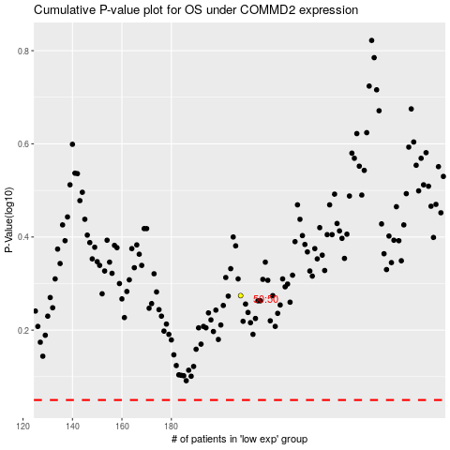

 |  |  |  |  |  | cases_OS | p_OS | rank | exp
 |  |  |  |  |  |  | cases_RFS | p_RFS | rank | exp

