COMMD4 _multivariate
Reported by Tex Li-Hsing Chi. tex@gate.sinica.edu.tw 2019-08-20

Table 2. The clinicopathological features of HNSCC cohort and COMMD4 expression. (Chi square test)
Cutoff at -0.258 (50.0%)
 |  | COMMD4 expression |  | COMMD4 expression |  | (Optimised)
 | Features | Low | (%) | High | (%) | Case no | P-value | Remark | Matthews
Gender | Female | 150 | 36.1 | 156 | 37.6 | 415 | 0.6344 | 0 | 0
2 | Male | 57 | 13.7 | 52 | 12.5
Age at diagnosis | <=65y | 137 | 33 | 137 | 33 | 415 | 1 | 0 | 0
4 | >65y | 70 | 16.9 | 71 | 17.1
Clinical T Status | T1+T2 | 70 | 16.9 | 79 | 19 | 415 | 0.4343 | 0 | 0
6 | T3+T4 | 137 | 33 | 129 | 31.1
Clinical N Status | N0 | 108 | 26 | 108 | 26 | 415 | 1 | 0 | 0
8 | N1-3 | 99 | 23.9 | 100 | 24.1
Clinical M Status | M0 | 207 | 49.9 | 205 | 49.4 | 415 | 0.2482 | 0 | 0
10 | M1 | 0 | 0 | 3 | 0.7
Clinical Stage | Stage I+II | 49 | 11.8 | 53 | 12.8 | 415 | 0.7535 | 0 | 0
12 | Stage III+IV | 158 | 38.1 | 155 | 37.3
Surgical Margin status | Negative | 164 | 39.5 | 154 | 37.1 | 415 | 0.2462 | 0 | 0
14 | Positive | 43 | 10.4 | 54 | 13
Tobacco Exposure | Low | 85 | 20.5 | 76 | 18.3 | 415 | 0.3655 | 0 | 0
16 | High | 122 | 29.4 | 132 | 31.8

Table 3. Univariate/Multivariate Cox's proportional hazards regression analyses on OS time of COMMD4 gene expression in HNSCC

 |  | Univariate |  |  |  | Multivariate
 | Features | HR | CI95%(L) | CI95%(H) | P-value | HR | CI95%(L) | CI95%(H) | P-value
1 | Female | 1 |  |  |  | 1
Gender | Male | 1.157 | 0.843 | 1.587 | 0.367 | 1.204 | 0.862 | 1.681 | 0.276
11 | <=65y | 1 |  |  |  | 1
Age at diagnosis | >65y | 1.329 | 0.99 | 1.784 | 0.058 | 1.404 | 1.032 | 1.911 | 0.031
12 | T1+T2 | 1 |  |  |  | 1
Clinical T Status | T3+T4 | 1.409 | 1.028 | 1.931 | 0.033 | 2.2 | 1.164 | 4.159 | 0.015
13 | N0 | 1 |  |  |  | 1
Clinical N Status | N1-3 | 1.185 | 0.89 | 1.577 | 0.246 | 1.241 | 0.87 | 1.771 | 0.234
14 | M0 | 1 |  |  |  | 1
Clinical M Status | M1 | 4.097 | 1.009 | 16.644 | 0.049 | 10.042 | 2.171 | 46.444 | 0.003
15 | Stage I+II | 1 |  |  |  | 1
Clinical Stage | Stage III+IV | 1.245 | 0.882 | 1.759 | 0.213 | 0.5 | 0.233 | 1.074 | 0.076
16 | Negative | 1 |  |  |  | 1
Surgical Margin status | Positive | 1.591 | 1.155 | 2.191 | 0.004 | 1.687 | 1.22 | 2.334 | 0.002
17 | Low | 1 |  |  |  | 1
Tobacco Exposure | High | 1.364 | 1.008 | 1.844 | 0.044 | 1.478 | 1.069 | 2.042 | 0.018
18 | Low | 1 |  |  |  | 1
RNAseq(z-score) | High | 0.983 | 0.738 | 1.309 | 0.906 | 0.889 | 0.664 | 1.19 | 0.429

Table 4. Univariate/Multivariate Cox's proportional hazards regression analyses on RFS time of COMMD4 gene expression in HNSCC

 |  | Univariate |  |  |  | Multivariate
 | Features | HR | CI95%(L) | CI95%(H) | P-value | HR | CI95%(L) | CI95%(H) | P-value
1 | Female | 1 |  |  |  | 1
Gender | Male | 1.157 | 0.843 | 1.587 | 0.367 | 1.204 | 0.862 | 1.681 | 0.276
11 | <=65y | 1 |  |  |  | 1
Age at diagnosis | >65y | 1.329 | 0.99 | 1.784 | 0.058 | 1.404 | 1.032 | 1.911 | 0.031
12 | T1+T2 | 1 |  |  |  | 1
Clinical T Status | T3+T4 | 1.409 | 1.028 | 1.931 | 0.033 | 2.2 | 1.164 | 4.159 | 0.015
13 | N0 | 1 |  |  |  | 1
Clinical N Status | N1-3 | 1.185 | 0.89 | 1.577 | 0.246 | 1.241 | 0.87 | 1.771 | 0.234
14 | M0 | 1 |  |  |  | 1
Clinical M Status | M1 | 4.097 | 1.009 | 16.644 | 0.049 | 10.042 | 2.171 | 46.444 | 0.003
15 | Stage I+II | 1 |  |  |  | 1
Clinical Stage | Stage III+IV | 1.245 | 0.882 | 1.759 | 0.213 | 0.5 | 0.233 | 1.074 | 0.076
16 | Negative | 1 |  |  |  | 1
Surgical Margin status | Positive | 1.591 | 1.155 | 2.191 | 0.004 | 1.687 | 1.22 | 2.334 | 0.002
17 | Low | 1 |  |  |  | 1
Tobacco Exposure | High | 1.364 | 1.008 | 1.844 | 0.044 | 1.478 | 1.069 | 2.042 | 0.018
18 | Low | 1 |  |  |  | 1
RNAseq(z-score) | High | 0.983 | 0.738 | 1.309 | 0.906 | 0.889 | 0.664 | 1.19 | 0.429

Kaplan-Meier survival estimate: Cutoff at -0.258 (50.0%)



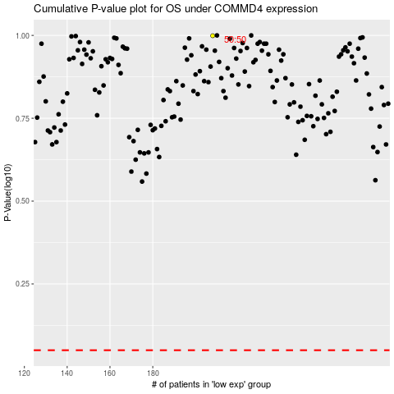

 |  |  |  |  |  | cases_OS | p_OS | rank | exp
 |  |  |  |  |  |  | cases_RFS | p_RFS | rank | exp

