COMMD6 _multivariate
Reported by Tex Li-Hsing Chi. tex@gate.sinica.edu.tw 2019-08-20

Table 2. The clinicopathological features of HNSCC cohort and COMMD6 expression. (Chi square test)
Cutoff at -0.272 (50.0%)
 |  | COMMD6 expression |  | COMMD6 expression |  | (Optimised)
 | Features | Low | (%) | High | (%) | Case no | P-value | Remark | Matthews
Gender | Female | 148 | 35.7 | 158 | 38.1 | 415 | 0.3567 | 0 | 0
2 | Male | 59 | 14.2 | 50 | 12
Age at diagnosis | <=65y | 141 | 34 | 133 | 32 | 415 | 0.4272 | 0 | 0
4 | >65y | 66 | 15.9 | 75 | 18.1
Clinical T Status | T1+T2 | 75 | 18.1 | 74 | 17.8 | 415 | 0.9707 | 0 | 0
6 | T3+T4 | 132 | 31.8 | 134 | 32.3
Clinical N Status | N0 | 111 | 26.7 | 105 | 25.3 | 415 | 0.5875 | 0 | 0
8 | N1-3 | 96 | 23.1 | 103 | 24.8
Clinical M Status | M0 | 207 | 49.9 | 205 | 49.4 | 415 | 0.2482 | 0 | 0
10 | M1 | 0 | 0 | 3 | 0.7
Clinical Stage | Stage I+II | 54 | 13 | 48 | 11.6 | 415 | 0.5498 | 0 | 0
12 | Stage III+IV | 153 | 36.9 | 160 | 38.6
Surgical Margin status | Negative | 163 | 39.3 | 155 | 37.3 | 415 | 0.3537 | 0 | 0
14 | Positive | 44 | 10.6 | 53 | 12.8
Tobacco Exposure | Low | 77 | 18.6 | 84 | 20.2 | 415 | 0.5459 | 0 | 0
16 | High | 130 | 31.3 | 124 | 29.9

Table 3. Univariate/Multivariate Cox's proportional hazards regression analyses on OS time of COMMD6 gene expression in HNSCC

 |  | Univariate |  |  |  | Multivariate
 | Features | HR | CI95%(L) | CI95%(H) | P-value | HR | CI95%(L) | CI95%(H) | P-value
1 | Female | 1 |  |  |  | 1
Gender | Male | 1.157 | 0.843 | 1.587 | 0.367 | 1.202 | 0.86 | 1.679 | 0.281
11 | <=65y | 1 |  |  |  | 1
Age at diagnosis | >65y | 1.329 | 0.99 | 1.784 | 0.058 | 1.388 | 1.021 | 1.887 | 0.036
12 | T1+T2 | 1 |  |  |  | 1
Clinical T Status | T3+T4 | 1.409 | 1.028 | 1.931 | 0.033 | 2.215 | 1.171 | 4.189 | 0.014
13 | N0 | 1 |  |  |  | 1
Clinical N Status | N1-3 | 1.185 | 0.89 | 1.577 | 0.246 | 1.24 | 0.869 | 1.769 | 0.236
14 | M0 | 1 |  |  |  | 1
Clinical M Status | M1 | 4.097 | 1.009 | 16.644 | 0.049 | 9.13 | 1.982 | 42.059 | 0.005
15 | Stage I+II | 1 |  |  |  | 1
Clinical Stage | Stage III+IV | 1.245 | 0.882 | 1.759 | 0.213 | 0.502 | 0.234 | 1.078 | 0.077
16 | Negative | 1 |  |  |  | 1
Surgical Margin status | Positive | 1.591 | 1.155 | 2.191 | 0.004 | 1.664 | 1.204 | 2.301 | 0.002
17 | Low | 1 |  |  |  | 1
Tobacco Exposure | High | 1.364 | 1.008 | 1.844 | 0.044 | 1.452 | 1.054 | 2.001 | 0.023
18 | Low | 1 |  |  |  | 1
RNAseq(z-score) | High | 1.09 | 0.819 | 1.452 | 0.554 | 1.072 | 0.802 | 1.431 | 0.639

Table 4. Univariate/Multivariate Cox's proportional hazards regression analyses on RFS time of COMMD6 gene expression in HNSCC

 |  | Univariate |  |  |  | Multivariate
 | Features | HR | CI95%(L) | CI95%(H) | P-value | HR | CI95%(L) | CI95%(H) | P-value
1 | Female | 1 |  |  |  | 1
Gender | Male | 1.157 | 0.843 | 1.587 | 0.367 | 1.202 | 0.86 | 1.679 | 0.281
11 | <=65y | 1 |  |  |  | 1
Age at diagnosis | >65y | 1.329 | 0.99 | 1.784 | 0.058 | 1.388 | 1.021 | 1.887 | 0.036
12 | T1+T2 | 1 |  |  |  | 1
Clinical T Status | T3+T4 | 1.409 | 1.028 | 1.931 | 0.033 | 2.215 | 1.171 | 4.189 | 0.014
13 | N0 | 1 |  |  |  | 1
Clinical N Status | N1-3 | 1.185 | 0.89 | 1.577 | 0.246 | 1.24 | 0.869 | 1.769 | 0.236
14 | M0 | 1 |  |  |  | 1
Clinical M Status | M1 | 4.097 | 1.009 | 16.644 | 0.049 | 9.13 | 1.982 | 42.059 | 0.005
15 | Stage I+II | 1 |  |  |  | 1
Clinical Stage | Stage III+IV | 1.245 | 0.882 | 1.759 | 0.213 | 0.502 | 0.234 | 1.078 | 0.077
16 | Negative | 1 |  |  |  | 1
Surgical Margin status | Positive | 1.591 | 1.155 | 2.191 | 0.004 | 1.664 | 1.204 | 2.301 | 0.002
17 | Low | 1 |  |  |  | 1
Tobacco Exposure | High | 1.364 | 1.008 | 1.844 | 0.044 | 1.452 | 1.054 | 2.001 | 0.023
18 | Low | 1 |  |  |  | 1
RNAseq(z-score) | High | 1.09 | 0.819 | 1.452 | 0.554 | 1.072 | 0.802 | 1.431 | 0.639

Kaplan-Meier survival estimate: Cutoff at -0.272 (50.0%)



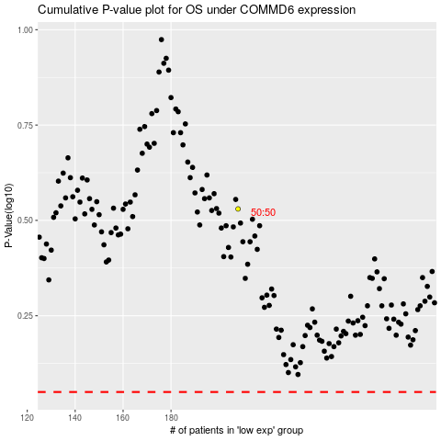

 |  |  |  |  |  | cases_OS | p_OS | rank | exp
 |  |  |  |  |  |  | cases_RFS | p_RFS | rank | exp

