COMMD7 _multivariate
Reported by Tex Li-Hsing Chi. tex@gate.sinica.edu.tw 2019-08-20

Table 2. The clinicopathological features of HNSCC cohort and COMMD7 expression. (Chi square test)
Cutoff at -0.207 (50.0%)
 |  | COMMD7 expression |  | COMMD7 expression |  | (Optimised)
 | Features | Low | (%) | High | (%) | Case no | P-value | Remark | Matthews
Gender | Female | 154 | 37.1 | 152 | 36.6 | 415 | 0.8463 | 0 | 0
2 | Male | 53 | 12.8 | 56 | 13.5
Age at diagnosis | <=65y | 132 | 31.8 | 142 | 34.2 | 415 | 0.3874 | 0 | 0
4 | >65y | 75 | 18.1 | 66 | 15.9
Clinical T Status | T1+T2 | 77 | 18.6 | 72 | 17.3 | 415 | 0.6556 | 0 | 0
6 | T3+T4 | 130 | 31.3 | 136 | 32.8
Clinical N Status | N0 | 105 | 25.3 | 111 | 26.7 | 415 | 0.6598 | 0 | 0
8 | N1-3 | 102 | 24.6 | 97 | 23.4
Clinical M Status | M0 | 206 | 49.6 | 206 | 49.6 | 415 | 1 | 0 | 0
10 | M1 | 1 | 0.2 | 2 | 0.5
Clinical Stage | Stage I+II | 50 | 12 | 52 | 12.5 | 415 | 0.9315 | 0 | 0
12 | Stage III+IV | 157 | 37.8 | 156 | 37.6
Surgical Margin status | Negative | 156 | 37.6 | 162 | 39 | 415 | 0.5636 | 0 | 0
14 | Positive | 51 | 12.3 | 46 | 11.1
Tobacco Exposure | Low | 86 | 20.7 | 75 | 18.1 | 415 | 0.2687 | 0 | 0
16 | High | 121 | 29.2 | 133 | 32

Table 3. Univariate/Multivariate Cox's proportional hazards regression analyses on OS time of COMMD7 gene expression in HNSCC

 |  | Univariate |  |  |  | Multivariate
 | Features | HR | CI95%(L) | CI95%(H) | P-value | HR | CI95%(L) | CI95%(H) | P-value
1 | Female | 1 |  |  |  | 1
Gender | Male | 1.157 | 0.843 | 1.587 | 0.367 | 1.201 | 0.861 | 1.676 | 0.28
11 | <=65y | 1 |  |  |  | 1
Age at diagnosis | >65y | 1.329 | 0.99 | 1.784 | 0.058 | 1.409 | 1.036 | 1.915 | 0.029
12 | T1+T2 | 1 |  |  |  | 1
Clinical T Status | T3+T4 | 1.409 | 1.028 | 1.931 | 0.033 | 2.17 | 1.148 | 4.103 | 0.017
13 | N0 | 1 |  |  |  | 1
Clinical N Status | N1-3 | 1.185 | 0.89 | 1.577 | 0.246 | 1.244 | 0.872 | 1.774 | 0.228
14 | M0 | 1 |  |  |  | 1
Clinical M Status | M1 | 4.097 | 1.009 | 16.644 | 0.049 | 8.796 | 1.911 | 40.484 | 0.005
15 | Stage I+II | 1 |  |  |  | 1
Clinical Stage | Stage III+IV | 1.245 | 0.882 | 1.759 | 0.213 | 0.517 | 0.241 | 1.109 | 0.09
16 | Negative | 1 |  |  |  | 1
Surgical Margin status | Positive | 1.591 | 1.155 | 2.191 | 0.004 | 1.67 | 1.209 | 2.306 | 0.002
17 | Low | 1 |  |  |  | 1
Tobacco Exposure | High | 1.364 | 1.008 | 1.844 | 0.044 | 1.444 | 1.049 | 1.987 | 0.024
18 | Low | 1 |  |  |  | 1
RNAseq(z-score) | High | 1.195 | 0.895 | 1.594 | 0.227 | 1.193 | 0.892 | 1.596 | 0.235

Table 4. Univariate/Multivariate Cox's proportional hazards regression analyses on RFS time of COMMD7 gene expression in HNSCC

 |  | Univariate |  |  |  | Multivariate
 | Features | HR | CI95%(L) | CI95%(H) | P-value | HR | CI95%(L) | CI95%(H) | P-value
1 | Female | 1 |  |  |  | 1
Gender | Male | 1.157 | 0.843 | 1.587 | 0.367 | 1.201 | 0.861 | 1.676 | 0.28
11 | <=65y | 1 |  |  |  | 1
Age at diagnosis | >65y | 1.329 | 0.99 | 1.784 | 0.058 | 1.409 | 1.036 | 1.915 | 0.029
12 | T1+T2 | 1 |  |  |  | 1
Clinical T Status | T3+T4 | 1.409 | 1.028 | 1.931 | 0.033 | 2.17 | 1.148 | 4.103 | 0.017
13 | N0 | 1 |  |  |  | 1
Clinical N Status | N1-3 | 1.185 | 0.89 | 1.577 | 0.246 | 1.244 | 0.872 | 1.774 | 0.228
14 | M0 | 1 |  |  |  | 1
Clinical M Status | M1 | 4.097 | 1.009 | 16.644 | 0.049 | 8.796 | 1.911 | 40.484 | 0.005
15 | Stage I+II | 1 |  |  |  | 1
Clinical Stage | Stage III+IV | 1.245 | 0.882 | 1.759 | 0.213 | 0.517 | 0.241 | 1.109 | 0.09
16 | Negative | 1 |  |  |  | 1
Surgical Margin status | Positive | 1.591 | 1.155 | 2.191 | 0.004 | 1.67 | 1.209 | 2.306 | 0.002
17 | Low | 1 |  |  |  | 1
Tobacco Exposure | High | 1.364 | 1.008 | 1.844 | 0.044 | 1.444 | 1.049 | 1.987 | 0.024
18 | Low | 1 |  |  |  | 1
RNAseq(z-score) | High | 1.195 | 0.895 | 1.594 | 0.227 | 1.193 | 0.892 | 1.596 | 0.235

Kaplan-Meier survival estimate: Cutoff at -0.207 (50.0%)



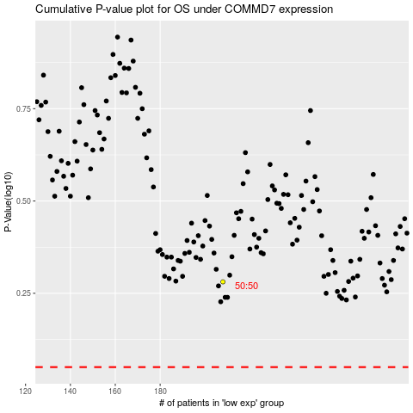

 |  |  |  |  |  | cases_OS | p_OS | rank | exp
 |  |  |  |  |  |  | cases_RFS | p_RFS | rank | exp

