COMMD8 _multivariate
Reported by Tex Li-Hsing Chi. tex@gate.sinica.edu.tw 2019-08-20

Table 2. The clinicopathological features of HNSCC cohort and COMMD8 expression. (Chi square test)
Cutoff at -0.091 (50.0%)
 |  | COMMD8 expression |  | COMMD8 expression |  | (Optimised)
 | Features | Low | (%) | High | (%) | Case no | P-value | Remark | Matthews
Gender | Female | 158 | 38.1 | 148 | 35.7 | 415 | 0.2774 | 0 | 0
2 | Male | 49 | 11.8 | 60 | 14.5
Age at diagnosis | <=65y | 140 | 33.7 | 134 | 32.3 | 415 | 0.5574 | 0 | 0
4 | >65y | 67 | 16.1 | 74 | 17.8
Clinical T Status | T1+T2 | 64 | 15.4 | 85 | 20.5 | 415 | 0.0445 | 1 | 0
6 | T3+T4 | 143 | 34.5 | 123 | 29.6
Clinical N Status | N0 | 96 | 23.1 | 120 | 28.9 | 415 | 0.0272 | 1 | 0
8 | N1-3 | 111 | 26.7 | 88 | 21.2
Clinical M Status | M0 | 206 | 49.6 | 206 | 49.6 | 415 | 1 | 0 | 0
10 | M1 | 1 | 0.2 | 2 | 0.5
Clinical Stage | Stage I+II | 37 | 8.9 | 65 | 15.7 | 415 | 0.0023 | 1 | 0
12 | Stage III+IV | 170 | 41 | 143 | 34.5
Surgical Margin status | Negative | 158 | 38.1 | 160 | 38.6 | 415 | 0.9081 | 0 | 0
14 | Positive | 49 | 11.8 | 48 | 11.6
Tobacco Exposure | Low | 62 | 14.9 | 99 | 23.9 | 415 | 3e-04 | 1 | 0
16 | High | 145 | 34.9 | 109 | 26.3

Table 3. Univariate/Multivariate Cox's proportional hazards regression analyses on OS time of COMMD8 gene expression in HNSCC

 |  | Univariate |  |  |  | Multivariate
 | Features | HR | CI95%(L) | CI95%(H) | P-value | HR | CI95%(L) | CI95%(H) | P-value
1 | Female | 1 |  |  |  | 1
Gender | Male | 1.157 | 0.843 | 1.587 | 0.367 | 1.198 | 0.858 | 1.673 | 0.289
11 | <=65y | 1 |  |  |  | 1
Age at diagnosis | >65y | 1.329 | 0.99 | 1.784 | 0.058 | 1.407 | 1.035 | 1.914 | 0.029
12 | T1+T2 | 1 |  |  |  | 1
Clinical T Status | T3+T4 | 1.409 | 1.028 | 1.931 | 0.033 | 2.202 | 1.165 | 4.162 | 0.015
13 | N0 | 1 |  |  |  | 1
Clinical N Status | N1-3 | 1.185 | 0.89 | 1.577 | 0.246 | 1.261 | 0.882 | 1.802 | 0.203
14 | M0 | 1 |  |  |  | 1
Clinical M Status | M1 | 4.097 | 1.009 | 16.644 | 0.049 | 9.127 | 1.989 | 41.887 | 0.004
15 | Stage I+II | 1 |  |  |  | 1
Clinical Stage | Stage III+IV | 1.245 | 0.882 | 1.759 | 0.213 | 0.518 | 0.241 | 1.114 | 0.092
16 | Negative | 1 |  |  |  | 1
Surgical Margin status | Positive | 1.591 | 1.155 | 2.191 | 0.004 | 1.656 | 1.198 | 2.289 | 0.002
17 | Low | 1 |  |  |  | 1
Tobacco Exposure | High | 1.364 | 1.008 | 1.844 | 0.044 | 1.476 | 1.069 | 2.038 | 0.018
18 | Low | 1 |  |  |  | 1
RNAseq(z-score) | High | 1.047 | 0.786 | 1.395 | 0.752 | 1.141 | 0.845 | 1.54 | 0.389

Table 4. Univariate/Multivariate Cox's proportional hazards regression analyses on RFS time of COMMD8 gene expression in HNSCC

 |  | Univariate |  |  |  | Multivariate
 | Features | HR | CI95%(L) | CI95%(H) | P-value | HR | CI95%(L) | CI95%(H) | P-value
1 | Female | 1 |  |  |  | 1
Gender | Male | 1.157 | 0.843 | 1.587 | 0.367 | 1.198 | 0.858 | 1.673 | 0.289
11 | <=65y | 1 |  |  |  | 1
Age at diagnosis | >65y | 1.329 | 0.99 | 1.784 | 0.058 | 1.407 | 1.035 | 1.914 | 0.029
12 | T1+T2 | 1 |  |  |  | 1
Clinical T Status | T3+T4 | 1.409 | 1.028 | 1.931 | 0.033 | 2.202 | 1.165 | 4.162 | 0.015
13 | N0 | 1 |  |  |  | 1
Clinical N Status | N1-3 | 1.185 | 0.89 | 1.577 | 0.246 | 1.261 | 0.882 | 1.802 | 0.203
14 | M0 | 1 |  |  |  | 1
Clinical M Status | M1 | 4.097 | 1.009 | 16.644 | 0.049 | 9.127 | 1.989 | 41.887 | 0.004
15 | Stage I+II | 1 |  |  |  | 1
Clinical Stage | Stage III+IV | 1.245 | 0.882 | 1.759 | 0.213 | 0.518 | 0.241 | 1.114 | 0.092
16 | Negative | 1 |  |  |  | 1
Surgical Margin status | Positive | 1.591 | 1.155 | 2.191 | 0.004 | 1.656 | 1.198 | 2.289 | 0.002
17 | Low | 1 |  |  |  | 1
Tobacco Exposure | High | 1.364 | 1.008 | 1.844 | 0.044 | 1.476 | 1.069 | 2.038 | 0.018
18 | Low | 1 |  |  |  | 1
RNAseq(z-score) | High | 1.047 | 0.786 | 1.395 | 0.752 | 1.141 | 0.845 | 1.54 | 0.389

Kaplan-Meier survival estimate: Cutoff at -0.091 (50.0%)



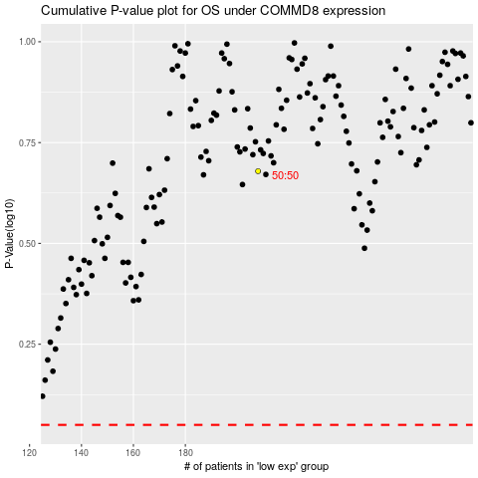

 |  |  |  |  |  | cases_OS | p_OS | rank | exp
 |  |  |  |  |  |  | cases_RFS | p_RFS | rank | exp

