COMMD9 _multivariate
Reported by Tex Li-Hsing Chi. tex@gate.sinica.edu.tw 2019-08-20

Table 2. The clinicopathological features of HNSCC cohort and COMMD9 expression. (Chi square test)
Cutoff at -0.15 (49.8%)
 |  | COMMD9 expression |  | COMMD9 expression |  | (Optimised)
 | Features | Low | (%) | High | (%) | Case no | P-value | Remark | Matthews
Gender | Female | 155 | 37.3 | 151 | 36.4 | 415 | 0.6768 | 0 | 0
2 | Male | 52 | 12.5 | 57 | 13.7
Age at diagnosis | <=65y | 144 | 34.7 | 130 | 31.3 | 415 | 0.1568 | 0 | 0
4 | >65y | 63 | 15.2 | 78 | 18.8
Clinical T Status | T1+T2 | 61 | 14.7 | 88 | 21.2 | 415 | 0.0087 | 1 | 0
6 | T3+T4 | 146 | 35.2 | 120 | 28.9
Clinical N Status | N0 | 101 | 24.3 | 115 | 27.7 | 415 | 0.2201 | 0 | 0
8 | N1-3 | 106 | 25.5 | 93 | 22.4
Clinical M Status | M0 | 205 | 49.4 | 207 | 49.9 | 415 | 0.6232 | 0 | 0
10 | M1 | 2 | 0.5 | 1 | 0.2
Clinical Stage | Stage I+II | 37 | 8.9 | 65 | 15.7 | 415 | 0.0023 | 1 | 0
12 | Stage III+IV | 170 | 41 | 143 | 34.5
Surgical Margin status | Negative | 162 | 39 | 156 | 37.6 | 415 | 0.4867 | 0 | 0
14 | Positive | 45 | 10.8 | 52 | 12.5
Tobacco Exposure | Low | 65 | 15.7 | 96 | 23.1 | 415 | 0.0025 | 1 | 0
16 | High | 142 | 34.2 | 112 | 27

Table 3. Univariate/Multivariate Cox's proportional hazards regression analyses on OS time of COMMD9 gene expression in HNSCC

 |  | Univariate |  |  |  | Multivariate
 | Features | HR | CI95%(L) | CI95%(H) | P-value | HR | CI95%(L) | CI95%(H) | P-value
1 | Female | 1 |  |  |  | 1
Gender | Male | 1.157 | 0.843 | 1.587 | 0.367 | 1.199 | 0.858 | 1.675 | 0.288
11 | <=65y | 1 |  |  |  | 1
Age at diagnosis | >65y | 1.329 | 0.99 | 1.784 | 0.058 | 1.385 | 1.018 | 1.884 | 0.038
12 | T1+T2 | 1 |  |  |  | 1
Clinical T Status | T3+T4 | 1.409 | 1.028 | 1.931 | 0.033 | 2.214 | 1.17 | 4.188 | 0.015
13 | N0 | 1 |  |  |  | 1
Clinical N Status | N1-3 | 1.185 | 0.89 | 1.577 | 0.246 | 1.239 | 0.869 | 1.769 | 0.237
14 | M0 | 1 |  |  |  | 1
Clinical M Status | M1 | 4.097 | 1.009 | 16.644 | 0.049 | 9.465 | 2.064 | 43.407 | 0.004
15 | Stage I+II | 1 |  |  |  | 1
Clinical Stage | Stage III+IV | 1.245 | 0.882 | 1.759 | 0.213 | 0.509 | 0.237 | 1.092 | 0.083
16 | Negative | 1 |  |  |  | 1
Surgical Margin status | Positive | 1.591 | 1.155 | 2.191 | 0.004 | 1.664 | 1.203 | 2.301 | 0.002
17 | Low | 1 |  |  |  | 1
Tobacco Exposure | High | 1.364 | 1.008 | 1.844 | 0.044 | 1.463 | 1.06 | 2.018 | 0.021
18 | Low | 1 |  |  |  | 1
RNAseq(z-score) | High | 1.04 | 0.781 | 1.385 | 0.789 | 1.069 | 0.796 | 1.435 | 0.658

Table 4. Univariate/Multivariate Cox's proportional hazards regression analyses on RFS time of COMMD9 gene expression in HNSCC

 |  | Univariate |  |  |  | Multivariate
 | Features | HR | CI95%(L) | CI95%(H) | P-value | HR | CI95%(L) | CI95%(H) | P-value
1 | Female | 1 |  |  |  | 1
Gender | Male | 1.157 | 0.843 | 1.587 | 0.367 | 1.199 | 0.858 | 1.675 | 0.288
11 | <=65y | 1 |  |  |  | 1
Age at diagnosis | >65y | 1.329 | 0.99 | 1.784 | 0.058 | 1.385 | 1.018 | 1.884 | 0.038
12 | T1+T2 | 1 |  |  |  | 1
Clinical T Status | T3+T4 | 1.409 | 1.028 | 1.931 | 0.033 | 2.214 | 1.17 | 4.188 | 0.015
13 | N0 | 1 |  |  |  | 1
Clinical N Status | N1-3 | 1.185 | 0.89 | 1.577 | 0.246 | 1.239 | 0.869 | 1.769 | 0.237
14 | M0 | 1 |  |  |  | 1
Clinical M Status | M1 | 4.097 | 1.009 | 16.644 | 0.049 | 9.465 | 2.064 | 43.407 | 0.004
15 | Stage I+II | 1 |  |  |  | 1
Clinical Stage | Stage III+IV | 1.245 | 0.882 | 1.759 | 0.213 | 0.509 | 0.237 | 1.092 | 0.083
16 | Negative | 1 |  |  |  | 1
Surgical Margin status | Positive | 1.591 | 1.155 | 2.191 | 0.004 | 1.664 | 1.203 | 2.301 | 0.002
17 | Low | 1 |  |  |  | 1
Tobacco Exposure | High | 1.364 | 1.008 | 1.844 | 0.044 | 1.463 | 1.06 | 2.018 | 0.021
18 | Low | 1 |  |  |  | 1
RNAseq(z-score) | High | 1.04 | 0.781 | 1.385 | 0.789 | 1.069 | 0.796 | 1.435 | 0.658

Kaplan-Meier survival estimate: Cutoff at -0.15 (49.8%)

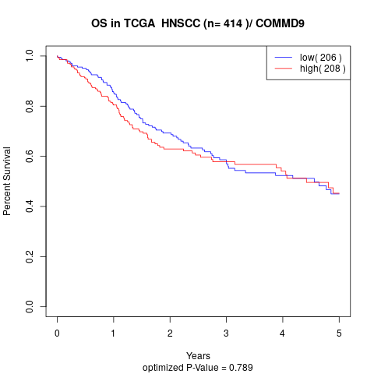

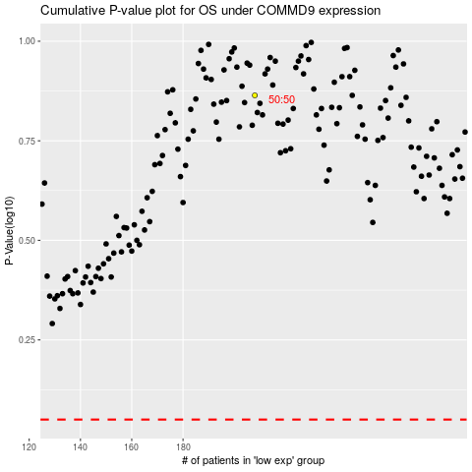

 |  |  |  |  |  | cases_OS | p_OS | rank | exp
 |  |  |  |  |  |  | cases_RFS | p_RFS | rank | exp

