COMTD1 _multivariate
Reported by Tex Li-Hsing Chi. tex@gate.sinica.edu.tw 2019-08-20

Table 2. The clinicopathological features of HNSCC cohort and COMTD1 expression. (Chi square test)
Cutoff at -0.242 (50.0%)
 |  | COMTD1 expression |  | COMTD1 expression |  | (Optimised)
 | Features | Low | (%) | High | (%) | Case no | P-value | Remark | Matthews
Gender | Female | 150 | 36.1 | 156 | 37.6 | 415 | 0.6344 | 0 | 0
2 | Male | 57 | 13.7 | 52 | 12.5
Age at diagnosis | <=65y | 133 | 32 | 141 | 34 | 415 | 0.5111 | 0 | 0
4 | >65y | 74 | 17.8 | 67 | 16.1
Clinical T Status | T1+T2 | 72 | 17.3 | 77 | 18.6 | 415 | 0.7095 | 0 | 0
6 | T3+T4 | 135 | 32.5 | 131 | 31.6
Clinical N Status | N0 | 111 | 26.7 | 105 | 25.3 | 415 | 0.5875 | 0 | 0
8 | N1-3 | 96 | 23.1 | 103 | 24.8
Clinical M Status | M0 | 207 | 49.9 | 205 | 49.4 | 415 | 0.2482 | 0 | 0
10 | M1 | 0 | 0 | 3 | 0.7
Clinical Stage | Stage I+II | 50 | 12 | 52 | 12.5 | 415 | 0.9315 | 0 | 0
12 | Stage III+IV | 157 | 37.8 | 156 | 37.6
Surgical Margin status | Negative | 164 | 39.5 | 154 | 37.1 | 415 | 0.2462 | 0 | 0
14 | Positive | 43 | 10.4 | 54 | 13
Tobacco Exposure | Low | 75 | 18.1 | 86 | 20.7 | 415 | 0.3141 | 0 | 0
16 | High | 132 | 31.8 | 122 | 29.4

Table 3. Univariate/Multivariate Cox's proportional hazards regression analyses on OS time of COMTD1 gene expression in HNSCC

 |  | Univariate |  |  |  | Multivariate
 | Features | HR | CI95%(L) | CI95%(H) | P-value | HR | CI95%(L) | CI95%(H) | P-value
1 | Female | 1 |  |  |  | 1
Gender | Male | 1.157 | 0.843 | 1.587 | 0.367 | 1.206 | 0.863 | 1.685 | 0.272
11 | <=65y | 1 |  |  |  | 1
Age at diagnosis | >65y | 1.329 | 0.99 | 1.784 | 0.058 | 1.38 | 1.013 | 1.88 | 0.041
12 | T1+T2 | 1 |  |  |  | 1
Clinical T Status | T3+T4 | 1.409 | 1.028 | 1.931 | 0.033 | 2.22 | 1.173 | 4.203 | 0.014
13 | N0 | 1 |  |  |  | 1
Clinical N Status | N1-3 | 1.185 | 0.89 | 1.577 | 0.246 | 1.246 | 0.873 | 1.778 | 0.226
14 | M0 | 1 |  |  |  | 1
Clinical M Status | M1 | 4.097 | 1.009 | 16.644 | 0.049 | 9.798 | 2.114 | 45.409 | 0.004
15 | Stage I+II | 1 |  |  |  | 1
Clinical Stage | Stage III+IV | 1.245 | 0.882 | 1.759 | 0.213 | 0.499 | 0.232 | 1.072 | 0.075
16 | Negative | 1 |  |  |  | 1
Surgical Margin status | Positive | 1.591 | 1.155 | 2.191 | 0.004 | 1.684 | 1.216 | 2.331 | 0.002
17 | Low | 1 |  |  |  | 1
Tobacco Exposure | High | 1.364 | 1.008 | 1.844 | 0.044 | 1.448 | 1.051 | 1.995 | 0.024
18 | Low | 1 |  |  |  | 1
RNAseq(z-score) | High | 0.991 | 0.744 | 1.321 | 0.952 | 0.936 | 0.697 | 1.256 | 0.659

Table 4. Univariate/Multivariate Cox's proportional hazards regression analyses on RFS time of COMTD1 gene expression in HNSCC

 |  | Univariate |  |  |  | Multivariate
 | Features | HR | CI95%(L) | CI95%(H) | P-value | HR | CI95%(L) | CI95%(H) | P-value
1 | Female | 1 |  |  |  | 1
Gender | Male | 1.157 | 0.843 | 1.587 | 0.367 | 1.206 | 0.863 | 1.685 | 0.272
11 | <=65y | 1 |  |  |  | 1
Age at diagnosis | >65y | 1.329 | 0.99 | 1.784 | 0.058 | 1.38 | 1.013 | 1.88 | 0.041
12 | T1+T2 | 1 |  |  |  | 1
Clinical T Status | T3+T4 | 1.409 | 1.028 | 1.931 | 0.033 | 2.22 | 1.173 | 4.203 | 0.014
13 | N0 | 1 |  |  |  | 1
Clinical N Status | N1-3 | 1.185 | 0.89 | 1.577 | 0.246 | 1.246 | 0.873 | 1.778 | 0.226
14 | M0 | 1 |  |  |  | 1
Clinical M Status | M1 | 4.097 | 1.009 | 16.644 | 0.049 | 9.798 | 2.114 | 45.409 | 0.004
15 | Stage I+II | 1 |  |  |  | 1
Clinical Stage | Stage III+IV | 1.245 | 0.882 | 1.759 | 0.213 | 0.499 | 0.232 | 1.072 | 0.075
16 | Negative | 1 |  |  |  | 1
Surgical Margin status | Positive | 1.591 | 1.155 | 2.191 | 0.004 | 1.684 | 1.216 | 2.331 | 0.002
17 | Low | 1 |  |  |  | 1
Tobacco Exposure | High | 1.364 | 1.008 | 1.844 | 0.044 | 1.448 | 1.051 | 1.995 | 0.024
18 | Low | 1 |  |  |  | 1
RNAseq(z-score) | High | 0.991 | 0.744 | 1.321 | 0.952 | 0.936 | 0.697 | 1.256 | 0.659

Kaplan-Meier survival estimate: Cutoff at -0.242 (50.0%)



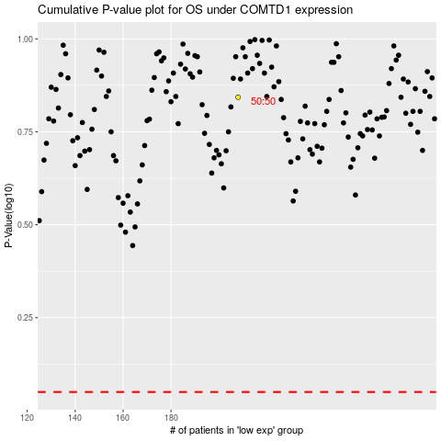

 |  |  |  |  |  | cases_OS | p_OS | rank | exp
 |  |  |  |  |  |  | cases_RFS | p_RFS | rank | exp

