COPB2 _multivariate
Reported by Tex Li-Hsing Chi. tex@gate.sinica.edu.tw 2019-08-20

Table 2. The clinicopathological features of HNSCC cohort and COPB2 expression. (Chi square test)
Cutoff at -0.125 (49.8%)
 |  | COPB2 expression |  | COPB2 expression |  | (Optimised)
 | Features | Low | (%) | High | (%) | Case no | P-value | Remark | Matthews
Gender | Female | 147 | 35.4 | 159 | 38.3 | 415 | 0.2523 | 0 | 0
2 | Male | 60 | 14.5 | 49 | 11.8
Age at diagnosis | <=65y | 137 | 33 | 137 | 33 | 415 | 1 | 0 | 0
4 | >65y | 70 | 16.9 | 71 | 17.1
Clinical T Status | T1+T2 | 75 | 18.1 | 74 | 17.8 | 415 | 0.9707 | 0 | 0
6 | T3+T4 | 132 | 31.8 | 134 | 32.3
Clinical N Status | N0 | 105 | 25.3 | 111 | 26.7 | 415 | 0.6598 | 0 | 0
8 | N1-3 | 102 | 24.6 | 97 | 23.4
Clinical M Status | M0 | 206 | 49.6 | 206 | 49.6 | 415 | 1 | 0 | 0
10 | M1 | 1 | 0.2 | 2 | 0.5
Clinical Stage | Stage I+II | 52 | 12.5 | 50 | 12 | 415 | 0.8871 | 0 | 0
12 | Stage III+IV | 155 | 37.3 | 158 | 38.1
Surgical Margin status | Negative | 157 | 37.8 | 161 | 38.8 | 415 | 0.729 | 0 | 0
14 | Positive | 50 | 12 | 47 | 11.3
Tobacco Exposure | Low | 94 | 22.7 | 67 | 16.1 | 415 | 0.0065 | 1 | 0
16 | High | 113 | 27.2 | 141 | 34

Table 3. Univariate/Multivariate Cox's proportional hazards regression analyses on OS time of COPB2 gene expression in HNSCC

 |  | Univariate |  |  |  | Multivariate
 | Features | HR | CI95%(L) | CI95%(H) | P-value | HR | CI95%(L) | CI95%(H) | P-value
1 | Female | 1 |  |  |  | 1
Gender | Male | 1.157 | 0.843 | 1.587 | 0.367 | 1.213 | 0.868 | 1.694 | 0.258
11 | <=65y | 1 |  |  |  | 1
Age at diagnosis | >65y | 1.329 | 0.99 | 1.784 | 0.058 | 1.376 | 1.011 | 1.872 | 0.042
12 | T1+T2 | 1 |  |  |  | 1
Clinical T Status | T3+T4 | 1.409 | 1.028 | 1.931 | 0.033 | 2.204 | 1.165 | 4.171 | 0.015
13 | N0 | 1 |  |  |  | 1
Clinical N Status | N1-3 | 1.185 | 0.89 | 1.577 | 0.246 | 1.255 | 0.879 | 1.793 | 0.211
14 | M0 | 1 |  |  |  | 1
Clinical M Status | M1 | 4.097 | 1.009 | 16.644 | 0.049 | 9.296 | 2.028 | 42.619 | 0.004
15 | Stage I+II | 1 |  |  |  | 1
Clinical Stage | Stage III+IV | 1.245 | 0.882 | 1.759 | 0.213 | 0.502 | 0.234 | 1.079 | 0.077
16 | Negative | 1 |  |  |  | 1
Surgical Margin status | Positive | 1.591 | 1.155 | 2.191 | 0.004 | 1.686 | 1.219 | 2.332 | 0.002
17 | Low | 1 |  |  |  | 1
Tobacco Exposure | High | 1.364 | 1.008 | 1.844 | 0.044 | 1.433 | 1.039 | 1.977 | 0.028
18 | Low | 1 |  |  |  | 1
RNAseq(z-score) | High | 1.108 | 0.831 | 1.477 | 0.485 | 1.128 | 0.841 | 1.514 | 0.422

Table 4. Univariate/Multivariate Cox's proportional hazards regression analyses on RFS time of COPB2 gene expression in HNSCC

 |  | Univariate |  |  |  | Multivariate
 | Features | HR | CI95%(L) | CI95%(H) | P-value | HR | CI95%(L) | CI95%(H) | P-value
1 | Female | 1 |  |  |  | 1
Gender | Male | 1.157 | 0.843 | 1.587 | 0.367 | 1.213 | 0.868 | 1.694 | 0.258
11 | <=65y | 1 |  |  |  | 1
Age at diagnosis | >65y | 1.329 | 0.99 | 1.784 | 0.058 | 1.376 | 1.011 | 1.872 | 0.042
12 | T1+T2 | 1 |  |  |  | 1
Clinical T Status | T3+T4 | 1.409 | 1.028 | 1.931 | 0.033 | 2.204 | 1.165 | 4.171 | 0.015
13 | N0 | 1 |  |  |  | 1
Clinical N Status | N1-3 | 1.185 | 0.89 | 1.577 | 0.246 | 1.255 | 0.879 | 1.793 | 0.211
14 | M0 | 1 |  |  |  | 1
Clinical M Status | M1 | 4.097 | 1.009 | 16.644 | 0.049 | 9.296 | 2.028 | 42.619 | 0.004
15 | Stage I+II | 1 |  |  |  | 1
Clinical Stage | Stage III+IV | 1.245 | 0.882 | 1.759 | 0.213 | 0.502 | 0.234 | 1.079 | 0.077
16 | Negative | 1 |  |  |  | 1
Surgical Margin status | Positive | 1.591 | 1.155 | 2.191 | 0.004 | 1.686 | 1.219 | 2.332 | 0.002
17 | Low | 1 |  |  |  | 1
Tobacco Exposure | High | 1.364 | 1.008 | 1.844 | 0.044 | 1.433 | 1.039 | 1.977 | 0.028
18 | Low | 1 |  |  |  | 1
RNAseq(z-score) | High | 1.108 | 0.831 | 1.477 | 0.485 | 1.128 | 0.841 | 1.514 | 0.422

Kaplan-Meier survival estimate: Cutoff at -0.125 (49.8%)



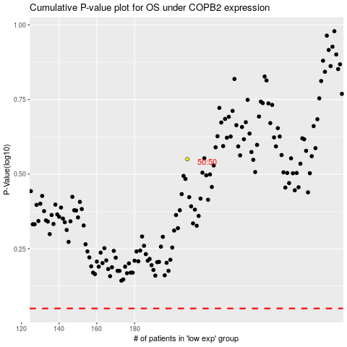

 |  |  |  |  |  | cases_OS | p_OS | rank | exp
 |  |  |  |  |  |  | cases_RFS | p_RFS | rank | exp

