COPG2 _multivariate
Reported by Tex Li-Hsing Chi. tex@gate.sinica.edu.tw 2019-08-20

Table 2. The clinicopathological features of HNSCC cohort and COPG2 expression. (Chi square test)
Cutoff at -0.54 (31.4%)
 |  | COPG2 expression |  | COPG2 expression |  | (Optimised)
 | Features | Low | (%) | High | (%) | Case no | P-value | Remark | Matthews
Gender | Female | 95 | 22.9 | 211 | 50.8 | 415 | 0.7931 | 0 | 0
2 | Male | 36 | 8.7 | 73 | 17.6
Age at diagnosis | <=65y | 83 | 20 | 191 | 46 | 415 | 0.5047 | 0 | 0
4 | >65y | 48 | 11.6 | 93 | 22.4
Clinical T Status | T1+T2 | 39 | 9.4 | 110 | 26.5 | 415 | 0.0972 | 0 | 0
6 | T3+T4 | 92 | 22.2 | 174 | 41.9
Clinical N Status | N0 | 65 | 15.7 | 151 | 36.4 | 415 | 0.5706 | 0 | 0
8 | N1-3 | 66 | 15.9 | 133 | 32
Clinical M Status | M0 | 131 | 31.6 | 281 | 67.7 | 415 | 0.5549 | 0 | 0
10 | M1 | 0 | 0 | 3 | 0.7
Clinical Stage | Stage I+II | 23 | 5.5 | 79 | 19 | 415 | 0.0329 | 1 | 0
12 | Stage III+IV | 108 | 26 | 205 | 49.4
Surgical Margin status | Negative | 102 | 24.6 | 216 | 52 | 415 | 0.7102 | 0 | 0
14 | Positive | 29 | 7 | 68 | 16.4
Tobacco Exposure | Low | 48 | 11.6 | 113 | 27.2 | 415 | 0.5884 | 0 | 0
16 | High | 83 | 20 | 171 | 41.2

Table 3. Univariate/Multivariate Cox's proportional hazards regression analyses on OS time of COPG2 gene expression in HNSCC

 |  | Univariate |  |  |  | Multivariate
 | Features | HR | CI95%(L) | CI95%(H) | P-value | HR | CI95%(L) | CI95%(H) | P-value
1 | Female | 1 |  |  |  | 1
Gender | Male | 1.157 | 0.843 | 1.587 | 0.367 | 1.202 | 0.86 | 1.678 | 0.282
11 | <=65y | 1 |  |  |  | 1
Age at diagnosis | >65y | 1.329 | 0.99 | 1.784 | 0.058 | 1.358 | 0.997 | 1.85 | 0.052
12 | T1+T2 | 1 |  |  |  | 1
Clinical T Status | T3+T4 | 1.409 | 1.028 | 1.931 | 0.033 | 2.178 | 1.151 | 4.121 | 0.017
13 | N0 | 1 |  |  |  | 1
Clinical N Status | N1-3 | 1.185 | 0.89 | 1.577 | 0.246 | 1.216 | 0.851 | 1.736 | 0.283
14 | M0 | 1 |  |  |  | 1
Clinical M Status | M1 | 4.097 | 1.009 | 16.644 | 0.049 | 10.303 | 2.238 | 47.437 | 0.003
15 | Stage I+II | 1 |  |  |  | 1
Clinical Stage | Stage III+IV | 1.245 | 0.882 | 1.759 | 0.213 | 0.494 | 0.23 | 1.061 | 0.071
16 | Negative | 1 |  |  |  | 1
Surgical Margin status | Positive | 1.591 | 1.155 | 2.191 | 0.004 | 1.658 | 1.2 | 2.292 | 0.002
17 | Low | 1 |  |  |  | 1
Tobacco Exposure | High | 1.364 | 1.008 | 1.844 | 0.044 | 1.446 | 1.05 | 1.993 | 0.024
18 | Low | 1 |  |  |  | 1
RNAseq(z-score) | High | 0.733 | 0.543 | 0.991 | 0.043 | 0.772 | 0.568 | 1.051 | 0.1

Table 4. Univariate/Multivariate Cox's proportional hazards regression analyses on RFS time of COPG2 gene expression in HNSCC

 |  | Univariate |  |  |  | Multivariate
 | Features | HR | CI95%(L) | CI95%(H) | P-value | HR | CI95%(L) | CI95%(H) | P-value
1 | Female | 1 |  |  |  | 1
Gender | Male | 1.157 | 0.843 | 1.587 | 0.367 | 1.202 | 0.86 | 1.678 | 0.282
11 | <=65y | 1 |  |  |  | 1
Age at diagnosis | >65y | 1.329 | 0.99 | 1.784 | 0.058 | 1.358 | 0.997 | 1.85 | 0.052
12 | T1+T2 | 1 |  |  |  | 1
Clinical T Status | T3+T4 | 1.409 | 1.028 | 1.931 | 0.033 | 2.178 | 1.151 | 4.121 | 0.017
13 | N0 | 1 |  |  |  | 1
Clinical N Status | N1-3 | 1.185 | 0.89 | 1.577 | 0.246 | 1.216 | 0.851 | 1.736 | 0.283
14 | M0 | 1 |  |  |  | 1
Clinical M Status | M1 | 4.097 | 1.009 | 16.644 | 0.049 | 10.303 | 2.238 | 47.437 | 0.003
15 | Stage I+II | 1 |  |  |  | 1
Clinical Stage | Stage III+IV | 1.245 | 0.882 | 1.759 | 0.213 | 0.494 | 0.23 | 1.061 | 0.071
16 | Negative | 1 |  |  |  | 1
Surgical Margin status | Positive | 1.591 | 1.155 | 2.191 | 0.004 | 1.658 | 1.2 | 2.292 | 0.002
17 | Low | 1 |  |  |  | 1
Tobacco Exposure | High | 1.364 | 1.008 | 1.844 | 0.044 | 1.446 | 1.05 | 1.993 | 0.024
18 | Low | 1 |  |  |  | 1
RNAseq(z-score) | High | 0.733 | 0.543 | 0.991 | 0.043 | 0.772 | 0.568 | 1.051 | 0.1

Kaplan-Meier survival estimate: Cutoff at -0.54 (31.4%)



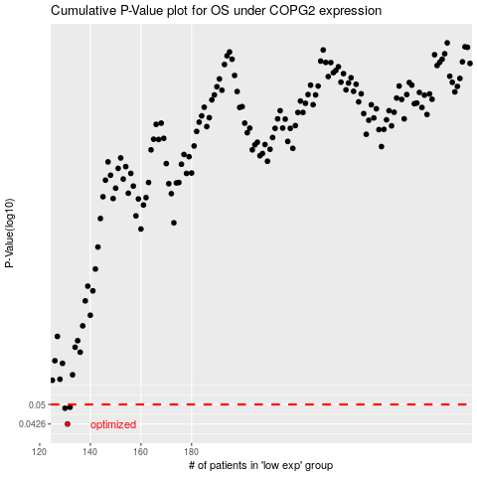

 |  |  |  |  |  | cases_OS | p_OS | rank | exp
 |  |  |  |  |  | 131 | 0.0426 | 353 | -0.54018949548
 |  |  |  |  |  | 130 | 0.0485 | 275 | -0.54106678414
 |  |  |  |  |  | 132 | 0.0489 | 44 | -0.5281981458
 |  |  |  |  |  |  | cases_RFS | p_RFS | rank | exp
 |  |  |  |  |  |  | 130 | 0.0426 | 275 | -0.54106678414
 |  |  |  |  |  |  | 129 | 0.0485 | 349 | -0.54888677618
 |  |  |  |  |  |  | 131 | 0.0489 | 353 | -0.54018949548

