COPS4 _multivariate
Reported by Tex Li-Hsing Chi. tex@gate.sinica.edu.tw 2019-08-20

Table 2. The clinicopathological features of HNSCC cohort and COPS4 expression. (Chi square test)
Cutoff at -0.189 (50.0%)
 |  | COPS4 expression |  | COPS4 expression |  | (Optimised)
 | Features | Low | (%) | High | (%) | Case no | P-value | Remark | Matthews
Gender | Female | 146 | 35.2 | 160 | 38.6 | 415 | 0.1714 | 0 | 0
2 | Male | 61 | 14.7 | 48 | 11.6
Age at diagnosis | <=65y | 125 | 30.1 | 149 | 35.9 | 415 | 0.0206 | 1 | 0
4 | >65y | 82 | 19.8 | 59 | 14.2
Clinical T Status | T1+T2 | 78 | 18.8 | 71 | 17.1 | 415 | 0.5152 | 0 | 0
6 | T3+T4 | 129 | 31.1 | 137 | 33
Clinical N Status | N0 | 116 | 28 | 100 | 24.1 | 415 | 0.1273 | 1 | 0
8 | N1-3 | 91 | 21.9 | 108 | 26
Clinical M Status | M0 | 205 | 49.4 | 207 | 49.9 | 415 | 0.6232 | 0 | 0
10 | M1 | 2 | 0.5 | 1 | 0.2
Clinical Stage | Stage I+II | 62 | 14.9 | 40 | 9.6 | 415 | 0.0154 | 1 | 0
12 | Stage III+IV | 145 | 34.9 | 168 | 40.5
Surgical Margin status | Negative | 162 | 39 | 156 | 37.6 | 415 | 0.4867 | 0 | 0
14 | Positive | 45 | 10.8 | 52 | 12.5
Tobacco Exposure | Low | 94 | 22.7 | 67 | 16.1 | 415 | 0.0065 | 1 | 0
16 | High | 113 | 27.2 | 141 | 34

Table 3. Univariate/Multivariate Cox's proportional hazards regression analyses on OS time of COPS4 gene expression in HNSCC

 |  | Univariate |  |  |  | Multivariate
 | Features | HR | CI95%(L) | CI95%(H) | P-value | HR | CI95%(L) | CI95%(H) | P-value
1 | Female | 1 |  |  |  | 1
Gender | Male | 1.157 | 0.843 | 1.587 | 0.367 | 1.202 | 0.861 | 1.68 | 0.28
11 | <=65y | 1 |  |  |  | 1
Age at diagnosis | >65y | 1.329 | 0.99 | 1.784 | 0.058 | 1.4 | 1.027 | 1.907 | 0.033
12 | T1+T2 | 1 |  |  |  | 1
Clinical T Status | T3+T4 | 1.409 | 1.028 | 1.931 | 0.033 | 2.225 | 1.173 | 4.221 | 0.014
13 | N0 | 1 |  |  |  | 1
Clinical N Status | N1-3 | 1.185 | 0.89 | 1.577 | 0.246 | 1.242 | 0.87 | 1.772 | 0.233
14 | M0 | 1 |  |  |  | 1
Clinical M Status | M1 | 4.097 | 1.009 | 16.644 | 0.049 | 9.533 | 2.075 | 43.803 | 0.004
15 | Stage I+II | 1 |  |  |  | 1
Clinical Stage | Stage III+IV | 1.245 | 0.882 | 1.759 | 0.213 | 0.498 | 0.231 | 1.074 | 0.075
16 | Negative | 1 |  |  |  | 1
Surgical Margin status | Positive | 1.591 | 1.155 | 2.191 | 0.004 | 1.664 | 1.203 | 2.302 | 0.002
17 | Low | 1 |  |  |  | 1
Tobacco Exposure | High | 1.364 | 1.008 | 1.844 | 0.044 | 1.445 | 1.047 | 1.995 | 0.025
18 | Low | 1 |  |  |  | 1
RNAseq(z-score) | High | 1.069 | 0.8 | 1.427 | 0.653 | 1.047 | 0.778 | 1.41 | 0.761

Table 4. Univariate/Multivariate Cox's proportional hazards regression analyses on RFS time of COPS4 gene expression in HNSCC

 |  | Univariate |  |  |  | Multivariate
 | Features | HR | CI95%(L) | CI95%(H) | P-value | HR | CI95%(L) | CI95%(H) | P-value
1 | Female | 1 |  |  |  | 1
Gender | Male | 1.157 | 0.843 | 1.587 | 0.367 | 1.202 | 0.861 | 1.68 | 0.28
11 | <=65y | 1 |  |  |  | 1
Age at diagnosis | >65y | 1.329 | 0.99 | 1.784 | 0.058 | 1.4 | 1.027 | 1.907 | 0.033
12 | T1+T2 | 1 |  |  |  | 1
Clinical T Status | T3+T4 | 1.409 | 1.028 | 1.931 | 0.033 | 2.225 | 1.173 | 4.221 | 0.014
13 | N0 | 1 |  |  |  | 1
Clinical N Status | N1-3 | 1.185 | 0.89 | 1.577 | 0.246 | 1.242 | 0.87 | 1.772 | 0.233
14 | M0 | 1 |  |  |  | 1
Clinical M Status | M1 | 4.097 | 1.009 | 16.644 | 0.049 | 9.533 | 2.075 | 43.803 | 0.004
15 | Stage I+II | 1 |  |  |  | 1
Clinical Stage | Stage III+IV | 1.245 | 0.882 | 1.759 | 0.213 | 0.498 | 0.231 | 1.074 | 0.075
16 | Negative | 1 |  |  |  | 1
Surgical Margin status | Positive | 1.591 | 1.155 | 2.191 | 0.004 | 1.664 | 1.203 | 2.302 | 0.002
17 | Low | 1 |  |  |  | 1
Tobacco Exposure | High | 1.364 | 1.008 | 1.844 | 0.044 | 1.445 | 1.047 | 1.995 | 0.025
18 | Low | 1 |  |  |  | 1
RNAseq(z-score) | High | 1.069 | 0.8 | 1.427 | 0.653 | 1.047 | 0.778 | 1.41 | 0.761

Kaplan-Meier survival estimate: Cutoff at -0.189 (50.0%)



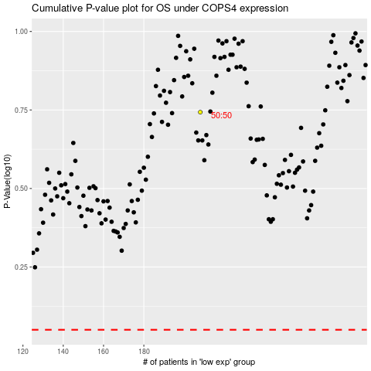

 |  |  |  |  |  | cases_OS | p_OS | rank | exp
 |  |  |  |  |  |  | cases_RFS | p_RFS | rank | exp

