COPS5 _multivariate
Reported by Tex Li-Hsing Chi. tex@gate.sinica.edu.tw 2019-08-20

Table 2. The clinicopathological features of HNSCC cohort and COPS5 expression. (Chi square test)
Cutoff at -0.113 (50.0%)
 |  | COPS5 expression |  | COPS5 expression |  | (Optimised)
 | Features | Low | (%) | High | (%) | Case no | P-value | Remark | Matthews
Gender | Female | 152 | 36.6 | 154 | 37.1 | 415 | 0.9766 | 0 | 0
2 | Male | 55 | 13.3 | 54 | 13
Age at diagnosis | <=65y | 135 | 32.5 | 139 | 33.5 | 415 | 0.8084 | 0 | 0
4 | >65y | 72 | 17.3 | 69 | 16.6
Clinical T Status | T1+T2 | 72 | 17.3 | 77 | 18.6 | 415 | 0.7095 | 0 | 0
6 | T3+T4 | 135 | 32.5 | 131 | 31.6
Clinical N Status | N0 | 112 | 27 | 104 | 25.1 | 415 | 0.4599 | 0 | 0
8 | N1-3 | 95 | 22.9 | 104 | 25.1
Clinical M Status | M0 | 207 | 49.9 | 205 | 49.4 | 415 | 0.2482 | 0 | 0
10 | M1 | 0 | 0 | 3 | 0.7
Clinical Stage | Stage I+II | 48 | 11.6 | 54 | 13 | 415 | 0.5878 | 0 | 0
12 | Stage III+IV | 159 | 38.3 | 154 | 37.1
Surgical Margin status | Negative | 159 | 38.3 | 159 | 38.3 | 415 | 1 | 0 | 0
14 | Positive | 48 | 11.6 | 49 | 11.8
Tobacco Exposure | Low | 78 | 18.8 | 83 | 20 | 415 | 0.6873 | 0 | 0
16 | High | 129 | 31.1 | 125 | 30.1

Table 3. Univariate/Multivariate Cox's proportional hazards regression analyses on OS time of COPS5 gene expression in HNSCC

 |  | Univariate |  |  |  | Multivariate
 | Features | HR | CI95%(L) | CI95%(H) | P-value | HR | CI95%(L) | CI95%(H) | P-value
1 | Female | 1 |  |  |  | 1
Gender | Male | 1.157 | 0.843 | 1.587 | 0.367 | 1.192 | 0.852 | 1.666 | 0.305
11 | <=65y | 1 |  |  |  | 1
Age at diagnosis | >65y | 1.329 | 0.99 | 1.784 | 0.058 | 1.396 | 1.027 | 1.898 | 0.033
12 | T1+T2 | 1 |  |  |  | 1
Clinical T Status | T3+T4 | 1.409 | 1.028 | 1.931 | 0.033 | 2.154 | 1.137 | 4.081 | 0.019
13 | N0 | 1 |  |  |  | 1
Clinical N Status | N1-3 | 1.185 | 0.89 | 1.577 | 0.246 | 1.219 | 0.852 | 1.744 | 0.279
14 | M0 | 1 |  |  |  | 1
Clinical M Status | M1 | 4.097 | 1.009 | 16.644 | 0.049 | 8.692 | 1.877 | 40.261 | 0.006
15 | Stage I+II | 1 |  |  |  | 1
Clinical Stage | Stage III+IV | 1.245 | 0.882 | 1.759 | 0.213 | 0.527 | 0.244 | 1.138 | 0.103
16 | Negative | 1 |  |  |  | 1
Surgical Margin status | Positive | 1.591 | 1.155 | 2.191 | 0.004 | 1.659 | 1.2 | 2.292 | 0.002
17 | Low | 1 |  |  |  | 1
Tobacco Exposure | High | 1.364 | 1.008 | 1.844 | 0.044 | 1.449 | 1.052 | 1.996 | 0.023
18 | Low | 1 |  |  |  | 1
RNAseq(z-score) | High | 1.195 | 0.897 | 1.593 | 0.223 | 1.132 | 0.845 | 1.518 | 0.406

Table 4. Univariate/Multivariate Cox's proportional hazards regression analyses on RFS time of COPS5 gene expression in HNSCC

 |  | Univariate |  |  |  | Multivariate
 | Features | HR | CI95%(L) | CI95%(H) | P-value | HR | CI95%(L) | CI95%(H) | P-value
1 | Female | 1 |  |  |  | 1
Gender | Male | 1.157 | 0.843 | 1.587 | 0.367 | 1.192 | 0.852 | 1.666 | 0.305
11 | <=65y | 1 |  |  |  | 1
Age at diagnosis | >65y | 1.329 | 0.99 | 1.784 | 0.058 | 1.396 | 1.027 | 1.898 | 0.033
12 | T1+T2 | 1 |  |  |  | 1
Clinical T Status | T3+T4 | 1.409 | 1.028 | 1.931 | 0.033 | 2.154 | 1.137 | 4.081 | 0.019
13 | N0 | 1 |  |  |  | 1
Clinical N Status | N1-3 | 1.185 | 0.89 | 1.577 | 0.246 | 1.219 | 0.852 | 1.744 | 0.279
14 | M0 | 1 |  |  |  | 1
Clinical M Status | M1 | 4.097 | 1.009 | 16.644 | 0.049 | 8.692 | 1.877 | 40.261 | 0.006
15 | Stage I+II | 1 |  |  |  | 1
Clinical Stage | Stage III+IV | 1.245 | 0.882 | 1.759 | 0.213 | 0.527 | 0.244 | 1.138 | 0.103
16 | Negative | 1 |  |  |  | 1
Surgical Margin status | Positive | 1.591 | 1.155 | 2.191 | 0.004 | 1.659 | 1.2 | 2.292 | 0.002
17 | Low | 1 |  |  |  | 1
Tobacco Exposure | High | 1.364 | 1.008 | 1.844 | 0.044 | 1.449 | 1.052 | 1.996 | 0.023
18 | Low | 1 |  |  |  | 1
RNAseq(z-score) | High | 1.195 | 0.897 | 1.593 | 0.223 | 1.132 | 0.845 | 1.518 | 0.406

Kaplan-Meier survival estimate: Cutoff at -0.113 (50.0%)



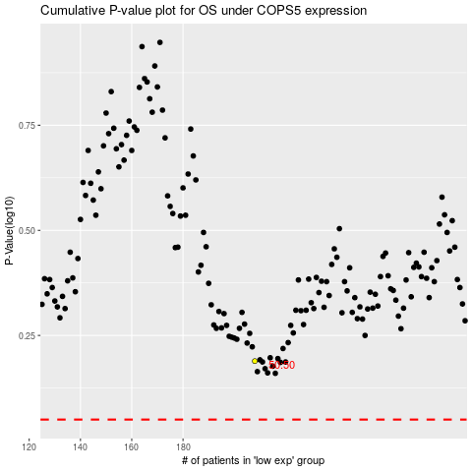

 |  |  |  |  |  | cases_OS | p_OS | rank | exp
 |  |  |  |  |  |  | cases_RFS | p_RFS | rank | exp

