COPS8 _multivariate
Reported by Tex Li-Hsing Chi. tex@gate.sinica.edu.tw 2019-08-20

Table 2. The clinicopathological features of HNSCC cohort and COPS8 expression. (Chi square test)
Cutoff at -0.455 (32.6%)
 |  | COPS8 expression |  | COPS8 expression |  | (Optimised)
 | Features | Low | (%) | High | (%) | Case no | P-value | Remark | Matthews
Gender | Female | 92 | 22.2 | 214 | 51.6 | 415 | 0.0936 | 0 | 0
2 | Male | 43 | 10.4 | 66 | 15.9
Age at diagnosis | <=65y | 83 | 20 | 191 | 46 | 415 | 0.2127 | 0 | 0
4 | >65y | 52 | 12.5 | 89 | 21.4
Clinical T Status | T1+T2 | 41 | 9.9 | 108 | 26 | 415 | 0.1279 | 0 | 0
6 | T3+T4 | 94 | 22.7 | 172 | 41.4
Clinical N Status | N0 | 72 | 17.3 | 144 | 34.7 | 415 | 0.7956 | 0 | 0
8 | N1-3 | 63 | 15.2 | 136 | 32.8
Clinical M Status | M0 | 134 | 32.3 | 278 | 67 | 415 | 1 | 0 | 0
10 | M1 | 1 | 0.2 | 2 | 0.5
Clinical Stage | Stage I+II | 27 | 6.5 | 75 | 18.1 | 415 | 0.1668 | 0 | 0
12 | Stage III+IV | 108 | 26 | 205 | 49.4
Surgical Margin status | Negative | 105 | 25.3 | 213 | 51.3 | 415 | 0.8045 | 0 | 0
14 | Positive | 30 | 7.2 | 67 | 16.1
Tobacco Exposure | Low | 53 | 12.8 | 108 | 26 | 415 | 0.9146 | 0 | 0
16 | High | 82 | 19.8 | 172 | 41.4

Table 3. Univariate/Multivariate Cox's proportional hazards regression analyses on OS time of COPS8 gene expression in HNSCC

 |  | Univariate |  |  |  | Multivariate
 | Features | HR | CI95%(L) | CI95%(H) | P-value | HR | CI95%(L) | CI95%(H) | P-value
1 | Female | 1 |  |  |  | 1
Gender | Male | 1.157 | 0.843 | 1.587 | 0.367 | 1.22 | 0.873 | 1.705 | 0.244
11 | <=65y | 1 |  |  |  | 1
Age at diagnosis | >65y | 1.329 | 0.99 | 1.784 | 0.058 | 1.412 | 1.038 | 1.92 | 0.028
12 | T1+T2 | 1 |  |  |  | 1
Clinical T Status | T3+T4 | 1.409 | 1.028 | 1.931 | 0.033 | 2.175 | 1.151 | 4.112 | 0.017
13 | N0 | 1 |  |  |  | 1
Clinical N Status | N1-3 | 1.185 | 0.89 | 1.577 | 0.246 | 1.228 | 0.86 | 1.753 | 0.258
14 | M0 | 1 |  |  |  | 1
Clinical M Status | M1 | 4.097 | 1.009 | 16.644 | 0.049 | 8.922 | 1.946 | 40.913 | 0.005
15 | Stage I+II | 1 |  |  |  | 1
Clinical Stage | Stage III+IV | 1.245 | 0.882 | 1.759 | 0.213 | 0.53 | 0.246 | 1.141 | 0.104
16 | Negative | 1 |  |  |  | 1
Surgical Margin status | Positive | 1.591 | 1.155 | 2.191 | 0.004 | 1.623 | 1.174 | 2.243 | 0.003
17 | Low | 1 |  |  |  | 1
Tobacco Exposure | High | 1.364 | 1.008 | 1.844 | 0.044 | 1.442 | 1.048 | 1.984 | 0.025
18 | Low | 1 |  |  |  | 1
RNAseq(z-score) | High | 1.377 | 1.003 | 1.89 | 0.048 | 1.377 | 1 | 1.898 | 0.05

Table 4. Univariate/Multivariate Cox's proportional hazards regression analyses on RFS time of COPS8 gene expression in HNSCC

 |  | Univariate |  |  |  | Multivariate
 | Features | HR | CI95%(L) | CI95%(H) | P-value | HR | CI95%(L) | CI95%(H) | P-value
1 | Female | 1 |  |  |  | 1
Gender | Male | 1.157 | 0.843 | 1.587 | 0.367 | 1.22 | 0.873 | 1.705 | 0.244
11 | <=65y | 1 |  |  |  | 1
Age at diagnosis | >65y | 1.329 | 0.99 | 1.784 | 0.058 | 1.412 | 1.038 | 1.92 | 0.028
12 | T1+T2 | 1 |  |  |  | 1
Clinical T Status | T3+T4 | 1.409 | 1.028 | 1.931 | 0.033 | 2.175 | 1.151 | 4.112 | 0.017
13 | N0 | 1 |  |  |  | 1
Clinical N Status | N1-3 | 1.185 | 0.89 | 1.577 | 0.246 | 1.228 | 0.86 | 1.753 | 0.258
14 | M0 | 1 |  |  |  | 1
Clinical M Status | M1 | 4.097 | 1.009 | 16.644 | 0.049 | 8.922 | 1.946 | 40.913 | 0.005
15 | Stage I+II | 1 |  |  |  | 1
Clinical Stage | Stage III+IV | 1.245 | 0.882 | 1.759 | 0.213 | 0.53 | 0.246 | 1.141 | 0.104
16 | Negative | 1 |  |  |  | 1
Surgical Margin status | Positive | 1.591 | 1.155 | 2.191 | 0.004 | 1.623 | 1.174 | 2.243 | 0.003
17 | Low | 1 |  |  |  | 1
Tobacco Exposure | High | 1.364 | 1.008 | 1.844 | 0.044 | 1.442 | 1.048 | 1.984 | 0.025
18 | Low | 1 |  |  |  | 1
RNAseq(z-score) | High | 1.377 | 1.003 | 1.89 | 0.048 | 1.377 | 1 | 1.898 | 0.05

Kaplan-Meier survival estimate: Cutoff at -0.455 (32.6%)



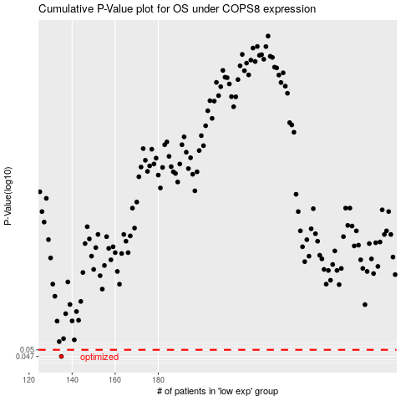

 |  |  |  |  |  | cases_OS | p_OS | rank | exp
 |  |  |  |  |  | 135 | 0.047 | 244 | -0.45474176202
 |  |  |  |  |  |  | cases_RFS | p_RFS | rank | exp
 |  |  |  |  |  |  | 134 | 0.047 | 295 | -0.46216294391

