COPZ2 _multivariate
Reported by Tex Li-Hsing Chi. tex@gate.sinica.edu.tw 2019-08-20

Table 2. The clinicopathological features of HNSCC cohort and COPZ2 expression. (Chi square test)
Cutoff at -0.137 (50.0%)
 |  | COPZ2 expression |  | COPZ2 expression |  | (Optimised)
 | Features | Low | (%) | High | (%) | Case no | P-value | Remark | Matthews
Gender | Female | 151 | 36.4 | 155 | 37.3 | 415 | 0.8007 | 0 | 0
2 | Male | 56 | 13.5 | 53 | 12.8
Age at diagnosis | <=65y | 140 | 33.7 | 134 | 32.3 | 415 | 0.5574 | 0 | 0
4 | >65y | 67 | 16.1 | 74 | 17.8
Clinical T Status | T1+T2 | 75 | 18.1 | 74 | 17.8 | 415 | 0.9707 | 0 | 0
6 | T3+T4 | 132 | 31.8 | 134 | 32.3
Clinical N Status | N0 | 102 | 24.6 | 114 | 27.5 | 415 | 0.3031 | 0 | 0
8 | N1-3 | 105 | 25.3 | 94 | 22.7
Clinical M Status | M0 | 207 | 49.9 | 205 | 49.4 | 415 | 0.2482 | 0 | 0
10 | M1 | 0 | 0 | 3 | 0.7
Clinical Stage | Stage I+II | 48 | 11.6 | 54 | 13 | 415 | 0.5878 | 0 | 0
12 | Stage III+IV | 159 | 38.3 | 154 | 37.1
Surgical Margin status | Negative | 151 | 36.4 | 167 | 40.2 | 415 | 0.0828 | 0 | 0
14 | Positive | 56 | 13.5 | 41 | 9.9
Tobacco Exposure | Low | 90 | 21.7 | 71 | 17.1 | 415 | 0.0559 | 0 | 0
16 | High | 117 | 28.2 | 137 | 33

Table 3. Univariate/Multivariate Cox's proportional hazards regression analyses on OS time of COPZ2 gene expression in HNSCC

 |  | Univariate |  |  |  | Multivariate
 | Features | HR | CI95%(L) | CI95%(H) | P-value | HR | CI95%(L) | CI95%(H) | P-value
1 | Female | 1 |  |  |  | 1
Gender | Male | 1.157 | 0.843 | 1.587 | 0.367 | 1.205 | 0.862 | 1.683 | 0.275
11 | <=65y | 1 |  |  |  | 1
Age at diagnosis | >65y | 1.329 | 0.99 | 1.784 | 0.058 | 1.388 | 1.021 | 1.888 | 0.036
12 | T1+T2 | 1 |  |  |  | 1
Clinical T Status | T3+T4 | 1.409 | 1.028 | 1.931 | 0.033 | 2.184 | 1.151 | 4.143 | 0.017
13 | N0 | 1 |  |  |  | 1
Clinical N Status | N1-3 | 1.185 | 0.89 | 1.577 | 0.246 | 1.241 | 0.87 | 1.771 | 0.234
14 | M0 | 1 |  |  |  | 1
Clinical M Status | M1 | 4.097 | 1.009 | 16.644 | 0.049 | 9.15 | 1.968 | 42.539 | 0.005
15 | Stage I+II | 1 |  |  |  | 1
Clinical Stage | Stage III+IV | 1.245 | 0.882 | 1.759 | 0.213 | 0.511 | 0.237 | 1.104 | 0.087
16 | Negative | 1 |  |  |  | 1
Surgical Margin status | Positive | 1.591 | 1.155 | 2.191 | 0.004 | 1.677 | 1.213 | 2.32 | 0.002
17 | Low | 1 |  |  |  | 1
Tobacco Exposure | High | 1.364 | 1.008 | 1.844 | 0.044 | 1.445 | 1.045 | 1.996 | 0.026
18 | Low | 1 |  |  |  | 1
RNAseq(z-score) | High | 1.072 | 0.805 | 1.428 | 0.634 | 1.04 | 0.773 | 1.398 | 0.796

Table 4. Univariate/Multivariate Cox's proportional hazards regression analyses on RFS time of COPZ2 gene expression in HNSCC

 |  | Univariate |  |  |  | Multivariate
 | Features | HR | CI95%(L) | CI95%(H) | P-value | HR | CI95%(L) | CI95%(H) | P-value
1 | Female | 1 |  |  |  | 1
Gender | Male | 1.157 | 0.843 | 1.587 | 0.367 | 1.205 | 0.862 | 1.683 | 0.275
11 | <=65y | 1 |  |  |  | 1
Age at diagnosis | >65y | 1.329 | 0.99 | 1.784 | 0.058 | 1.388 | 1.021 | 1.888 | 0.036
12 | T1+T2 | 1 |  |  |  | 1
Clinical T Status | T3+T4 | 1.409 | 1.028 | 1.931 | 0.033 | 2.184 | 1.151 | 4.143 | 0.017
13 | N0 | 1 |  |  |  | 1
Clinical N Status | N1-3 | 1.185 | 0.89 | 1.577 | 0.246 | 1.241 | 0.87 | 1.771 | 0.234
14 | M0 | 1 |  |  |  | 1
Clinical M Status | M1 | 4.097 | 1.009 | 16.644 | 0.049 | 9.15 | 1.968 | 42.539 | 0.005
15 | Stage I+II | 1 |  |  |  | 1
Clinical Stage | Stage III+IV | 1.245 | 0.882 | 1.759 | 0.213 | 0.511 | 0.237 | 1.104 | 0.087
16 | Negative | 1 |  |  |  | 1
Surgical Margin status | Positive | 1.591 | 1.155 | 2.191 | 0.004 | 1.677 | 1.213 | 2.32 | 0.002
17 | Low | 1 |  |  |  | 1
Tobacco Exposure | High | 1.364 | 1.008 | 1.844 | 0.044 | 1.445 | 1.045 | 1.996 | 0.026
18 | Low | 1 |  |  |  | 1
RNAseq(z-score) | High | 1.072 | 0.805 | 1.428 | 0.634 | 1.04 | 0.773 | 1.398 | 0.796

Kaplan-Meier survival estimate: Cutoff at -0.137 (50.0%)

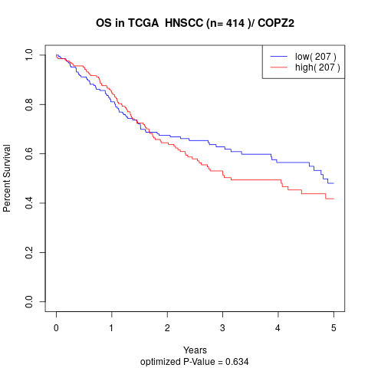

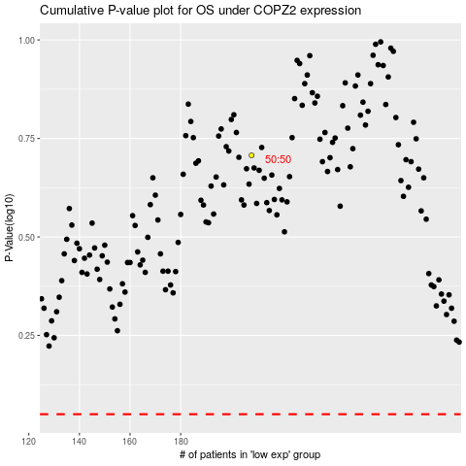

 |  |  |  |  |  | cases_OS | p_OS | rank | exp
 |  |  |  |  |  |  | cases_RFS | p_RFS | rank | exp

