COQ10B _multivariate
Reported by Tex Li-Hsing Chi. tex@gate.sinica.edu.tw 2019-08-20

Table 2. The clinicopathological features of HNSCC cohort and COQ10B expression. (Chi square test)
Cutoff at -0.118 (50.0%)
 |  | COQ10B expression |  | COQ10B expression |  | (Optimised)
 | Features | Low | (%) | High | (%) | Case no | P-value | Remark | Matthews
Gender | Female | 157 | 37.8 | 149 | 35.9 | 415 | 0.3881 | 0 | 0
2 | Male | 50 | 12 | 59 | 14.2
Age at diagnosis | <=65y | 140 | 33.7 | 134 | 32.3 | 415 | 0.5574 | 0 | 0
4 | >65y | 67 | 16.1 | 74 | 17.8
Clinical T Status | T1+T2 | 80 | 19.3 | 69 | 16.6 | 415 | 0.2891 | 0 | 0
6 | T3+T4 | 127 | 30.6 | 139 | 33.5
Clinical N Status | N0 | 107 | 25.8 | 109 | 26.3 | 415 | 0.9624 | 0 | 0
8 | N1-3 | 100 | 24.1 | 99 | 23.9
Clinical M Status | M0 | 206 | 49.6 | 206 | 49.6 | 415 | 1 | 0 | 0
10 | M1 | 1 | 0.2 | 2 | 0.5
Clinical Stage | Stage I+II | 54 | 13 | 48 | 11.6 | 415 | 0.5498 | 0 | 0
12 | Stage III+IV | 153 | 36.9 | 160 | 38.6
Surgical Margin status | Negative | 155 | 37.3 | 163 | 39.3 | 415 | 0.4187 | 0 | 0
14 | Positive | 52 | 12.5 | 45 | 10.8
Tobacco Exposure | Low | 87 | 21 | 74 | 17.8 | 415 | 0.1911 | 0 | 0
16 | High | 120 | 28.9 | 134 | 32.3

Table 3. Univariate/Multivariate Cox's proportional hazards regression analyses on OS time of COQ10B gene expression in HNSCC

 |  | Univariate |  |  |  | Multivariate
 | Features | HR | CI95%(L) | CI95%(H) | P-value | HR | CI95%(L) | CI95%(H) | P-value
1 | Female | 1 |  |  |  | 1
Gender | Male | 1.157 | 0.843 | 1.587 | 0.367 | 1.185 | 0.849 | 1.655 | 0.319
11 | <=65y | 1 |  |  |  | 1
Age at diagnosis | >65y | 1.329 | 0.99 | 1.784 | 0.058 | 1.396 | 1.027 | 1.899 | 0.033
12 | T1+T2 | 1 |  |  |  | 1
Clinical T Status | T3+T4 | 1.409 | 1.028 | 1.931 | 0.033 | 2.153 | 1.137 | 4.076 | 0.019
13 | N0 | 1 |  |  |  | 1
Clinical N Status | N1-3 | 1.185 | 0.89 | 1.577 | 0.246 | 1.251 | 0.877 | 1.785 | 0.217
14 | M0 | 1 |  |  |  | 1
Clinical M Status | M1 | 4.097 | 1.009 | 16.644 | 0.049 | 8.762 | 1.903 | 40.342 | 0.005
15 | Stage I+II | 1 |  |  |  | 1
Clinical Stage | Stage III+IV | 1.245 | 0.882 | 1.759 | 0.213 | 0.509 | 0.237 | 1.092 | 0.083
16 | Negative | 1 |  |  |  | 1
Surgical Margin status | Positive | 1.591 | 1.155 | 2.191 | 0.004 | 1.694 | 1.225 | 2.344 | 0.001
17 | Low | 1 |  |  |  | 1
Tobacco Exposure | High | 1.364 | 1.008 | 1.844 | 0.044 | 1.441 | 1.045 | 1.986 | 0.026
18 | Low | 1 |  |  |  | 1
RNAseq(z-score) | High | 1.197 | 0.898 | 1.596 | 0.219 | 1.189 | 0.888 | 1.592 | 0.245

Table 4. Univariate/Multivariate Cox's proportional hazards regression analyses on RFS time of COQ10B gene expression in HNSCC

 |  | Univariate |  |  |  | Multivariate
 | Features | HR | CI95%(L) | CI95%(H) | P-value | HR | CI95%(L) | CI95%(H) | P-value
1 | Female | 1 |  |  |  | 1
Gender | Male | 1.157 | 0.843 | 1.587 | 0.367 | 1.185 | 0.849 | 1.655 | 0.319
11 | <=65y | 1 |  |  |  | 1
Age at diagnosis | >65y | 1.329 | 0.99 | 1.784 | 0.058 | 1.396 | 1.027 | 1.899 | 0.033
12 | T1+T2 | 1 |  |  |  | 1
Clinical T Status | T3+T4 | 1.409 | 1.028 | 1.931 | 0.033 | 2.153 | 1.137 | 4.076 | 0.019
13 | N0 | 1 |  |  |  | 1
Clinical N Status | N1-3 | 1.185 | 0.89 | 1.577 | 0.246 | 1.251 | 0.877 | 1.785 | 0.217
14 | M0 | 1 |  |  |  | 1
Clinical M Status | M1 | 4.097 | 1.009 | 16.644 | 0.049 | 8.762 | 1.903 | 40.342 | 0.005
15 | Stage I+II | 1 |  |  |  | 1
Clinical Stage | Stage III+IV | 1.245 | 0.882 | 1.759 | 0.213 | 0.509 | 0.237 | 1.092 | 0.083
16 | Negative | 1 |  |  |  | 1
Surgical Margin status | Positive | 1.591 | 1.155 | 2.191 | 0.004 | 1.694 | 1.225 | 2.344 | 0.001
17 | Low | 1 |  |  |  | 1
Tobacco Exposure | High | 1.364 | 1.008 | 1.844 | 0.044 | 1.441 | 1.045 | 1.986 | 0.026
18 | Low | 1 |  |  |  | 1
RNAseq(z-score) | High | 1.197 | 0.898 | 1.596 | 0.219 | 1.189 | 0.888 | 1.592 | 0.245

Kaplan-Meier survival estimate: Cutoff at -0.118 (50.0%)



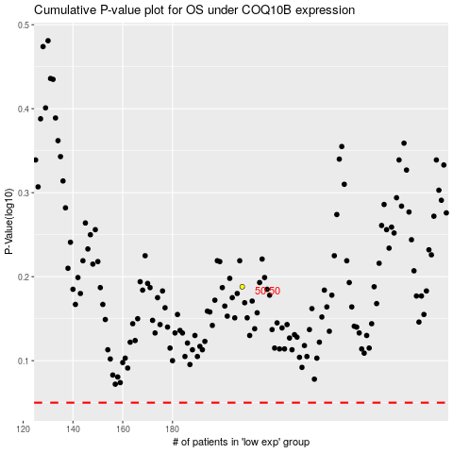

 |  |  |  |  |  | cases_OS | p_OS | rank | exp
 |  |  |  |  |  |  | cases_RFS | p_RFS | rank | exp

