COQ5 _multivariate
Reported by Tex Li-Hsing Chi. tex@gate.sinica.edu.tw 2019-08-20

Table 2. The clinicopathological features of HNSCC cohort and COQ5 expression. (Chi square test)
Cutoff at -0.256 (49.8%)
 |  | COQ5 expression |  | COQ5 expression |  | (Optimised)
 | Features | Low | (%) | High | (%) | Case no | P-value | Remark | Matthews
Gender | Female | 145 | 34.9 | 161 | 38.8 | 415 | 0.1116 | 0 | 0
2 | Male | 62 | 14.9 | 47 | 11.3
Age at diagnosis | <=65y | 135 | 32.5 | 139 | 33.5 | 415 | 0.8084 | 0 | 0
4 | >65y | 72 | 17.3 | 69 | 16.6
Clinical T Status | T1+T2 | 71 | 17.1 | 78 | 18.8 | 415 | 0.5638 | 0 | 0
6 | T3+T4 | 136 | 32.8 | 130 | 31.3
Clinical N Status | N0 | 115 | 27.7 | 101 | 24.3 | 415 | 0.184 | 1 | 0
8 | N1-3 | 92 | 22.2 | 107 | 25.8
Clinical M Status | M0 | 205 | 49.4 | 207 | 49.9 | 415 | 0.6232 | 0 | 0
10 | M1 | 2 | 0.5 | 1 | 0.2
Clinical Stage | Stage I+II | 52 | 12.5 | 50 | 12 | 415 | 0.8871 | 0 | 0
12 | Stage III+IV | 155 | 37.3 | 158 | 38.1
Surgical Margin status | Negative | 168 | 40.5 | 150 | 36.1 | 415 | 0.0366 | 1 | 0
14 | Positive | 39 | 9.4 | 58 | 14
Tobacco Exposure | Low | 77 | 18.6 | 84 | 20.2 | 415 | 0.5459 | 0 | 0
16 | High | 130 | 31.3 | 124 | 29.9

Table 3. Univariate/Multivariate Cox's proportional hazards regression analyses on OS time of COQ5 gene expression in HNSCC

 |  | Univariate |  |  |  | Multivariate
 | Features | HR | CI95%(L) | CI95%(H) | P-value | HR | CI95%(L) | CI95%(H) | P-value
1 | Female | 1 |  |  |  | 1
Gender | Male | 1.157 | 0.843 | 1.587 | 0.367 | 1.219 | 0.869 | 1.711 | 0.251
11 | <=65y | 1 |  |  |  | 1
Age at diagnosis | >65y | 1.329 | 0.99 | 1.784 | 0.058 | 1.388 | 1.021 | 1.887 | 0.037
12 | T1+T2 | 1 |  |  |  | 1
Clinical T Status | T3+T4 | 1.409 | 1.028 | 1.931 | 0.033 | 2.214 | 1.17 | 4.187 | 0.015
13 | N0 | 1 |  |  |  | 1
Clinical N Status | N1-3 | 1.185 | 0.89 | 1.577 | 0.246 | 1.227 | 0.858 | 1.755 | 0.263
14 | M0 | 1 |  |  |  | 1
Clinical M Status | M1 | 4.097 | 1.009 | 16.644 | 0.049 | 9.747 | 2.114 | 44.949 | 0.004
15 | Stage I+II | 1 |  |  |  | 1
Clinical Stage | Stage III+IV | 1.245 | 0.882 | 1.759 | 0.213 | 0.504 | 0.235 | 1.081 | 0.079
16 | Negative | 1 |  |  |  | 1
Surgical Margin status | Positive | 1.591 | 1.155 | 2.191 | 0.004 | 1.657 | 1.197 | 2.293 | 0.002
17 | Low | 1 |  |  |  | 1
Tobacco Exposure | High | 1.364 | 1.008 | 1.844 | 0.044 | 1.457 | 1.058 | 2.008 | 0.021
18 | Low | 1 |  |  |  | 1
RNAseq(z-score) | High | 1.075 | 0.807 | 1.431 | 0.623 | 1.082 | 0.805 | 1.455 | 0.601

Table 4. Univariate/Multivariate Cox's proportional hazards regression analyses on RFS time of COQ5 gene expression in HNSCC

 |  | Univariate |  |  |  | Multivariate
 | Features | HR | CI95%(L) | CI95%(H) | P-value | HR | CI95%(L) | CI95%(H) | P-value
1 | Female | 1 |  |  |  | 1
Gender | Male | 1.157 | 0.843 | 1.587 | 0.367 | 1.219 | 0.869 | 1.711 | 0.251
11 | <=65y | 1 |  |  |  | 1
Age at diagnosis | >65y | 1.329 | 0.99 | 1.784 | 0.058 | 1.388 | 1.021 | 1.887 | 0.037
12 | T1+T2 | 1 |  |  |  | 1
Clinical T Status | T3+T4 | 1.409 | 1.028 | 1.931 | 0.033 | 2.214 | 1.17 | 4.187 | 0.015
13 | N0 | 1 |  |  |  | 1
Clinical N Status | N1-3 | 1.185 | 0.89 | 1.577 | 0.246 | 1.227 | 0.858 | 1.755 | 0.263
14 | M0 | 1 |  |  |  | 1
Clinical M Status | M1 | 4.097 | 1.009 | 16.644 | 0.049 | 9.747 | 2.114 | 44.949 | 0.004
15 | Stage I+II | 1 |  |  |  | 1
Clinical Stage | Stage III+IV | 1.245 | 0.882 | 1.759 | 0.213 | 0.504 | 0.235 | 1.081 | 0.079
16 | Negative | 1 |  |  |  | 1
Surgical Margin status | Positive | 1.591 | 1.155 | 2.191 | 0.004 | 1.657 | 1.197 | 2.293 | 0.002
17 | Low | 1 |  |  |  | 1
Tobacco Exposure | High | 1.364 | 1.008 | 1.844 | 0.044 | 1.457 | 1.058 | 2.008 | 0.021
18 | Low | 1 |  |  |  | 1
RNAseq(z-score) | High | 1.075 | 0.807 | 1.431 | 0.623 | 1.082 | 0.805 | 1.455 | 0.601

Kaplan-Meier survival estimate: Cutoff at -0.256 (49.8%)



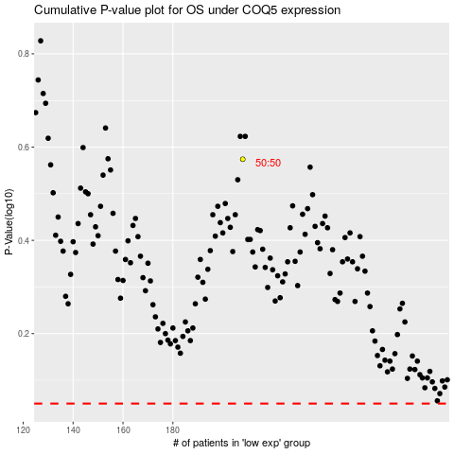

 |  |  |  |  |  | cases_OS | p_OS | rank | exp
 |  |  |  |  |  |  | cases_RFS | p_RFS | rank | exp

