COQ7 _multivariate
Reported by Tex Li-Hsing Chi. tex@gate.sinica.edu.tw 2019-08-20

Table 2. The clinicopathological features of HNSCC cohort and COQ7 expression. (Chi square test)
Cutoff at -0.311 (49.8%)
 |  | COQ7 expression |  | COQ7 expression |  | (Optimised)
 | Features | Low | (%) | High | (%) | Case no | P-value | Remark | Matthews
Gender | Female | 148 | 35.7 | 158 | 38.1 | 415 | 0.3567 | 0 | 0
2 | Male | 59 | 14.2 | 50 | 12
Age at diagnosis | <=65y | 128 | 30.8 | 146 | 35.2 | 415 | 0.0904 | 0 | 0
4 | >65y | 79 | 19 | 62 | 14.9
Clinical T Status | T1+T2 | 65 | 15.7 | 84 | 20.2 | 415 | 0.0711 | 0 | 0
6 | T3+T4 | 142 | 34.2 | 124 | 29.9
Clinical N Status | N0 | 103 | 24.8 | 113 | 27.2 | 415 | 0.4047 | 0 | 0
8 | N1-3 | 104 | 25.1 | 95 | 22.9
Clinical M Status | M0 | 206 | 49.6 | 206 | 49.6 | 415 | 1 | 0 | 0
10 | M1 | 1 | 0.2 | 2 | 0.5
Clinical Stage | Stage I+II | 47 | 11.3 | 55 | 13.3 | 415 | 0.4413 | 0 | 0
12 | Stage III+IV | 160 | 38.6 | 153 | 36.9
Surgical Margin status | Negative | 158 | 38.1 | 160 | 38.6 | 415 | 0.9081 | 0 | 0
14 | Positive | 49 | 11.8 | 48 | 11.6
Tobacco Exposure | Low | 82 | 19.8 | 79 | 19 | 415 | 0.763 | 0 | 0
16 | High | 125 | 30.1 | 129 | 31.1

Table 3. Univariate/Multivariate Cox's proportional hazards regression analyses on OS time of COQ7 gene expression in HNSCC

 |  | Univariate |  |  |  | Multivariate
 | Features | HR | CI95%(L) | CI95%(H) | P-value | HR | CI95%(L) | CI95%(H) | P-value
1 | Female | 1 |  |  |  | 1
Gender | Male | 1.157 | 0.843 | 1.587 | 0.367 | 1.179 | 0.843 | 1.651 | 0.336
11 | <=65y | 1 |  |  |  | 1
Age at diagnosis | >65y | 1.329 | 0.99 | 1.784 | 0.058 | 1.385 | 1.018 | 1.884 | 0.038
12 | T1+T2 | 1 |  |  |  | 1
Clinical T Status | T3+T4 | 1.409 | 1.028 | 1.931 | 0.033 | 2.119 | 1.118 | 4.018 | 0.021
13 | N0 | 1 |  |  |  | 1
Clinical N Status | N1-3 | 1.185 | 0.89 | 1.577 | 0.246 | 1.235 | 0.866 | 1.762 | 0.244
14 | M0 | 1 |  |  |  | 1
Clinical M Status | M1 | 4.097 | 1.009 | 16.644 | 0.049 | 9.563 | 2.087 | 43.831 | 0.004
15 | Stage I+II | 1 |  |  |  | 1
Clinical Stage | Stage III+IV | 1.245 | 0.882 | 1.759 | 0.213 | 0.524 | 0.244 | 1.128 | 0.098
16 | Negative | 1 |  |  |  | 1
Surgical Margin status | Positive | 1.591 | 1.155 | 2.191 | 0.004 | 1.659 | 1.201 | 2.291 | 0.002
17 | Low | 1 |  |  |  | 1
Tobacco Exposure | High | 1.364 | 1.008 | 1.844 | 0.044 | 1.474 | 1.068 | 2.033 | 0.018
18 | Low | 1 |  |  |  | 1
RNAseq(z-score) | High | 0.812 | 0.609 | 1.083 | 0.156 | 0.838 | 0.625 | 1.125 | 0.24

Table 4. Univariate/Multivariate Cox's proportional hazards regression analyses on RFS time of COQ7 gene expression in HNSCC

 |  | Univariate |  |  |  | Multivariate
 | Features | HR | CI95%(L) | CI95%(H) | P-value | HR | CI95%(L) | CI95%(H) | P-value
1 | Female | 1 |  |  |  | 1
Gender | Male | 1.157 | 0.843 | 1.587 | 0.367 | 1.179 | 0.843 | 1.651 | 0.336
11 | <=65y | 1 |  |  |  | 1
Age at diagnosis | >65y | 1.329 | 0.99 | 1.784 | 0.058 | 1.385 | 1.018 | 1.884 | 0.038
12 | T1+T2 | 1 |  |  |  | 1
Clinical T Status | T3+T4 | 1.409 | 1.028 | 1.931 | 0.033 | 2.119 | 1.118 | 4.018 | 0.021
13 | N0 | 1 |  |  |  | 1
Clinical N Status | N1-3 | 1.185 | 0.89 | 1.577 | 0.246 | 1.235 | 0.866 | 1.762 | 0.244
14 | M0 | 1 |  |  |  | 1
Clinical M Status | M1 | 4.097 | 1.009 | 16.644 | 0.049 | 9.563 | 2.087 | 43.831 | 0.004
15 | Stage I+II | 1 |  |  |  | 1
Clinical Stage | Stage III+IV | 1.245 | 0.882 | 1.759 | 0.213 | 0.524 | 0.244 | 1.128 | 0.098
16 | Negative | 1 |  |  |  | 1
Surgical Margin status | Positive | 1.591 | 1.155 | 2.191 | 0.004 | 1.659 | 1.201 | 2.291 | 0.002
17 | Low | 1 |  |  |  | 1
Tobacco Exposure | High | 1.364 | 1.008 | 1.844 | 0.044 | 1.474 | 1.068 | 2.033 | 0.018
18 | Low | 1 |  |  |  | 1
RNAseq(z-score) | High | 0.812 | 0.609 | 1.083 | 0.156 | 0.838 | 0.625 | 1.125 | 0.24

Kaplan-Meier survival estimate: Cutoff at -0.311 (49.8%)



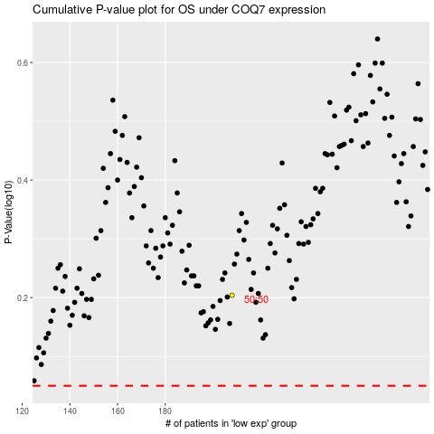

 |  |  |  |  |  | cases_OS | p_OS | rank | exp
 |  |  |  |  |  |  | cases_RFS | p_RFS | rank | exp

