COQ9 _multivariate
Reported by Tex Li-Hsing Chi. tex@gate.sinica.edu.tw 2019-08-20

Table 2. The clinicopathological features of HNSCC cohort and COQ9 expression. (Chi square test)
Cutoff at -0.229 (49.8%)
 |  | COQ9 expression |  | COQ9 expression |  | (Optimised)
 | Features | Low | (%) | High | (%) | Case no | P-value | Remark | Matthews
Gender | Female | 153 | 36.9 | 153 | 36.9 | 415 | 1 | 0 | 0
2 | Male | 54 | 13 | 55 | 13.3
Age at diagnosis | <=65y | 134 | 32.3 | 140 | 33.7 | 415 | 0.6529 | 0 | 0
4 | >65y | 73 | 17.6 | 68 | 16.4
Clinical T Status | T1+T2 | 79 | 19 | 70 | 16.9 | 415 | 0.3924 | 0 | 0
6 | T3+T4 | 128 | 30.8 | 138 | 33.3
Clinical N Status | N0 | 109 | 26.3 | 107 | 25.8 | 415 | 0.8812 | 0 | 0
8 | N1-3 | 98 | 23.6 | 101 | 24.3
Clinical M Status | M0 | 207 | 49.9 | 205 | 49.4 | 415 | 0.2482 | 0 | 0
10 | M1 | 0 | 0 | 3 | 0.7
Clinical Stage | Stage I+II | 53 | 12.8 | 49 | 11.8 | 415 | 0.7113 | 0 | 0
12 | Stage III+IV | 154 | 37.1 | 159 | 38.3
Surgical Margin status | Negative | 157 | 37.8 | 161 | 38.8 | 415 | 0.729 | 0 | 0
14 | Positive | 50 | 12 | 47 | 11.3
Tobacco Exposure | Low | 83 | 20 | 78 | 18.8 | 415 | 0.6152 | 0 | 0
16 | High | 124 | 29.9 | 130 | 31.3

Table 3. Univariate/Multivariate Cox's proportional hazards regression analyses on OS time of COQ9 gene expression in HNSCC

 |  | Univariate |  |  |  | Multivariate
 | Features | HR | CI95%(L) | CI95%(H) | P-value | HR | CI95%(L) | CI95%(H) | P-value
1 | Female | 1 |  |  |  | 1
Gender | Male | 1.157 | 0.843 | 1.587 | 0.367 | 1.185 | 0.847 | 1.657 | 0.322
11 | <=65y | 1 |  |  |  | 1
Age at diagnosis | >65y | 1.329 | 0.99 | 1.784 | 0.058 | 1.401 | 1.031 | 1.904 | 0.031
12 | T1+T2 | 1 |  |  |  | 1
Clinical T Status | T3+T4 | 1.409 | 1.028 | 1.931 | 0.033 | 2.153 | 1.137 | 4.077 | 0.019
13 | N0 | 1 |  |  |  | 1
Clinical N Status | N1-3 | 1.185 | 0.89 | 1.577 | 0.246 | 1.233 | 0.864 | 1.759 | 0.249
14 | M0 | 1 |  |  |  | 1
Clinical M Status | M1 | 4.097 | 1.009 | 16.644 | 0.049 | 8.581 | 1.852 | 39.75 | 0.006
15 | Stage I+II | 1 |  |  |  | 1
Clinical Stage | Stage III+IV | 1.245 | 0.882 | 1.759 | 0.213 | 0.518 | 0.241 | 1.115 | 0.093
16 | Negative | 1 |  |  |  | 1
Surgical Margin status | Positive | 1.591 | 1.155 | 2.191 | 0.004 | 1.664 | 1.205 | 2.3 | 0.002
17 | Low | 1 |  |  |  | 1
Tobacco Exposure | High | 1.364 | 1.008 | 1.844 | 0.044 | 1.434 | 1.04 | 1.976 | 0.028
18 | Low | 1 |  |  |  | 1
RNAseq(z-score) | High | 1.238 | 0.927 | 1.653 | 0.148 | 1.156 | 0.862 | 1.551 | 0.332

Table 4. Univariate/Multivariate Cox's proportional hazards regression analyses on RFS time of COQ9 gene expression in HNSCC

 |  | Univariate |  |  |  | Multivariate
 | Features | HR | CI95%(L) | CI95%(H) | P-value | HR | CI95%(L) | CI95%(H) | P-value
1 | Female | 1 |  |  |  | 1
Gender | Male | 1.157 | 0.843 | 1.587 | 0.367 | 1.185 | 0.847 | 1.657 | 0.322
11 | <=65y | 1 |  |  |  | 1
Age at diagnosis | >65y | 1.329 | 0.99 | 1.784 | 0.058 | 1.401 | 1.031 | 1.904 | 0.031
12 | T1+T2 | 1 |  |  |  | 1
Clinical T Status | T3+T4 | 1.409 | 1.028 | 1.931 | 0.033 | 2.153 | 1.137 | 4.077 | 0.019
13 | N0 | 1 |  |  |  | 1
Clinical N Status | N1-3 | 1.185 | 0.89 | 1.577 | 0.246 | 1.233 | 0.864 | 1.759 | 0.249
14 | M0 | 1 |  |  |  | 1
Clinical M Status | M1 | 4.097 | 1.009 | 16.644 | 0.049 | 8.581 | 1.852 | 39.75 | 0.006
15 | Stage I+II | 1 |  |  |  | 1
Clinical Stage | Stage III+IV | 1.245 | 0.882 | 1.759 | 0.213 | 0.518 | 0.241 | 1.115 | 0.093
16 | Negative | 1 |  |  |  | 1
Surgical Margin status | Positive | 1.591 | 1.155 | 2.191 | 0.004 | 1.664 | 1.205 | 2.3 | 0.002
17 | Low | 1 |  |  |  | 1
Tobacco Exposure | High | 1.364 | 1.008 | 1.844 | 0.044 | 1.434 | 1.04 | 1.976 | 0.028
18 | Low | 1 |  |  |  | 1
RNAseq(z-score) | High | 1.238 | 0.927 | 1.653 | 0.148 | 1.156 | 0.862 | 1.551 | 0.332

Kaplan-Meier survival estimate: Cutoff at -0.229 (49.8%)



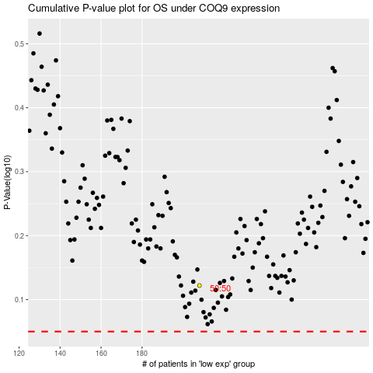

 |  |  |  |  |  | cases_OS | p_OS | rank | exp
 |  |  |  |  |  |  | cases_RFS | p_RFS | rank | exp

