CORO2B _multivariate
Reported by Tex Li-Hsing Chi. tex@gate.sinica.edu.tw 2019-08-20

Table 2. The clinicopathological features of HNSCC cohort and CORO2B expression. (Chi square test)
Cutoff at -0.036 (69.1%)
 |  | CORO2B expression |  | CORO2B expression |  | (Optimised)
 | Features | Low | (%) | High | (%) | Case no | P-value | Remark | Matthews
Gender | Female | 213 | 51.3 | 93 | 22.4 | 415 | 0.8316 | 0 | 0
2 | Male | 74 | 17.8 | 35 | 8.4
Age at diagnosis | <=65y | 191 | 46 | 83 | 20 | 415 | 0.8205 | 0 | 0
4 | >65y | 96 | 23.1 | 45 | 10.8
Clinical T Status | T1+T2 | 101 | 24.3 | 48 | 11.6 | 415 | 0.7324 | 0 | 0
6 | T3+T4 | 186 | 44.8 | 80 | 19.3
Clinical N Status | N0 | 144 | 34.7 | 72 | 17.3 | 415 | 0.2993 | 0 | 0
8 | N1-3 | 143 | 34.5 | 56 | 13.5
Clinical M Status | M0 | 285 | 68.7 | 127 | 30.6 | 415 | 1 | 0 | 0
10 | M1 | 2 | 0.5 | 1 | 0.2
Clinical Stage | Stage I+II | 68 | 16.4 | 34 | 8.2 | 415 | 0.6146 | 0 | 0
12 | Stage III+IV | 219 | 52.8 | 94 | 22.7
Surgical Margin status | Negative | 221 | 53.3 | 97 | 23.4 | 415 | 0.8024 | 0 | 0
14 | Positive | 66 | 15.9 | 31 | 7.5
Tobacco Exposure | Low | 109 | 26.3 | 52 | 12.5 | 415 | 0.6629 | 0 | 0
16 | High | 178 | 42.9 | 76 | 18.3

Table 3. Univariate/Multivariate Cox's proportional hazards regression analyses on OS time of CORO2B gene expression in HNSCC

 |  | Univariate |  |  |  | Multivariate
 | Features | HR | CI95%(L) | CI95%(H) | P-value | HR | CI95%(L) | CI95%(H) | P-value
1 | Female | 1 |  |  |  | 1
Gender | Male | 1.157 | 0.843 | 1.587 | 0.367 | 1.159 | 0.83 | 1.62 | 0.387
11 | <=65y | 1 |  |  |  | 1
Age at diagnosis | >65y | 1.329 | 0.99 | 1.784 | 0.058 | 1.394 | 1.025 | 1.896 | 0.034
12 | T1+T2 | 1 |  |  |  | 1
Clinical T Status | T3+T4 | 1.409 | 1.028 | 1.931 | 0.033 | 2.224 | 1.176 | 4.207 | 0.014
13 | N0 | 1 |  |  |  | 1
Clinical N Status | N1-3 | 1.185 | 0.89 | 1.577 | 0.246 | 1.296 | 0.906 | 1.853 | 0.155
14 | M0 | 1 |  |  |  | 1
Clinical M Status | M1 | 4.097 | 1.009 | 16.644 | 0.049 | 8.89 | 1.938 | 40.782 | 0.005
15 | Stage I+II | 1 |  |  |  | 1
Clinical Stage | Stage III+IV | 1.245 | 0.882 | 1.759 | 0.213 | 0.497 | 0.231 | 1.069 | 0.074
16 | Negative | 1 |  |  |  | 1
Surgical Margin status | Positive | 1.591 | 1.155 | 2.191 | 0.004 | 1.652 | 1.195 | 2.283 | 0.002
17 | Low | 1 |  |  |  | 1
Tobacco Exposure | High | 1.364 | 1.008 | 1.844 | 0.044 | 1.476 | 1.071 | 2.034 | 0.018
18 | Low | 1 |  |  |  | 1
RNAseq(z-score) | High | 1.552 | 1.154 | 2.088 | 0.004 | 1.568 | 1.162 | 2.115 | 0.003

Table 4. Univariate/Multivariate Cox's proportional hazards regression analyses on RFS time of CORO2B gene expression in HNSCC

 |  | Univariate |  |  |  | Multivariate
 | Features | HR | CI95%(L) | CI95%(H) | P-value | HR | CI95%(L) | CI95%(H) | P-value
1 | Female | 1 |  |  |  | 1
Gender | Male | 1.157 | 0.843 | 1.587 | 0.367 | 1.159 | 0.83 | 1.62 | 0.387
11 | <=65y | 1 |  |  |  | 1
Age at diagnosis | >65y | 1.329 | 0.99 | 1.784 | 0.058 | 1.394 | 1.025 | 1.896 | 0.034
12 | T1+T2 | 1 |  |  |  | 1
Clinical T Status | T3+T4 | 1.409 | 1.028 | 1.931 | 0.033 | 2.224 | 1.176 | 4.207 | 0.014
13 | N0 | 1 |  |  |  | 1
Clinical N Status | N1-3 | 1.185 | 0.89 | 1.577 | 0.246 | 1.296 | 0.906 | 1.853 | 0.155
14 | M0 | 1 |  |  |  | 1
Clinical M Status | M1 | 4.097 | 1.009 | 16.644 | 0.049 | 8.89 | 1.938 | 40.782 | 0.005
15 | Stage I+II | 1 |  |  |  | 1
Clinical Stage | Stage III+IV | 1.245 | 0.882 | 1.759 | 0.213 | 0.497 | 0.231 | 1.069 | 0.074
16 | Negative | 1 |  |  |  | 1
Surgical Margin status | Positive | 1.591 | 1.155 | 2.191 | 0.004 | 1.652 | 1.195 | 2.283 | 0.002
17 | Low | 1 |  |  |  | 1
Tobacco Exposure | High | 1.364 | 1.008 | 1.844 | 0.044 | 1.476 | 1.071 | 2.034 | 0.018
18 | Low | 1 |  |  |  | 1
RNAseq(z-score) | High | 1.552 | 1.154 | 2.088 | 0.004 | 1.568 | 1.162 | 2.115 | 0.003

Kaplan-Meier survival estimate: Cutoff at -0.036 (69.1%)

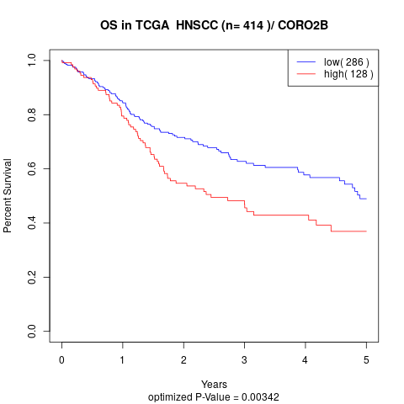

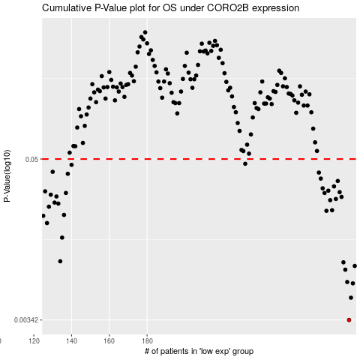

 |  |  |  |  |  | cases_OS | p_OS | rank | exp
 |  |  |  |  |  | 287 | 0.00342 | 54 | -0.036375503705
 |  |  |  |  |  | 288 | 0.00496 | 371 | -0.033391231328
 |  |  |  |  |  | 289 | 0.0063 | 206 | -0.031154692376
 |  |  |  |  |  | 286 | 0.00644 | 272 | -0.038497134848
 |  |  |  |  |  | 285 | 0.00791 | 252 | -0.05079893175
 |  |  |  |  |  | 290 | 0.00842 | 188 | -0.029217912926
 |  |  |  |  |  | 284 | 0.00894 | 318 | -0.052694077936
 |  |  |  |  |  | 134 | 0.0091 | 377 | -0.4815233604
 |  |  |  |  |  | 135 | 0.0135 | 222 | -0.48097380131
 |  |  |  |  |  | 127 | 0.0172 | 180 | -0.49081090897
 |  |  |  |  |  | 125 | 0.0194 | 297 | -0.49402000098
 |  |  |  |  |  | 136 | 0.0197 | 261 | -0.47907532446
 |  |  |  |  |  | 275 | 0.0211 | 38 | -0.083855743516
 |  |  |  |  |  | 278 | 0.0213 | 247 | -0.076308465384
 |  |  |  |  |  | 128 | 0.0226 | 251 | -0.4906760172
 |  |  |  |  |  | 133 | 0.0238 | 271 | -0.48237600965
 |  |  |  |  |  | 131 | 0.0242 | 7 | -0.48623458057
 |  |  |  |  |  | 277 | 0.0252 | 53 | -0.078719864045
 |  |  |  |  |  | 280 | 0.0257 | 58 | -0.068353181263
 |  |  |  |  |  | 283 | 0.0266 | 245 | -0.060915814948
 |  |  |  |  |  | 132 | 0.0268 | 312 | -0.48537860066
 |  |  |  |  |  | 129 | 0.0276 | 241 | -0.49058608935
 |  |  |  |  |  | 274 | 0.0284 | 193 | -0.087307973782
 |  |  |  |  |  | 137 | 0.0284 | 204 | -0.47311510636
 |  |  |  |  |  | 282 | 0.0288 | 319 | -0.063492081336
 |  |  |  |  |  | 126 | 0.0292 | 177 | -0.49121058831
 |  |  |  |  |  | 276 | 0.0295 | 9 | -0.079622473213
 |  |  |  |  |  | 273 | 0.0307 | 313 | -0.089159821373
 |  |  |  |  |  | 279 | 0.0317 | 234 | -0.072020239172
 |  |  |  |  |  | 281 | 0.0347 | 178 | -0.068183317545
 |  |  |  |  |  | 272 | 0.0361 | 340 | -0.090858458552
 |  |  |  |  |  | 138 | 0.0391 | 108 | -0.4720059962
 |  |  |  |  |  | 271 | 0.0399 | 415 | -0.098239203627
 |  |  |  |  |  | 130 | 0.0404 | 219 | -0.48706891119
 |  |  |  |  |  | 140 | 0.0454 | 223 | -0.46971283601
 |  |  |  |  |  | 232 | 0.0462 | 201 | -0.24733458401
 |  |  |  |  |  |  | cases_RFS | p_RFS | rank | exp
 |  |  |  |  |  |  | 286 | 0.00342 | 272 | -0.038497134848
 |  |  |  |  |  |  | 287 | 0.00496 | 54 | -0.036375503705
 |  |  |  |  |  |  | 288 | 0.0063 | 371 | -0.033391231328
 |  |  |  |  |  |  | 285 | 0.00644 | 252 | -0.05079893175
 |  |  |  |  |  |  | 284 | 0.00791 | 318 | -0.052694077936
 |  |  |  |  |  |  | 289 | 0.00842 | 206 | -0.031154692376
 |  |  |  |  |  |  | 283 | 0.00894 | 245 | -0.060915814948
 |  |  |  |  |  |  | 133 | 0.0091 | 271 | -0.48237600965
 |  |  |  |  |  |  | 134 | 0.0135 | 377 | -0.4815233604
 |  |  |  |  |  |  | 126 | 0.0172 | 177 | -0.49121058831
 |  |  |  |  |  |  |  | 0.0194 | 372 | -0.49603338563
 |  |  |  |  |  |  | 135 | 0.0197 | 222 | -0.48097380131
 |  |  |  |  |  |  | 274 | 0.0211 | 193 | -0.087307973782
 |  |  |  |  |  |  | 277 | 0.0213 | 53 | -0.078719864045
 |  |  |  |  |  |  | 127 | 0.0226 | 180 | -0.49081090897
 |  |  |  |  |  |  | 132 | 0.0238 | 312 | -0.48537860066
 |  |  |  |  |  |  | 130 | 0.0242 | 219 | -0.48706891119
 |  |  |  |  |  |  | 276 | 0.0252 | 9 | -0.079622473213
 |  |  |  |  |  |  | 279 | 0.0257 | 234 | -0.072020239172
 |  |  |  |  |  |  | 282 | 0.0266 | 319 | -0.063492081336
 |  |  |  |  |  |  | 131 | 0.0268 | 7 | -0.48623458057
 |  |  |  |  |  |  | 128 | 0.0276 | 251 | -0.4906760172
 |  |  |  |  |  |  | 136 | 0.0284 | 261 | -0.47907532446
 |  |  |  |  |  |  | 273 | 0.0284 | 313 | -0.089159821373
 |  |  |  |  |  |  | 281 | 0.0288 | 178 | -0.068183317545
 |  |  |  |  |  |  | 125 | 0.0292 | 297 | -0.49402000098
 |  |  |  |  |  |  | 275 | 0.0295 | 38 | -0.083855743516
 |  |  |  |  |  |  | 272 | 0.0307 | 340 | -0.090858458552
 |  |  |  |  |  |  | 278 | 0.0317 | 247 | -0.076308465384
 |  |  |  |  |  |  | 280 | 0.0347 | 58 | -0.068353181263
 |  |  |  |  |  |  | 271 | 0.0361 | 415 | -0.098239203627
 |  |  |  |  |  |  | 137 | 0.0391 | 204 | -0.47311510636
 |  |  |  |  |  |  | 270 | 0.0399 | 403 | -0.1035765881
 |  |  |  |  |  |  | 129 | 0.0404 | 241 | -0.49058608935
 |  |  |  |  |  |  | 139 | 0.0454 | 42 | -0.47011751134
 |  |  |  |  |  |  | 231 | 0.0462 | 169 | -0.2506086239

