COX10 _multivariate
Reported by Tex Li-Hsing Chi. tex@gate.sinica.edu.tw 2019-08-20

Table 2. The clinicopathological features of HNSCC cohort and COX10 expression. (Chi square test)
Cutoff at -0.112 (49.8%)
 |  | COX10 expression |  | COX10 expression |  | (Optimised)
 | Features | Low | (%) | High | (%) | Case no | P-value | Remark | Matthews
Gender | Female | 144 | 34.7 | 162 | 39 | 415 | 0.0697 | 0 | 0
2 | Male | 63 | 15.2 | 46 | 11.1
Age at diagnosis | <=65y | 139 | 33.5 | 135 | 32.5 | 415 | 0.7044 | 0 | 0
4 | >65y | 68 | 16.4 | 73 | 17.6
Clinical T Status | T1+T2 | 87 | 21 | 62 | 14.9 | 415 | 0.0127 | 1 | 0
6 | T3+T4 | 120 | 28.9 | 146 | 35.2
Clinical N Status | N0 | 110 | 26.5 | 106 | 25.5 | 415 | 0.7294 | 0 | 0
8 | N1-3 | 97 | 23.4 | 102 | 24.6
Clinical M Status | M0 | 205 | 49.4 | 207 | 49.9 | 415 | 0.6232 | 0 | 0
10 | M1 | 2 | 0.5 | 1 | 0.2
Clinical Stage | Stage I+II | 63 | 15.2 | 39 | 9.4 | 415 | 0.008 | 1 | 0
12 | Stage III+IV | 144 | 34.7 | 169 | 40.7
Surgical Margin status | Negative | 156 | 37.6 | 162 | 39 | 415 | 0.5636 | 0 | 0
14 | Positive | 51 | 12.3 | 46 | 11.1
Tobacco Exposure | Low | 84 | 20.2 | 77 | 18.6 | 415 | 0.4816 | 0 | 0
16 | High | 123 | 29.6 | 131 | 31.6

Table 3. Univariate/Multivariate Cox's proportional hazards regression analyses on OS time of COX10 gene expression in HNSCC

 |  | Univariate |  |  |  | Multivariate
 | Features | HR | CI95%(L) | CI95%(H) | P-value | HR | CI95%(L) | CI95%(H) | P-value
1 | Female | 1 |  |  |  | 1
Gender | Male | 1.157 | 0.843 | 1.587 | 0.367 | 1.207 | 0.861 | 1.692 | 0.274
11 | <=65y | 1 |  |  |  | 1
Age at diagnosis | >65y | 1.329 | 0.99 | 1.784 | 0.058 | 1.391 | 1.023 | 1.89 | 0.035
12 | T1+T2 | 1 |  |  |  | 1
Clinical T Status | T3+T4 | 1.409 | 1.028 | 1.931 | 0.033 | 2.198 | 1.162 | 4.157 | 0.015
13 | N0 | 1 |  |  |  | 1
Clinical N Status | N1-3 | 1.185 | 0.89 | 1.577 | 0.246 | 1.244 | 0.871 | 1.775 | 0.23
14 | M0 | 1 |  |  |  | 1
Clinical M Status | M1 | 4.097 | 1.009 | 16.644 | 0.049 | 9.447 | 2.06 | 43.327 | 0.004
15 | Stage I+II | 1 |  |  |  | 1
Clinical Stage | Stage III+IV | 1.245 | 0.882 | 1.759 | 0.213 | 0.502 | 0.233 | 1.079 | 0.078
16 | Negative | 1 |  |  |  | 1
Surgical Margin status | Positive | 1.591 | 1.155 | 2.191 | 0.004 | 1.674 | 1.211 | 2.313 | 0.002
17 | Low | 1 |  |  |  | 1
Tobacco Exposure | High | 1.364 | 1.008 | 1.844 | 0.044 | 1.454 | 1.055 | 2.004 | 0.022
18 | Low | 1 |  |  |  | 1
RNAseq(z-score) | High | 1.033 | 0.774 | 1.38 | 0.824 | 1.031 | 0.765 | 1.39 | 0.84

Table 4. Univariate/Multivariate Cox's proportional hazards regression analyses on RFS time of COX10 gene expression in HNSCC

 |  | Univariate |  |  |  | Multivariate
 | Features | HR | CI95%(L) | CI95%(H) | P-value | HR | CI95%(L) | CI95%(H) | P-value
1 | Female | 1 |  |  |  | 1
Gender | Male | 1.157 | 0.843 | 1.587 | 0.367 | 1.207 | 0.861 | 1.692 | 0.274
11 | <=65y | 1 |  |  |  | 1
Age at diagnosis | >65y | 1.329 | 0.99 | 1.784 | 0.058 | 1.391 | 1.023 | 1.89 | 0.035
12 | T1+T2 | 1 |  |  |  | 1
Clinical T Status | T3+T4 | 1.409 | 1.028 | 1.931 | 0.033 | 2.198 | 1.162 | 4.157 | 0.015
13 | N0 | 1 |  |  |  | 1
Clinical N Status | N1-3 | 1.185 | 0.89 | 1.577 | 0.246 | 1.244 | 0.871 | 1.775 | 0.23
14 | M0 | 1 |  |  |  | 1
Clinical M Status | M1 | 4.097 | 1.009 | 16.644 | 0.049 | 9.447 | 2.06 | 43.327 | 0.004
15 | Stage I+II | 1 |  |  |  | 1
Clinical Stage | Stage III+IV | 1.245 | 0.882 | 1.759 | 0.213 | 0.502 | 0.233 | 1.079 | 0.078
16 | Negative | 1 |  |  |  | 1
Surgical Margin status | Positive | 1.591 | 1.155 | 2.191 | 0.004 | 1.674 | 1.211 | 2.313 | 0.002
17 | Low | 1 |  |  |  | 1
Tobacco Exposure | High | 1.364 | 1.008 | 1.844 | 0.044 | 1.454 | 1.055 | 2.004 | 0.022
18 | Low | 1 |  |  |  | 1
RNAseq(z-score) | High | 1.033 | 0.774 | 1.38 | 0.824 | 1.031 | 0.765 | 1.39 | 0.84

Kaplan-Meier survival estimate: Cutoff at -0.112 (49.8%)



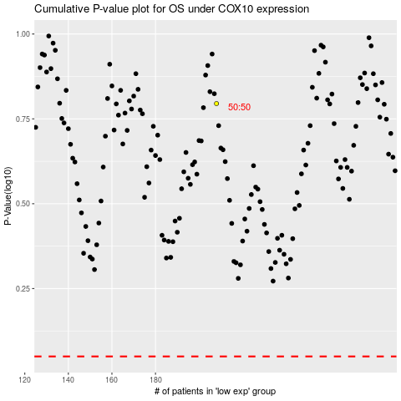

 |  |  |  |  |  | cases_OS | p_OS | rank | exp
 |  |  |  |  |  |  | cases_RFS | p_RFS | rank | exp

