COX11 _multivariate
Reported by Tex Li-Hsing Chi. tex@gate.sinica.edu.tw 2019-08-20

Table 2. The clinicopathological features of HNSCC cohort and COX11 expression. (Chi square test)
Cutoff at -0.178 (49.8%)
 |  | COX11 expression |  | COX11 expression |  | (Optimised)
 | Features | Low | (%) | High | (%) | Case no | P-value | Remark | Matthews
Gender | Female | 143 | 34.5 | 163 | 39.3 | 415 | 0.0416 | 1 | 0
2 | Male | 64 | 15.4 | 45 | 10.8
Age at diagnosis | <=65y | 137 | 33 | 137 | 33 | 415 | 1 | 0 | 0
4 | >65y | 70 | 16.9 | 71 | 17.1
Clinical T Status | T1+T2 | 67 | 16.1 | 82 | 19.8 | 415 | 0.1628 | 0 | 0
6 | T3+T4 | 140 | 33.7 | 126 | 30.4
Clinical N Status | N0 | 117 | 28.2 | 99 | 23.9 | 415 | 0.0852 | 1 | 0
8 | N1-3 | 90 | 21.7 | 109 | 26.3
Clinical M Status | M0 | 205 | 49.4 | 207 | 49.9 | 415 | 0.6232 | 0 | 0
10 | M1 | 2 | 0.5 | 1 | 0.2
Clinical Stage | Stage I+II | 53 | 12.8 | 49 | 11.8 | 415 | 0.7113 | 0 | 0
12 | Stage III+IV | 154 | 37.1 | 159 | 38.3
Surgical Margin status | Negative | 169 | 40.7 | 149 | 35.9 | 415 | 0.0201 | 1 | 0
14 | Positive | 38 | 9.2 | 59 | 14.2
Tobacco Exposure | Low | 85 | 20.5 | 76 | 18.3 | 415 | 0.3655 | 0 | 0
16 | High | 122 | 29.4 | 132 | 31.8

Table 3. Univariate/Multivariate Cox's proportional hazards regression analyses on OS time of COX11 gene expression in HNSCC

 |  | Univariate |  |  |  | Multivariate
 | Features | HR | CI95%(L) | CI95%(H) | P-value | HR | CI95%(L) | CI95%(H) | P-value
1 | Female | 1 |  |  |  | 1
Gender | Male | 1.157 | 0.843 | 1.587 | 0.367 | 1.249 | 0.892 | 1.749 | 0.196
11 | <=65y | 1 |  |  |  | 1
Age at diagnosis | >65y | 1.329 | 0.99 | 1.784 | 0.058 | 1.391 | 1.024 | 1.89 | 0.035
12 | T1+T2 | 1 |  |  |  | 1
Clinical T Status | T3+T4 | 1.409 | 1.028 | 1.931 | 0.033 | 2.299 | 1.213 | 4.356 | 0.011
13 | N0 | 1 |  |  |  | 1
Clinical N Status | N1-3 | 1.185 | 0.89 | 1.577 | 0.246 | 1.206 | 0.844 | 1.724 | 0.304
14 | M0 | 1 |  |  |  | 1
Clinical M Status | M1 | 4.097 | 1.009 | 16.644 | 0.049 | 10.701 | 2.312 | 49.539 | 0.002
15 | Stage I+II | 1 |  |  |  | 1
Clinical Stage | Stage III+IV | 1.245 | 0.882 | 1.759 | 0.213 | 0.484 | 0.225 | 1.039 | 0.063
16 | Negative | 1 |  |  |  | 1
Surgical Margin status | Positive | 1.591 | 1.155 | 2.191 | 0.004 | 1.643 | 1.188 | 2.272 | 0.003
17 | Low | 1 |  |  |  | 1
Tobacco Exposure | High | 1.364 | 1.008 | 1.844 | 0.044 | 1.441 | 1.046 | 1.986 | 0.025
18 | Low | 1 |  |  |  | 1
RNAseq(z-score) | High | 1.21 | 0.908 | 1.612 | 0.193 | 1.253 | 0.931 | 1.688 | 0.137

Table 4. Univariate/Multivariate Cox's proportional hazards regression analyses on RFS time of COX11 gene expression in HNSCC

 |  | Univariate |  |  |  | Multivariate
 | Features | HR | CI95%(L) | CI95%(H) | P-value | HR | CI95%(L) | CI95%(H) | P-value
1 | Female | 1 |  |  |  | 1
Gender | Male | 1.157 | 0.843 | 1.587 | 0.367 | 1.249 | 0.892 | 1.749 | 0.196
11 | <=65y | 1 |  |  |  | 1
Age at diagnosis | >65y | 1.329 | 0.99 | 1.784 | 0.058 | 1.391 | 1.024 | 1.89 | 0.035
12 | T1+T2 | 1 |  |  |  | 1
Clinical T Status | T3+T4 | 1.409 | 1.028 | 1.931 | 0.033 | 2.299 | 1.213 | 4.356 | 0.011
13 | N0 | 1 |  |  |  | 1
Clinical N Status | N1-3 | 1.185 | 0.89 | 1.577 | 0.246 | 1.206 | 0.844 | 1.724 | 0.304
14 | M0 | 1 |  |  |  | 1
Clinical M Status | M1 | 4.097 | 1.009 | 16.644 | 0.049 | 10.701 | 2.312 | 49.539 | 0.002
15 | Stage I+II | 1 |  |  |  | 1
Clinical Stage | Stage III+IV | 1.245 | 0.882 | 1.759 | 0.213 | 0.484 | 0.225 | 1.039 | 0.063
16 | Negative | 1 |  |  |  | 1
Surgical Margin status | Positive | 1.591 | 1.155 | 2.191 | 0.004 | 1.643 | 1.188 | 2.272 | 0.003
17 | Low | 1 |  |  |  | 1
Tobacco Exposure | High | 1.364 | 1.008 | 1.844 | 0.044 | 1.441 | 1.046 | 1.986 | 0.025
18 | Low | 1 |  |  |  | 1
RNAseq(z-score) | High | 1.21 | 0.908 | 1.612 | 0.193 | 1.253 | 0.931 | 1.688 | 0.137

Kaplan-Meier survival estimate: Cutoff at -0.178 (49.8%)



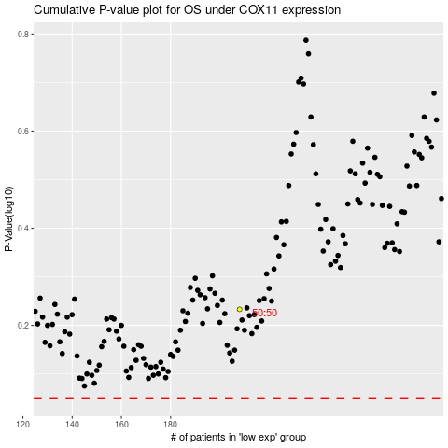

 |  |  |  |  |  | cases_OS | p_OS | rank | exp
 |  |  |  |  |  |  | cases_RFS | p_RFS | rank | exp

