COX18 _multivariate
Reported by Tex Li-Hsing Chi. tex@gate.sinica.edu.tw 2019-08-20

Table 2. The clinicopathological features of HNSCC cohort and COX18 expression. (Chi square test)
Cutoff at -0.209 (49.8%)
 |  | COX18 expression |  | COX18 expression |  | (Optimised)
 | Features | Low | (%) | High | (%) | Case no | P-value | Remark | Matthews
Gender | Female | 152 | 36.6 | 154 | 37.1 | 415 | 0.9766 | 0 | 0
2 | Male | 55 | 13.3 | 54 | 13
Age at diagnosis | <=65y | 130 | 31.3 | 144 | 34.7 | 415 | 0.2009 | 0 | 0
4 | >65y | 77 | 18.6 | 64 | 15.4
Clinical T Status | T1+T2 | 73 | 17.6 | 76 | 18.3 | 415 | 0.8666 | 0 | 0
6 | T3+T4 | 134 | 32.3 | 132 | 31.8
Clinical N Status | N0 | 108 | 26 | 108 | 26 | 415 | 1 | 0 | 0
8 | N1-3 | 99 | 23.9 | 100 | 24.1
Clinical M Status | M0 | 205 | 49.4 | 207 | 49.9 | 415 | 0.6232 | 0 | 0
10 | M1 | 2 | 0.5 | 1 | 0.2
Clinical Stage | Stage I+II | 50 | 12 | 52 | 12.5 | 415 | 0.9315 | 0 | 0
12 | Stage III+IV | 157 | 37.8 | 156 | 37.6
Surgical Margin status | Negative | 163 | 39.3 | 155 | 37.3 | 415 | 0.3537 | 0 | 0
14 | Positive | 44 | 10.6 | 53 | 12.8
Tobacco Exposure | Low | 94 | 22.7 | 67 | 16.1 | 415 | 0.0065 | 1 | 0
16 | High | 113 | 27.2 | 141 | 34

Table 3. Univariate/Multivariate Cox's proportional hazards regression analyses on OS time of COX18 gene expression in HNSCC

 |  | Univariate |  |  |  | Multivariate
 | Features | HR | CI95%(L) | CI95%(H) | P-value | HR | CI95%(L) | CI95%(H) | P-value
1 | Female | 1 |  |  |  | 1
Gender | Male | 1.157 | 0.843 | 1.587 | 0.367 | 1.201 | 0.86 | 1.678 | 0.282
11 | <=65y | 1 |  |  |  | 1
Age at diagnosis | >65y | 1.329 | 0.99 | 1.784 | 0.058 | 1.394 | 1.025 | 1.896 | 0.034
12 | T1+T2 | 1 |  |  |  | 1
Clinical T Status | T3+T4 | 1.409 | 1.028 | 1.931 | 0.033 | 2.201 | 1.164 | 4.162 | 0.015
13 | N0 | 1 |  |  |  | 1
Clinical N Status | N1-3 | 1.185 | 0.89 | 1.577 | 0.246 | 1.24 | 0.869 | 1.769 | 0.236
14 | M0 | 1 |  |  |  | 1
Clinical M Status | M1 | 4.097 | 1.009 | 16.644 | 0.049 | 9.427 | 2.056 | 43.222 | 0.004
15 | Stage I+II | 1 |  |  |  | 1
Clinical Stage | Stage III+IV | 1.245 | 0.882 | 1.759 | 0.213 | 0.507 | 0.236 | 1.089 | 0.082
16 | Negative | 1 |  |  |  | 1
Surgical Margin status | Positive | 1.591 | 1.155 | 2.191 | 0.004 | 1.666 | 1.203 | 2.307 | 0.002
17 | Low | 1 |  |  |  | 1
Tobacco Exposure | High | 1.364 | 1.008 | 1.844 | 0.044 | 1.446 | 1.046 | 2.001 | 0.026
18 | Low | 1 |  |  |  | 1
RNAseq(z-score) | High | 1.092 | 0.818 | 1.458 | 0.549 | 1.027 | 0.763 | 1.382 | 0.86

Table 4. Univariate/Multivariate Cox's proportional hazards regression analyses on RFS time of COX18 gene expression in HNSCC

 |  | Univariate |  |  |  | Multivariate
 | Features | HR | CI95%(L) | CI95%(H) | P-value | HR | CI95%(L) | CI95%(H) | P-value
1 | Female | 1 |  |  |  | 1
Gender | Male | 1.157 | 0.843 | 1.587 | 0.367 | 1.201 | 0.86 | 1.678 | 0.282
11 | <=65y | 1 |  |  |  | 1
Age at diagnosis | >65y | 1.329 | 0.99 | 1.784 | 0.058 | 1.394 | 1.025 | 1.896 | 0.034
12 | T1+T2 | 1 |  |  |  | 1
Clinical T Status | T3+T4 | 1.409 | 1.028 | 1.931 | 0.033 | 2.201 | 1.164 | 4.162 | 0.015
13 | N0 | 1 |  |  |  | 1
Clinical N Status | N1-3 | 1.185 | 0.89 | 1.577 | 0.246 | 1.24 | 0.869 | 1.769 | 0.236
14 | M0 | 1 |  |  |  | 1
Clinical M Status | M1 | 4.097 | 1.009 | 16.644 | 0.049 | 9.427 | 2.056 | 43.222 | 0.004
15 | Stage I+II | 1 |  |  |  | 1
Clinical Stage | Stage III+IV | 1.245 | 0.882 | 1.759 | 0.213 | 0.507 | 0.236 | 1.089 | 0.082
16 | Negative | 1 |  |  |  | 1
Surgical Margin status | Positive | 1.591 | 1.155 | 2.191 | 0.004 | 1.666 | 1.203 | 2.307 | 0.002
17 | Low | 1 |  |  |  | 1
Tobacco Exposure | High | 1.364 | 1.008 | 1.844 | 0.044 | 1.446 | 1.046 | 2.001 | 0.026
18 | Low | 1 |  |  |  | 1
RNAseq(z-score) | High | 1.092 | 0.818 | 1.458 | 0.549 | 1.027 | 0.763 | 1.382 | 0.86

Kaplan-Meier survival estimate: Cutoff at -0.209 (49.8%)



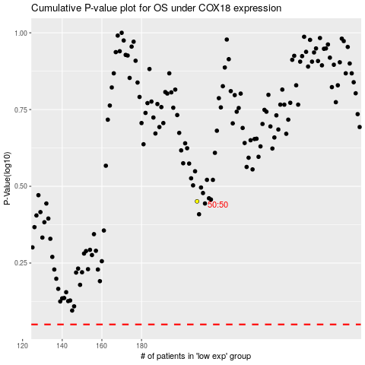

 |  |  |  |  |  | cases_OS | p_OS | rank | exp
 |  |  |  |  |  |  | cases_RFS | p_RFS | rank | exp

